KCNA6 _multivariate
Reported by Tex Li-Hsing Chi. tex@gate.sinica.edu.tw 2019-08-18

Table 2. The clinicopathological features of HNSCC cohort and KCNA6 expression. (Chi square test)
Cutoff at -0.203 (50.0%)
 |  | KCNA6 expression |  | KCNA6 expression |  | (Optimised)
 | Features | Low | (%) | High | (%) | Case no | P-value | Remark | Matthews
Gender | Female | 151 | 36.4 | 155 | 37.3 | 415 | 0.8007 | 0 | 0
2 | Male | 56 | 13.5 | 53 | 12.8
Age at diagnosis | <=65y | 130 | 31.3 | 144 | 34.7 | 415 | 0.2009 | 0 | 0
4 | >65y | 77 | 18.6 | 64 | 15.4
Clinical T Status | T1+T2 | 64 | 15.4 | 85 | 20.5 | 415 | 0.0445 | 1 | 0
6 | T3+T4 | 143 | 34.5 | 123 | 29.6
Clinical N Status | N0 | 110 | 26.5 | 106 | 25.5 | 415 | 0.7294 | 0 | 0
8 | N1-3 | 97 | 23.4 | 102 | 24.6
Clinical M Status | M0 | 204 | 49.2 | 208 | 50.1 | 415 | 0.1232 | 0 | 0
10 | M1 | 3 | 0.7 | 0 | 0
Clinical Stage | Stage I+II | 44 | 10.6 | 58 | 14 | 415 | 0.1459 | 0 | 0
12 | Stage III+IV | 163 | 39.3 | 150 | 36.1
Surgical Margin status | Negative | 165 | 39.8 | 153 | 36.9 | 415 | 0.1639 | 0 | 0
14 | Positive | 42 | 10.1 | 55 | 13.3
Tobacco Exposure | Low | 80 | 19.3 | 81 | 19.5 | 415 | 1 | 0 | 0
16 | High | 127 | 30.6 | 127 | 30.6

Table 3. Univariate/Multivariate Cox's proportional hazards regression analyses on OS time of KCNA6 gene expression in HNSCC

 |  | Univariate |  |  |  | Multivariate
 | Features | HR | CI95%(L) | CI95%(H) | P-value | HR | CI95%(L) | CI95%(H) | P-value
1 | Female | 1 |  |  |  | 1
Gender | Male | 1.157 | 0.843 | 1.587 | 0.367 | 1.201 | 0.859 | 1.679 | 0.285
11 | <=65y | 1 |  |  |  | 1
Age at diagnosis | >65y | 1.329 | 0.99 | 1.784 | 0.058 | 1.384 | 1.018 | 1.882 | 0.038
12 | T1+T2 | 1 |  |  |  | 1
Clinical T Status | T3+T4 | 1.409 | 1.028 | 1.931 | 0.033 | 2.199 | 1.163 | 4.158 | 0.015
13 | N0 | 1 |  |  |  | 1
Clinical N Status | N1-3 | 1.185 | 0.89 | 1.577 | 0.246 | 1.251 | 0.876 | 1.786 | 0.218
14 | M0 | 1 |  |  |  | 1
Clinical M Status | M1 | 4.097 | 1.009 | 16.644 | 0.049 | 8.881 | 1.924 | 40.995 | 0.005
15 | Stage I+II | 1 |  |  |  | 1
Clinical Stage | Stage III+IV | 1.245 | 0.882 | 1.759 | 0.213 | 0.498 | 0.232 | 1.069 | 0.074
16 | Negative | 1 |  |  |  | 1
Surgical Margin status | Positive | 1.591 | 1.155 | 2.191 | 0.004 | 1.696 | 1.224 | 2.35 | 0.001
17 | Low | 1 |  |  |  | 1
Tobacco Exposure | High | 1.364 | 1.008 | 1.844 | 0.044 | 1.453 | 1.054 | 2.005 | 0.023
18 | Low | 1 |  |  |  | 1
RNAseq(z-score) | High | 0.884 | 0.663 | 1.177 | 0.397 | 0.893 | 0.667 | 1.195 | 0.447

Table 4. Univariate/Multivariate Cox's proportional hazards regression analyses on RFS time of KCNA6 gene expression in HNSCC

 |  | Univariate |  |  |  | Multivariate
 | Features | HR | CI95%(L) | CI95%(H) | P-value | HR | CI95%(L) | CI95%(H) | P-value
1 | Female | 1 |  |  |  | 1
Gender | Male | 1.157 | 0.843 | 1.587 | 0.367 | 1.201 | 0.859 | 1.679 | 0.285
11 | <=65y | 1 |  |  |  | 1
Age at diagnosis | >65y | 1.329 | 0.99 | 1.784 | 0.058 | 1.384 | 1.018 | 1.882 | 0.038
12 | T1+T2 | 1 |  |  |  | 1
Clinical T Status | T3+T4 | 1.409 | 1.028 | 1.931 | 0.033 | 2.199 | 1.163 | 4.158 | 0.015
13 | N0 | 1 |  |  |  | 1
Clinical N Status | N1-3 | 1.185 | 0.89 | 1.577 | 0.246 | 1.251 | 0.876 | 1.786 | 0.218
14 | M0 | 1 |  |  |  | 1
Clinical M Status | M1 | 4.097 | 1.009 | 16.644 | 0.049 | 8.881 | 1.924 | 40.995 | 0.005
15 | Stage I+II | 1 |  |  |  | 1
Clinical Stage | Stage III+IV | 1.245 | 0.882 | 1.759 | 0.213 | 0.498 | 0.232 | 1.069 | 0.074
16 | Negative | 1 |  |  |  | 1
Surgical Margin status | Positive | 1.591 | 1.155 | 2.191 | 0.004 | 1.696 | 1.224 | 2.35 | 0.001
17 | Low | 1 |  |  |  | 1
Tobacco Exposure | High | 1.364 | 1.008 | 1.844 | 0.044 | 1.453 | 1.054 | 2.005 | 0.023
18 | Low | 1 |  |  |  | 1
RNAseq(z-score) | High | 0.884 | 0.663 | 1.177 | 0.397 | 0.893 | 0.667 | 1.195 | 0.447

Kaplan-Meier survival estimate: Cutoff at -0.203 (50.0%)



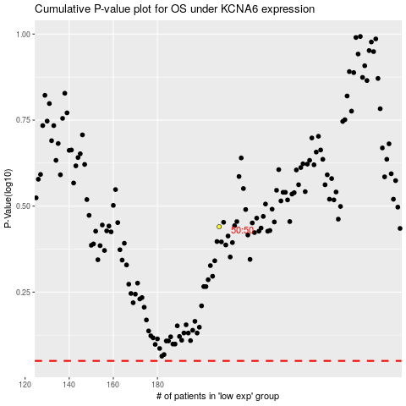

 |  |  |  |  |  | cases_OS | p_OS | rank | exp
 |  |  |  |  |  |  | cases_RFS | p_RFS | rank | exp

