KCNA7 _multivariate
Reported by Tex Li-Hsing Chi. tex@gate.sinica.edu.tw 2019-08-18

Table 2. The clinicopathological features of HNSCC cohort and KCNA7 expression. (Chi square test)
Cutoff at -0.223 (50.0%)
 |  | KCNA7 expression |  | KCNA7 expression |  | (Optimised)
 | Features | Low | (%) | High | (%) | Case no | P-value | Remark | Matthews
Gender | Female | 154 | 37.1 | 152 | 36.6 | 415 | 0.8463 | 0 | 0
2 | Male | 53 | 12.8 | 56 | 13.5
Age at diagnosis | <=65y | 133 | 32 | 141 | 34 | 415 | 0.5111 | 0 | 0
4 | >65y | 74 | 17.8 | 67 | 16.1
Clinical T Status | T1+T2 | 65 | 15.7 | 84 | 20.2 | 415 | 0.0711 | 0 | 0
6 | T3+T4 | 142 | 34.2 | 124 | 29.9
Clinical N Status | N0 | 107 | 25.8 | 109 | 26.3 | 415 | 0.9624 | 0 | 0
8 | N1-3 | 100 | 24.1 | 99 | 23.9
Clinical M Status | M0 | 205 | 49.4 | 207 | 49.9 | 415 | 0.6232 | 0 | 0
10 | M1 | 2 | 0.5 | 1 | 0.2
Clinical Stage | Stage I+II | 43 | 10.4 | 59 | 14.2 | 415 | 0.0925 | 0 | 0
12 | Stage III+IV | 164 | 39.5 | 149 | 35.9
Surgical Margin status | Negative | 159 | 38.3 | 159 | 38.3 | 415 | 1 | 0 | 0
14 | Positive | 48 | 11.6 | 49 | 11.8
Tobacco Exposure | Low | 86 | 20.7 | 75 | 18.1 | 415 | 0.2687 | 0 | 0
16 | High | 121 | 29.2 | 133 | 32

Table 3. Univariate/Multivariate Cox's proportional hazards regression analyses on OS time of KCNA7 gene expression in HNSCC

 |  | Univariate |  |  |  | Multivariate
 | Features | HR | CI95%(L) | CI95%(H) | P-value | HR | CI95%(L) | CI95%(H) | P-value
1 | Female | 1 |  |  |  | 1
Gender | Male | 1.157 | 0.843 | 1.587 | 0.367 | 1.185 | 0.848 | 1.656 | 0.32
11 | <=65y | 1 |  |  |  | 1
Age at diagnosis | >65y | 1.329 | 0.99 | 1.784 | 0.058 | 1.392 | 1.023 | 1.894 | 0.035
12 | T1+T2 | 1 |  |  |  | 1
Clinical T Status | T3+T4 | 1.409 | 1.028 | 1.931 | 0.033 | 2.21 | 1.168 | 4.18 | 0.015
13 | N0 | 1 |  |  |  | 1
Clinical N Status | N1-3 | 1.185 | 0.89 | 1.577 | 0.246 | 1.25 | 0.875 | 1.786 | 0.22
14 | M0 | 1 |  |  |  | 1
Clinical M Status | M1 | 4.097 | 1.009 | 16.644 | 0.049 | 9.468 | 2.065 | 43.404 | 0.004
15 | Stage I+II | 1 |  |  |  | 1
Clinical Stage | Stage III+IV | 1.245 | 0.882 | 1.759 | 0.213 | 0.505 | 0.235 | 1.084 | 0.08
16 | Negative | 1 |  |  |  | 1
Surgical Margin status | Positive | 1.591 | 1.155 | 2.191 | 0.004 | 1.668 | 1.208 | 2.305 | 0.002
17 | Low | 1 |  |  |  | 1
Tobacco Exposure | High | 1.364 | 1.008 | 1.844 | 0.044 | 1.432 | 1.04 | 1.973 | 0.028
18 | Low | 1 |  |  |  | 1
RNAseq(z-score) | High | 1.238 | 0.929 | 1.65 | 0.144 | 1.2 | 0.899 | 1.601 | 0.216

Table 4. Univariate/Multivariate Cox's proportional hazards regression analyses on RFS time of KCNA7 gene expression in HNSCC

 |  | Univariate |  |  |  | Multivariate
 | Features | HR | CI95%(L) | CI95%(H) | P-value | HR | CI95%(L) | CI95%(H) | P-value
1 | Female | 1 |  |  |  | 1
Gender | Male | 1.157 | 0.843 | 1.587 | 0.367 | 1.185 | 0.848 | 1.656 | 0.32
11 | <=65y | 1 |  |  |  | 1
Age at diagnosis | >65y | 1.329 | 0.99 | 1.784 | 0.058 | 1.392 | 1.023 | 1.894 | 0.035
12 | T1+T2 | 1 |  |  |  | 1
Clinical T Status | T3+T4 | 1.409 | 1.028 | 1.931 | 0.033 | 2.21 | 1.168 | 4.18 | 0.015
13 | N0 | 1 |  |  |  | 1
Clinical N Status | N1-3 | 1.185 | 0.89 | 1.577 | 0.246 | 1.25 | 0.875 | 1.786 | 0.22
14 | M0 | 1 |  |  |  | 1
Clinical M Status | M1 | 4.097 | 1.009 | 16.644 | 0.049 | 9.468 | 2.065 | 43.404 | 0.004
15 | Stage I+II | 1 |  |  |  | 1
Clinical Stage | Stage III+IV | 1.245 | 0.882 | 1.759 | 0.213 | 0.505 | 0.235 | 1.084 | 0.08
16 | Negative | 1 |  |  |  | 1
Surgical Margin status | Positive | 1.591 | 1.155 | 2.191 | 0.004 | 1.668 | 1.208 | 2.305 | 0.002
17 | Low | 1 |  |  |  | 1
Tobacco Exposure | High | 1.364 | 1.008 | 1.844 | 0.044 | 1.432 | 1.04 | 1.973 | 0.028
18 | Low | 1 |  |  |  | 1
RNAseq(z-score) | High | 1.238 | 0.929 | 1.65 | 0.144 | 1.2 | 0.899 | 1.601 | 0.216

Kaplan-Meier survival estimate: Cutoff at -0.223 (50.0%)



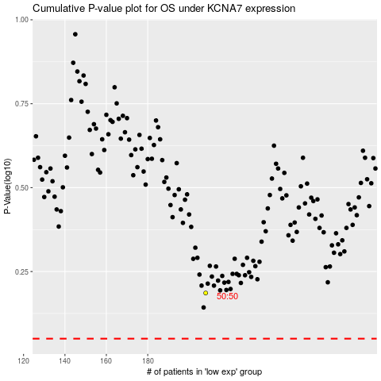

 |  |  |  |  |  | cases_OS | p_OS | rank | exp
 |  |  |  |  |  |  | cases_RFS | p_RFS | rank | exp

