KCNAB2 _multivariate
Reported by Tex Li-Hsing Chi. tex@gate.sinica.edu.tw 2019-08-18

Table 2. The clinicopathological features of HNSCC cohort and KCNAB2 expression. (Chi square test)
Cutoff at -0.284 (49.8%)
 |  | KCNAB2 expression |  | KCNAB2 expression |  | (Optimised)
 | Features | Low | (%) | High | (%) | Case no | P-value | Remark | Matthews
Gender | Female | 161 | 38.8 | 145 | 34.9 | 415 | 0.0792 | 0 | 0
2 | Male | 46 | 11.1 | 63 | 15.2
Age at diagnosis | <=65y | 133 | 32 | 141 | 34 | 415 | 0.5111 | 0 | 0
4 | >65y | 74 | 17.8 | 67 | 16.1
Clinical T Status | T1+T2 | 75 | 18.1 | 74 | 17.8 | 415 | 0.9707 | 0 | 0
6 | T3+T4 | 132 | 31.8 | 134 | 32.3
Clinical N Status | N0 | 119 | 28.7 | 97 | 23.4 | 415 | 0.0345 | 1 | 0
8 | N1-3 | 88 | 21.2 | 111 | 26.7
Clinical M Status | M0 | 206 | 49.6 | 206 | 49.6 | 415 | 1 | 0 | 0
10 | M1 | 1 | 0.2 | 2 | 0.5
Clinical Stage | Stage I+II | 55 | 13.3 | 47 | 11.3 | 415 | 0.4087 | 0 | 0
12 | Stage III+IV | 152 | 36.6 | 161 | 38.8
Surgical Margin status | Negative | 154 | 37.1 | 164 | 39.5 | 415 | 0.2984 | 0 | 0
14 | Positive | 53 | 12.8 | 44 | 10.6
Tobacco Exposure | Low | 86 | 20.7 | 75 | 18.1 | 415 | 0.2687 | 0 | 0
16 | High | 121 | 29.2 | 133 | 32

Table 3. Univariate/Multivariate Cox's proportional hazards regression analyses on OS time of KCNAB2 gene expression in HNSCC

 |  | Univariate |  |  |  | Multivariate
 | Features | HR | CI95%(L) | CI95%(H) | P-value | HR | CI95%(L) | CI95%(H) | P-value
1 | Female | 1 |  |  |  | 1
Gender | Male | 1.157 | 0.843 | 1.587 | 0.367 | 1.208 | 0.863 | 1.691 | 0.27
11 | <=65y | 1 |  |  |  | 1
Age at diagnosis | >65y | 1.329 | 0.99 | 1.784 | 0.058 | 1.386 | 1.019 | 1.886 | 0.038
12 | T1+T2 | 1 |  |  |  | 1
Clinical T Status | T3+T4 | 1.409 | 1.028 | 1.931 | 0.033 | 2.194 | 1.16 | 4.15 | 0.016
13 | N0 | 1 |  |  |  | 1
Clinical N Status | N1-3 | 1.185 | 0.89 | 1.577 | 0.246 | 1.249 | 0.873 | 1.786 | 0.223
14 | M0 | 1 |  |  |  | 1
Clinical M Status | M1 | 4.097 | 1.009 | 16.644 | 0.049 | 9.402 | 2.051 | 43.095 | 0.004
15 | Stage I+II | 1 |  |  |  | 1
Clinical Stage | Stage III+IV | 1.245 | 0.882 | 1.759 | 0.213 | 0.506 | 0.236 | 1.086 | 0.08
16 | Negative | 1 |  |  |  | 1
Surgical Margin status | Positive | 1.591 | 1.155 | 2.191 | 0.004 | 1.667 | 1.206 | 2.304 | 0.002
17 | Low | 1 |  |  |  | 1
Tobacco Exposure | High | 1.364 | 1.008 | 1.844 | 0.044 | 1.457 | 1.057 | 2.009 | 0.022
18 | Low | 1 |  |  |  | 1
RNAseq(z-score) | High | 0.958 | 0.718 | 1.277 | 0.769 | 0.954 | 0.711 | 1.281 | 0.755

Table 4. Univariate/Multivariate Cox's proportional hazards regression analyses on RFS time of KCNAB2 gene expression in HNSCC

 |  | Univariate |  |  |  | Multivariate
 | Features | HR | CI95%(L) | CI95%(H) | P-value | HR | CI95%(L) | CI95%(H) | P-value
1 | Female | 1 |  |  |  | 1
Gender | Male | 1.157 | 0.843 | 1.587 | 0.367 | 1.208 | 0.863 | 1.691 | 0.27
11 | <=65y | 1 |  |  |  | 1
Age at diagnosis | >65y | 1.329 | 0.99 | 1.784 | 0.058 | 1.386 | 1.019 | 1.886 | 0.038
12 | T1+T2 | 1 |  |  |  | 1
Clinical T Status | T3+T4 | 1.409 | 1.028 | 1.931 | 0.033 | 2.194 | 1.16 | 4.15 | 0.016
13 | N0 | 1 |  |  |  | 1
Clinical N Status | N1-3 | 1.185 | 0.89 | 1.577 | 0.246 | 1.249 | 0.873 | 1.786 | 0.223
14 | M0 | 1 |  |  |  | 1
Clinical M Status | M1 | 4.097 | 1.009 | 16.644 | 0.049 | 9.402 | 2.051 | 43.095 | 0.004
15 | Stage I+II | 1 |  |  |  | 1
Clinical Stage | Stage III+IV | 1.245 | 0.882 | 1.759 | 0.213 | 0.506 | 0.236 | 1.086 | 0.08
16 | Negative | 1 |  |  |  | 1
Surgical Margin status | Positive | 1.591 | 1.155 | 2.191 | 0.004 | 1.667 | 1.206 | 2.304 | 0.002
17 | Low | 1 |  |  |  | 1
Tobacco Exposure | High | 1.364 | 1.008 | 1.844 | 0.044 | 1.457 | 1.057 | 2.009 | 0.022
18 | Low | 1 |  |  |  | 1
RNAseq(z-score) | High | 0.958 | 0.718 | 1.277 | 0.769 | 0.954 | 0.711 | 1.281 | 0.755

Kaplan-Meier survival estimate: Cutoff at -0.284 (49.8%)



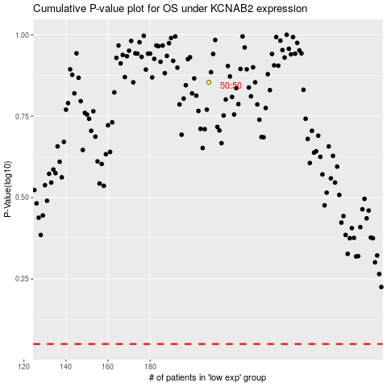

 |  |  |  |  |  | cases_OS | p_OS | rank | exp
 |  |  |  |  |  |  | cases_RFS | p_RFS | rank | exp

