KCNC4 _multivariate
Reported by Tex Li-Hsing Chi. tex@gate.sinica.edu.tw 2019-08-18

Table 2. The clinicopathological features of HNSCC cohort and KCNC4 expression. (Chi square test)
Cutoff at -0.259 (50.0%)
 |  | KCNC4 expression |  | KCNC4 expression |  | (Optimised)
 | Features | Low | (%) | High | (%) | Case no | P-value | Remark | Matthews
Gender | Female | 155 | 37.3 | 151 | 36.4 | 415 | 0.6768 | 0 | 0
2 | Male | 52 | 12.5 | 57 | 13.7
Age at diagnosis | <=65y | 127 | 30.6 | 147 | 35.4 | 415 | 0.0573 | 0 | 0
4 | >65y | 80 | 19.3 | 61 | 14.7
Clinical T Status | T1+T2 | 65 | 15.7 | 84 | 20.2 | 415 | 0.0711 | 0 | 0
6 | T3+T4 | 142 | 34.2 | 124 | 29.9
Clinical N Status | N0 | 107 | 25.8 | 109 | 26.3 | 415 | 0.9624 | 0 | 0
8 | N1-3 | 100 | 24.1 | 99 | 23.9
Clinical M Status | M0 | 205 | 49.4 | 207 | 49.9 | 415 | 0.6232 | 0 | 0
10 | M1 | 2 | 0.5 | 1 | 0.2
Clinical Stage | Stage I+II | 41 | 9.9 | 61 | 14.7 | 415 | 0.0325 | 1 | 0
12 | Stage III+IV | 166 | 40 | 147 | 35.4
Surgical Margin status | Negative | 155 | 37.3 | 163 | 39.3 | 415 | 0.4187 | 0 | 0
14 | Positive | 52 | 12.5 | 45 | 10.8
Tobacco Exposure | Low | 73 | 17.6 | 88 | 21.2 | 415 | 0.1587 | 0 | 0
16 | High | 134 | 32.3 | 120 | 28.9

Table 3. Univariate/Multivariate Cox's proportional hazards regression analyses on OS time of KCNC4 gene expression in HNSCC

 |  | Univariate |  |  |  | Multivariate
 | Features | HR | CI95%(L) | CI95%(H) | P-value | HR | CI95%(L) | CI95%(H) | P-value
1 | Female | 1 |  |  |  | 1
Gender | Male | 1.157 | 0.843 | 1.587 | 0.367 | 1.201 | 0.859 | 1.679 | 0.284
11 | <=65y | 1 |  |  |  | 1
Age at diagnosis | >65y | 1.329 | 0.99 | 1.784 | 0.058 | 1.381 | 1.014 | 1.879 | 0.04
12 | T1+T2 | 1 |  |  |  | 1
Clinical T Status | T3+T4 | 1.409 | 1.028 | 1.931 | 0.033 | 2.197 | 1.162 | 4.156 | 0.015
13 | N0 | 1 |  |  |  | 1
Clinical N Status | N1-3 | 1.185 | 0.89 | 1.577 | 0.246 | 1.248 | 0.874 | 1.782 | 0.223
14 | M0 | 1 |  |  |  | 1
Clinical M Status | M1 | 4.097 | 1.009 | 16.644 | 0.049 | 9.279 | 2.023 | 42.569 | 0.004
15 | Stage I+II | 1 |  |  |  | 1
Clinical Stage | Stage III+IV | 1.245 | 0.882 | 1.759 | 0.213 | 0.501 | 0.233 | 1.076 | 0.076
16 | Negative | 1 |  |  |  | 1
Surgical Margin status | Positive | 1.591 | 1.155 | 2.191 | 0.004 | 1.678 | 1.214 | 2.32 | 0.002
17 | Low | 1 |  |  |  | 1
Tobacco Exposure | High | 1.364 | 1.008 | 1.844 | 0.044 | 1.449 | 1.05 | 1.997 | 0.024
18 | Low | 1 |  |  |  | 1
RNAseq(z-score) | High | 0.882 | 0.662 | 1.175 | 0.391 | 0.925 | 0.692 | 1.236 | 0.597

Table 4. Univariate/Multivariate Cox's proportional hazards regression analyses on RFS time of KCNC4 gene expression in HNSCC

 |  | Univariate |  |  |  | Multivariate
 | Features | HR | CI95%(L) | CI95%(H) | P-value | HR | CI95%(L) | CI95%(H) | P-value
1 | Female | 1 |  |  |  | 1
Gender | Male | 1.157 | 0.843 | 1.587 | 0.367 | 1.201 | 0.859 | 1.679 | 0.284
11 | <=65y | 1 |  |  |  | 1
Age at diagnosis | >65y | 1.329 | 0.99 | 1.784 | 0.058 | 1.381 | 1.014 | 1.879 | 0.04
12 | T1+T2 | 1 |  |  |  | 1
Clinical T Status | T3+T4 | 1.409 | 1.028 | 1.931 | 0.033 | 2.197 | 1.162 | 4.156 | 0.015
13 | N0 | 1 |  |  |  | 1
Clinical N Status | N1-3 | 1.185 | 0.89 | 1.577 | 0.246 | 1.248 | 0.874 | 1.782 | 0.223
14 | M0 | 1 |  |  |  | 1
Clinical M Status | M1 | 4.097 | 1.009 | 16.644 | 0.049 | 9.279 | 2.023 | 42.569 | 0.004
15 | Stage I+II | 1 |  |  |  | 1
Clinical Stage | Stage III+IV | 1.245 | 0.882 | 1.759 | 0.213 | 0.501 | 0.233 | 1.076 | 0.076
16 | Negative | 1 |  |  |  | 1
Surgical Margin status | Positive | 1.591 | 1.155 | 2.191 | 0.004 | 1.678 | 1.214 | 2.32 | 0.002
17 | Low | 1 |  |  |  | 1
Tobacco Exposure | High | 1.364 | 1.008 | 1.844 | 0.044 | 1.449 | 1.05 | 1.997 | 0.024
18 | Low | 1 |  |  |  | 1
RNAseq(z-score) | High | 0.882 | 0.662 | 1.175 | 0.391 | 0.925 | 0.692 | 1.236 | 0.597

Kaplan-Meier survival estimate: Cutoff at -0.259 (50.0%)



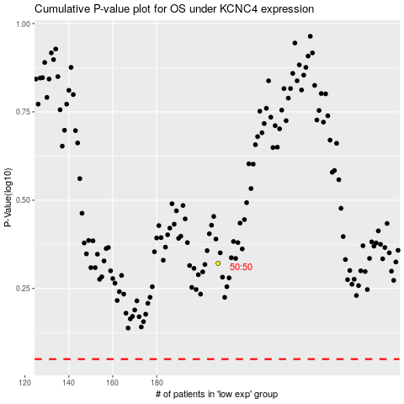

 |  |  |  |  |  | cases_OS | p_OS | rank | exp
 |  |  |  |  |  |  | cases_RFS | p_RFS | rank | exp

