KCND3 _multivariate
Reported by Tex Li-Hsing Chi. tex@gate.sinica.edu.tw 2019-08-18

Table 2. The clinicopathological features of HNSCC cohort and KCND3 expression. (Chi square test)
Cutoff at -0.377 (50.0%)
 |  | KCND3 expression |  | KCND3 expression |  | (Optimised)
 | Features | Low | (%) | High | (%) | Case no | P-value | Remark | Matthews
Gender | Female | 163 | 39.3 | 143 | 34.5 | 415 | 0.0277 | 1 | 0
2 | Male | 44 | 10.6 | 65 | 15.7
Age at diagnosis | <=65y | 133 | 32 | 141 | 34 | 415 | 0.5111 | 0 | 0
4 | >65y | 74 | 17.8 | 67 | 16.1
Clinical T Status | T1+T2 | 70 | 16.9 | 79 | 19 | 415 | 0.4343 | 0 | 0
6 | T3+T4 | 137 | 33 | 129 | 31.1
Clinical N Status | N0 | 108 | 26 | 108 | 26 | 415 | 1 | 0 | 0
8 | N1-3 | 99 | 23.9 | 100 | 24.1
Clinical M Status | M0 | 205 | 49.4 | 207 | 49.9 | 415 | 0.6232 | 0 | 0
10 | M1 | 2 | 0.5 | 1 | 0.2
Clinical Stage | Stage I+II | 43 | 10.4 | 59 | 14.2 | 415 | 0.0925 | 0 | 0
12 | Stage III+IV | 164 | 39.5 | 149 | 35.9
Surgical Margin status | Negative | 153 | 36.9 | 165 | 39.8 | 415 | 0.2036 | 0 | 0
14 | Positive | 54 | 13 | 43 | 10.4
Tobacco Exposure | Low | 77 | 18.6 | 84 | 20.2 | 415 | 0.5459 | 0 | 0
16 | High | 130 | 31.3 | 124 | 29.9

Table 3. Univariate/Multivariate Cox's proportional hazards regression analyses on OS time of KCND3 gene expression in HNSCC

 |  | Univariate |  |  |  | Multivariate
 | Features | HR | CI95%(L) | CI95%(H) | P-value | HR | CI95%(L) | CI95%(H) | P-value
1 | Female | 1 |  |  |  | 1
Gender | Male | 1.157 | 0.843 | 1.587 | 0.367 | 1.204 | 0.861 | 1.684 | 0.277
11 | <=65y | 1 |  |  |  | 1
Age at diagnosis | >65y | 1.329 | 0.99 | 1.784 | 0.058 | 1.391 | 1.024 | 1.891 | 0.035
12 | T1+T2 | 1 |  |  |  | 1
Clinical T Status | T3+T4 | 1.409 | 1.028 | 1.931 | 0.033 | 2.212 | 1.169 | 4.185 | 0.015
13 | N0 | 1 |  |  |  | 1
Clinical N Status | N1-3 | 1.185 | 0.89 | 1.577 | 0.246 | 1.245 | 0.872 | 1.778 | 0.228
14 | M0 | 1 |  |  |  | 1
Clinical M Status | M1 | 4.097 | 1.009 | 16.644 | 0.049 | 9.395 | 2.05 | 43.067 | 0.004
15 | Stage I+II | 1 |  |  |  | 1
Clinical Stage | Stage III+IV | 1.245 | 0.882 | 1.759 | 0.213 | 0.5 | 0.232 | 1.077 | 0.077
16 | Negative | 1 |  |  |  | 1
Surgical Margin status | Positive | 1.591 | 1.155 | 2.191 | 0.004 | 1.668 | 1.206 | 2.305 | 0.002
17 | Low | 1 |  |  |  | 1
Tobacco Exposure | High | 1.364 | 1.008 | 1.844 | 0.044 | 1.448 | 1.05 | 1.998 | 0.024
18 | Low | 1 |  |  |  | 1
RNAseq(z-score) | High | 0.933 | 0.7 | 1.243 | 0.634 | 0.964 | 0.72 | 1.291 | 0.806

Table 4. Univariate/Multivariate Cox's proportional hazards regression analyses on RFS time of KCND3 gene expression in HNSCC

 |  | Univariate |  |  |  | Multivariate
 | Features | HR | CI95%(L) | CI95%(H) | P-value | HR | CI95%(L) | CI95%(H) | P-value
1 | Female | 1 |  |  |  | 1
Gender | Male | 1.157 | 0.843 | 1.587 | 0.367 | 1.204 | 0.861 | 1.684 | 0.277
11 | <=65y | 1 |  |  |  | 1
Age at diagnosis | >65y | 1.329 | 0.99 | 1.784 | 0.058 | 1.391 | 1.024 | 1.891 | 0.035
12 | T1+T2 | 1 |  |  |  | 1
Clinical T Status | T3+T4 | 1.409 | 1.028 | 1.931 | 0.033 | 2.212 | 1.169 | 4.185 | 0.015
13 | N0 | 1 |  |  |  | 1
Clinical N Status | N1-3 | 1.185 | 0.89 | 1.577 | 0.246 | 1.245 | 0.872 | 1.778 | 0.228
14 | M0 | 1 |  |  |  | 1
Clinical M Status | M1 | 4.097 | 1.009 | 16.644 | 0.049 | 9.395 | 2.05 | 43.067 | 0.004
15 | Stage I+II | 1 |  |  |  | 1
Clinical Stage | Stage III+IV | 1.245 | 0.882 | 1.759 | 0.213 | 0.5 | 0.232 | 1.077 | 0.077
16 | Negative | 1 |  |  |  | 1
Surgical Margin status | Positive | 1.591 | 1.155 | 2.191 | 0.004 | 1.668 | 1.206 | 2.305 | 0.002
17 | Low | 1 |  |  |  | 1
Tobacco Exposure | High | 1.364 | 1.008 | 1.844 | 0.044 | 1.448 | 1.05 | 1.998 | 0.024
18 | Low | 1 |  |  |  | 1
RNAseq(z-score) | High | 0.933 | 0.7 | 1.243 | 0.634 | 0.964 | 0.72 | 1.291 | 0.806

Kaplan-Meier survival estimate: Cutoff at -0.377 (50.0%)



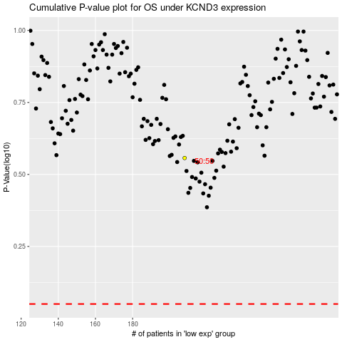

 |  |  |  |  |  | cases_OS | p_OS | rank | exp
 |  |  |  |  |  |  | cases_RFS | p_RFS | rank | exp

