KCNE1 _multivariate
Reported by Tex Li-Hsing Chi. tex@gate.sinica.edu.tw 2019-08-18

Table 2. The clinicopathological features of HNSCC cohort and KCNE1 expression. (Chi square test)
Cutoff at -0.145 (49.8%)
 |  | KCNE1 expression |  | KCNE1 expression |  | (Optimised)
 | Features | Low | (%) | High | (%) | Case no | P-value | Remark | Matthews
Gender | Female | 149 | 35.9 | 157 | 37.8 | 415 | 0.4848 | 0 | 0
2 | Male | 58 | 14 | 51 | 12.3
Age at diagnosis | <=65y | 133 | 32 | 141 | 34 | 415 | 0.5111 | 0 | 0
4 | >65y | 74 | 17.8 | 67 | 16.1
Clinical T Status | T1+T2 | 84 | 20.2 | 65 | 15.7 | 415 | 0.0603 | 0 | 0
6 | T3+T4 | 123 | 29.6 | 143 | 34.5
Clinical N Status | N0 | 111 | 26.7 | 105 | 25.3 | 415 | 0.5875 | 0 | 0
8 | N1-3 | 96 | 23.1 | 103 | 24.8
Clinical M Status | M0 | 206 | 49.6 | 206 | 49.6 | 415 | 1 | 0 | 0
10 | M1 | 1 | 0.2 | 2 | 0.5
Clinical Stage | Stage I+II | 63 | 15.2 | 39 | 9.4 | 415 | 0.008 | 1 | 0
12 | Stage III+IV | 144 | 34.7 | 169 | 40.7
Surgical Margin status | Negative | 153 | 36.9 | 165 | 39.8 | 415 | 0.2036 | 0 | 0
14 | Positive | 54 | 13 | 43 | 10.4
Tobacco Exposure | Low | 90 | 21.7 | 71 | 17.1 | 415 | 0.0559 | 0 | 0
16 | High | 117 | 28.2 | 137 | 33

Table 3. Univariate/Multivariate Cox's proportional hazards regression analyses on OS time of KCNE1 gene expression in HNSCC

 |  | Univariate |  |  |  | Multivariate
 | Features | HR | CI95%(L) | CI95%(H) | P-value | HR | CI95%(L) | CI95%(H) | P-value
1 | Female | 1 |  |  |  | 1
Gender | Male | 1.157 | 0.843 | 1.587 | 0.367 | 1.205 | 0.863 | 1.684 | 0.273
11 | <=65y | 1 |  |  |  | 1
Age at diagnosis | >65y | 1.329 | 0.99 | 1.784 | 0.058 | 1.395 | 1.026 | 1.896 | 0.034
12 | T1+T2 | 1 |  |  |  | 1
Clinical T Status | T3+T4 | 1.409 | 1.028 | 1.931 | 0.033 | 2.204 | 1.165 | 4.168 | 0.015
13 | N0 | 1 |  |  |  | 1
Clinical N Status | N1-3 | 1.185 | 0.89 | 1.577 | 0.246 | 1.252 | 0.876 | 1.789 | 0.217
14 | M0 | 1 |  |  |  | 1
Clinical M Status | M1 | 4.097 | 1.009 | 16.644 | 0.049 | 9.194 | 2.001 | 42.239 | 0.004
15 | Stage I+II | 1 |  |  |  | 1
Clinical Stage | Stage III+IV | 1.245 | 0.882 | 1.759 | 0.213 | 0.494 | 0.229 | 1.064 | 0.071
16 | Negative | 1 |  |  |  | 1
Surgical Margin status | Positive | 1.591 | 1.155 | 2.191 | 0.004 | 1.681 | 1.216 | 2.324 | 0.002
17 | Low | 1 |  |  |  | 1
Tobacco Exposure | High | 1.364 | 1.008 | 1.844 | 0.044 | 1.437 | 1.04 | 1.985 | 0.028
18 | Low | 1 |  |  |  | 1
RNAseq(z-score) | High | 1.129 | 0.845 | 1.508 | 0.411 | 1.087 | 0.806 | 1.467 | 0.584

Table 4. Univariate/Multivariate Cox's proportional hazards regression analyses on RFS time of KCNE1 gene expression in HNSCC

 |  | Univariate |  |  |  | Multivariate
 | Features | HR | CI95%(L) | CI95%(H) | P-value | HR | CI95%(L) | CI95%(H) | P-value
1 | Female | 1 |  |  |  | 1
Gender | Male | 1.157 | 0.843 | 1.587 | 0.367 | 1.205 | 0.863 | 1.684 | 0.273
11 | <=65y | 1 |  |  |  | 1
Age at diagnosis | >65y | 1.329 | 0.99 | 1.784 | 0.058 | 1.395 | 1.026 | 1.896 | 0.034
12 | T1+T2 | 1 |  |  |  | 1
Clinical T Status | T3+T4 | 1.409 | 1.028 | 1.931 | 0.033 | 2.204 | 1.165 | 4.168 | 0.015
13 | N0 | 1 |  |  |  | 1
Clinical N Status | N1-3 | 1.185 | 0.89 | 1.577 | 0.246 | 1.252 | 0.876 | 1.789 | 0.217
14 | M0 | 1 |  |  |  | 1
Clinical M Status | M1 | 4.097 | 1.009 | 16.644 | 0.049 | 9.194 | 2.001 | 42.239 | 0.004
15 | Stage I+II | 1 |  |  |  | 1
Clinical Stage | Stage III+IV | 1.245 | 0.882 | 1.759 | 0.213 | 0.494 | 0.229 | 1.064 | 0.071
16 | Negative | 1 |  |  |  | 1
Surgical Margin status | Positive | 1.591 | 1.155 | 2.191 | 0.004 | 1.681 | 1.216 | 2.324 | 0.002
17 | Low | 1 |  |  |  | 1
Tobacco Exposure | High | 1.364 | 1.008 | 1.844 | 0.044 | 1.437 | 1.04 | 1.985 | 0.028
18 | Low | 1 |  |  |  | 1
RNAseq(z-score) | High | 1.129 | 0.845 | 1.508 | 0.411 | 1.087 | 0.806 | 1.467 | 0.584

Kaplan-Meier survival estimate: Cutoff at -0.145 (49.8%)



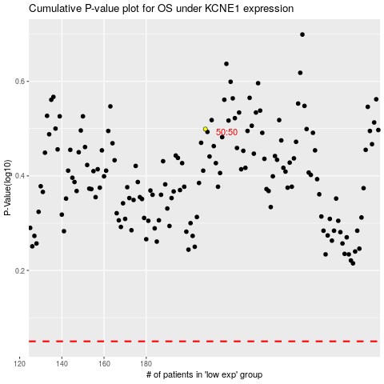

 |  |  |  |  |  | cases_OS | p_OS | rank | exp
 |  |  |  |  |  |  | cases_RFS | p_RFS | rank | exp

