KCNE3 _multivariate
Reported by Tex Li-Hsing Chi. tex@gate.sinica.edu.tw 2019-08-18

Table 2. The clinicopathological features of HNSCC cohort and KCNE3 expression. (Chi square test)
Cutoff at -0.229 (49.8%)
 |  | KCNE3 expression |  | KCNE3 expression |  | (Optimised)
 | Features | Low | (%) | High | (%) | Case no | P-value | Remark | Matthews
Gender | Female | 149 | 35.9 | 157 | 37.8 | 415 | 0.4848 | 0 | 0
2 | Male | 58 | 14 | 51 | 12.3
Age at diagnosis | <=65y | 138 | 33.3 | 136 | 32.8 | 415 | 0.8634 | 0 | 0
4 | >65y | 69 | 16.6 | 72 | 17.3
Clinical T Status | T1+T2 | 77 | 18.6 | 72 | 17.3 | 415 | 0.6556 | 0 | 0
6 | T3+T4 | 130 | 31.3 | 136 | 32.8
Clinical N Status | N0 | 116 | 28 | 100 | 24.1 | 415 | 0.1273 | 1 | 0
8 | N1-3 | 91 | 21.9 | 108 | 26
Clinical M Status | M0 | 204 | 49.2 | 208 | 50.1 | 415 | 0.1232 | 0 | 0
10 | M1 | 3 | 0.7 | 0 | 0
Clinical Stage | Stage I+II | 54 | 13 | 48 | 11.6 | 415 | 0.5498 | 0 | 0
12 | Stage III+IV | 153 | 36.9 | 160 | 38.6
Surgical Margin status | Negative | 160 | 38.6 | 158 | 38.1 | 415 | 0.8167 | 0 | 0
14 | Positive | 47 | 11.3 | 50 | 12
Tobacco Exposure | Low | 90 | 21.7 | 71 | 17.1 | 415 | 0.0559 | 0 | 0
16 | High | 117 | 28.2 | 137 | 33

Table 3. Univariate/Multivariate Cox's proportional hazards regression analyses on OS time of KCNE3 gene expression in HNSCC

 |  | Univariate |  |  |  | Multivariate
 | Features | HR | CI95%(L) | CI95%(H) | P-value | HR | CI95%(L) | CI95%(H) | P-value
1 | Female | 1 |  |  |  | 1
Gender | Male | 1.157 | 0.843 | 1.587 | 0.367 | 1.193 | 0.853 | 1.669 | 0.302
11 | <=65y | 1 |  |  |  | 1
Age at diagnosis | >65y | 1.329 | 0.99 | 1.784 | 0.058 | 1.396 | 1.027 | 1.898 | 0.033
12 | T1+T2 | 1 |  |  |  | 1
Clinical T Status | T3+T4 | 1.409 | 1.028 | 1.931 | 0.033 | 2.212 | 1.17 | 4.183 | 0.015
13 | N0 | 1 |  |  |  | 1
Clinical N Status | N1-3 | 1.185 | 0.89 | 1.577 | 0.246 | 1.258 | 0.878 | 1.801 | 0.21
14 | M0 | 1 |  |  |  | 1
Clinical M Status | M1 | 4.097 | 1.009 | 16.644 | 0.049 | 8.995 | 1.946 | 41.588 | 0.005
15 | Stage I+II | 1 |  |  |  | 1
Clinical Stage | Stage III+IV | 1.245 | 0.882 | 1.759 | 0.213 | 0.503 | 0.234 | 1.08 | 0.078
16 | Negative | 1 |  |  |  | 1
Surgical Margin status | Positive | 1.591 | 1.155 | 2.191 | 0.004 | 1.666 | 1.205 | 2.302 | 0.002
17 | Low | 1 |  |  |  | 1
Tobacco Exposure | High | 1.364 | 1.008 | 1.844 | 0.044 | 1.457 | 1.057 | 2.008 | 0.022
18 | Low | 1 |  |  |  | 1
RNAseq(z-score) | High | 0.935 | 0.702 | 1.245 | 0.646 | 0.923 | 0.688 | 1.239 | 0.595

Table 4. Univariate/Multivariate Cox's proportional hazards regression analyses on RFS time of KCNE3 gene expression in HNSCC

 |  | Univariate |  |  |  | Multivariate
 | Features | HR | CI95%(L) | CI95%(H) | P-value | HR | CI95%(L) | CI95%(H) | P-value
1 | Female | 1 |  |  |  | 1
Gender | Male | 1.157 | 0.843 | 1.587 | 0.367 | 1.193 | 0.853 | 1.669 | 0.302
11 | <=65y | 1 |  |  |  | 1
Age at diagnosis | >65y | 1.329 | 0.99 | 1.784 | 0.058 | 1.396 | 1.027 | 1.898 | 0.033
12 | T1+T2 | 1 |  |  |  | 1
Clinical T Status | T3+T4 | 1.409 | 1.028 | 1.931 | 0.033 | 2.212 | 1.17 | 4.183 | 0.015
13 | N0 | 1 |  |  |  | 1
Clinical N Status | N1-3 | 1.185 | 0.89 | 1.577 | 0.246 | 1.258 | 0.878 | 1.801 | 0.21
14 | M0 | 1 |  |  |  | 1
Clinical M Status | M1 | 4.097 | 1.009 | 16.644 | 0.049 | 8.995 | 1.946 | 41.588 | 0.005
15 | Stage I+II | 1 |  |  |  | 1
Clinical Stage | Stage III+IV | 1.245 | 0.882 | 1.759 | 0.213 | 0.503 | 0.234 | 1.08 | 0.078
16 | Negative | 1 |  |  |  | 1
Surgical Margin status | Positive | 1.591 | 1.155 | 2.191 | 0.004 | 1.666 | 1.205 | 2.302 | 0.002
17 | Low | 1 |  |  |  | 1
Tobacco Exposure | High | 1.364 | 1.008 | 1.844 | 0.044 | 1.457 | 1.057 | 2.008 | 0.022
18 | Low | 1 |  |  |  | 1
RNAseq(z-score) | High | 0.935 | 0.702 | 1.245 | 0.646 | 0.923 | 0.688 | 1.239 | 0.595

Kaplan-Meier survival estimate: Cutoff at -0.229 (49.8%)



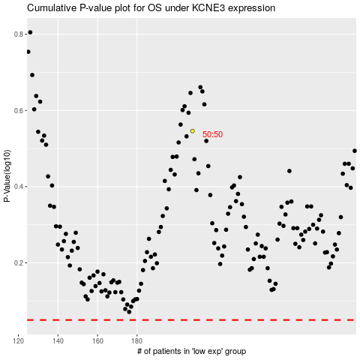

 |  |  |  |  |  | cases_OS | p_OS | rank | exp
 |  |  |  |  |  |  | cases_RFS | p_RFS | rank | exp

