KCNG3 _multivariate
Reported by Tex Li-Hsing Chi. tex@gate.sinica.edu.tw 2019-08-18

Table 2. The clinicopathological features of HNSCC cohort and KCNG3 expression. (Chi square test)
Cutoff at -0.402 (53.1%)
 |  | KCNG3 expression |  | KCNG3 expression |  | (Optimised)
 | Features | Low | (%) | High | (%) | Case no | P-value | Remark | Matthews
Gender | Female | 147 | 35.4 | 159 | 38.3 | 415 | 6e-04 | 1 | 0
2 | Male | 74 | 17.8 | 35 | 8.4
Age at diagnosis | <=65y | 136 | 32.8 | 138 | 33.3 | 415 | 0.0505 | 0 | 0
4 | >65y | 85 | 20.5 | 56 | 13.5
Clinical T Status | T1+T2 | 89 | 21.4 | 60 | 14.5 | 415 | 0.0605 | 0 | 0
6 | T3+T4 | 132 | 31.8 | 134 | 32.3
Clinical N Status | N0 | 111 | 26.7 | 105 | 25.3 | 415 | 0.4874 | 0 | 0
8 | N1-3 | 110 | 26.5 | 89 | 21.4
Clinical M Status | M0 | 219 | 52.8 | 193 | 46.5 | 415 | 1 | 0 | 0
10 | M1 | 2 | 0.5 | 1 | 0.2
Clinical Stage | Stage I+II | 66 | 15.9 | 36 | 8.7 | 415 | 0.0106 | 1 | 0
12 | Stage III+IV | 155 | 37.3 | 158 | 38.1
Surgical Margin status | Negative | 177 | 42.7 | 141 | 34 | 415 | 0.0819 | 0 | 0
14 | Positive | 44 | 10.6 | 53 | 12.8
Tobacco Exposure | Low | 101 | 24.3 | 60 | 14.5 | 415 | 0.0024 | 1 | 0
16 | High | 120 | 28.9 | 134 | 32.3

Table 3. Univariate/Multivariate Cox's proportional hazards regression analyses on OS time of KCNG3 gene expression in HNSCC

 |  | Univariate |  |  |  | Multivariate
 | Features | HR | CI95%(L) | CI95%(H) | P-value | HR | CI95%(L) | CI95%(H) | P-value
1 | Female | 1 |  |  |  | 1
Gender | Male | 1.157 | 0.843 | 1.587 | 0.367 | 1.146 | 0.817 | 1.609 | 0.43
11 | <=65y | 1 |  |  |  | 1
Age at diagnosis | >65y | 1.329 | 0.99 | 1.784 | 0.058 | 1.369 | 1.006 | 1.863 | 0.046
12 | T1+T2 | 1 |  |  |  | 1
Clinical T Status | T3+T4 | 1.409 | 1.028 | 1.931 | 0.033 | 2.129 | 1.126 | 4.028 | 0.02
13 | N0 | 1 |  |  |  | 1
Clinical N Status | N1-3 | 1.185 | 0.89 | 1.577 | 0.246 | 1.174 | 0.82 | 1.68 | 0.381
14 | M0 | 1 |  |  |  | 1
Clinical M Status | M1 | 4.097 | 1.009 | 16.644 | 0.049 | 8.831 | 1.925 | 40.52 | 0.005
15 | Stage I+II | 1 |  |  |  | 1
Clinical Stage | Stage III+IV | 1.245 | 0.882 | 1.759 | 0.213 | 0.575 | 0.265 | 1.246 | 0.161
16 | Negative | 1 |  |  |  | 1
Surgical Margin status | Positive | 1.591 | 1.155 | 2.191 | 0.004 | 1.709 | 1.237 | 2.362 | 0.001
17 | Low | 1 |  |  |  | 1
Tobacco Exposure | High | 1.364 | 1.008 | 1.844 | 0.044 | 1.501 | 1.086 | 2.077 | 0.014
18 | Low | 1 |  |  |  | 1
RNAseq(z-score) | High | 0.745 | 0.558 | 0.996 | 0.047 | 0.713 | 0.526 | 0.967 | 0.03

Table 4. Univariate/Multivariate Cox's proportional hazards regression analyses on RFS time of KCNG3 gene expression in HNSCC

 |  | Univariate |  |  |  | Multivariate
 | Features | HR | CI95%(L) | CI95%(H) | P-value | HR | CI95%(L) | CI95%(H) | P-value
1 | Female | 1 |  |  |  | 1
Gender | Male | 1.157 | 0.843 | 1.587 | 0.367 | 1.146 | 0.817 | 1.609 | 0.43
11 | <=65y | 1 |  |  |  | 1
Age at diagnosis | >65y | 1.329 | 0.99 | 1.784 | 0.058 | 1.369 | 1.006 | 1.863 | 0.046
12 | T1+T2 | 1 |  |  |  | 1
Clinical T Status | T3+T4 | 1.409 | 1.028 | 1.931 | 0.033 | 2.129 | 1.126 | 4.028 | 0.02
13 | N0 | 1 |  |  |  | 1
Clinical N Status | N1-3 | 1.185 | 0.89 | 1.577 | 0.246 | 1.174 | 0.82 | 1.68 | 0.381
14 | M0 | 1 |  |  |  | 1
Clinical M Status | M1 | 4.097 | 1.009 | 16.644 | 0.049 | 8.831 | 1.925 | 40.52 | 0.005
15 | Stage I+II | 1 |  |  |  | 1
Clinical Stage | Stage III+IV | 1.245 | 0.882 | 1.759 | 0.213 | 0.575 | 0.265 | 1.246 | 0.161
16 | Negative | 1 |  |  |  | 1
Surgical Margin status | Positive | 1.591 | 1.155 | 2.191 | 0.004 | 1.709 | 1.237 | 2.362 | 0.001
17 | Low | 1 |  |  |  | 1
Tobacco Exposure | High | 1.364 | 1.008 | 1.844 | 0.044 | 1.501 | 1.086 | 2.077 | 0.014
18 | Low | 1 |  |  |  | 1
RNAseq(z-score) | High | 0.745 | 0.558 | 0.996 | 0.047 | 0.713 | 0.526 | 0.967 | 0.03

Kaplan-Meier survival estimate: Cutoff at -0.402 (53.1%)



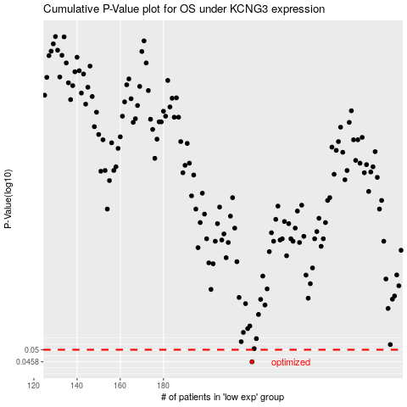

 |  |  |  |  |  | cases_OS | p_OS | rank | exp
 |  |  |  |  |  | 221 | 0.0458 | 352 | -0.40190851349
 |  |  |  |  |  |  | cases_RFS | p_RFS | rank | exp
 |  |  |  |  |  |  | 220 | 0.0458 | 186 | -0.40293550752

