KCNH1 _multivariate
Reported by Tex Li-Hsing Chi. tex@gate.sinica.edu.tw 2019-08-18

Table 2. The clinicopathological features of HNSCC cohort and KCNH1 expression. (Chi square test)
Cutoff at -0.387 (49.8%)
 |  | KCNH1 expression |  | KCNH1 expression |  | (Optimised)
 | Features | Low | (%) | High | (%) | Case no | P-value | Remark | Matthews
Gender | Female | 146 | 35.2 | 160 | 38.6 | 415 | 0.1714 | 0 | 0
2 | Male | 61 | 14.7 | 48 | 11.6
Age at diagnosis | <=65y | 137 | 33 | 137 | 33 | 415 | 1 | 0 | 0
4 | >65y | 70 | 16.9 | 71 | 17.1
Clinical T Status | T1+T2 | 64 | 15.4 | 85 | 20.5 | 415 | 0.0445 | 1 | 0
6 | T3+T4 | 143 | 34.5 | 123 | 29.6
Clinical N Status | N0 | 93 | 22.4 | 123 | 29.6 | 415 | 0.0051 | 1 | 0
8 | N1-3 | 114 | 27.5 | 85 | 20.5
Clinical M Status | M0 | 204 | 49.2 | 208 | 50.1 | 415 | 0.1232 | 0 | 0
10 | M1 | 3 | 0.7 | 0 | 0
Clinical Stage | Stage I+II | 44 | 10.6 | 58 | 14 | 415 | 0.1459 | 0 | 0
12 | Stage III+IV | 163 | 39.3 | 150 | 36.1
Surgical Margin status | Negative | 160 | 38.6 | 158 | 38.1 | 415 | 0.8167 | 0 | 0
14 | Positive | 47 | 11.3 | 50 | 12
Tobacco Exposure | Low | 92 | 22.2 | 69 | 16.6 | 415 | 0.0206 | 1 | 0
16 | High | 115 | 27.7 | 139 | 33.5

Table 3. Univariate/Multivariate Cox's proportional hazards regression analyses on OS time of KCNH1 gene expression in HNSCC

 |  | Univariate |  |  |  | Multivariate
 | Features | HR | CI95%(L) | CI95%(H) | P-value | HR | CI95%(L) | CI95%(H) | P-value
1 | Female | 1 |  |  |  | 1
Gender | Male | 1.157 | 0.843 | 1.587 | 0.367 | 1.196 | 0.855 | 1.672 | 0.296
11 | <=65y | 1 |  |  |  | 1
Age at diagnosis | >65y | 1.329 | 0.99 | 1.784 | 0.058 | 1.395 | 1.026 | 1.898 | 0.034
12 | T1+T2 | 1 |  |  |  | 1
Clinical T Status | T3+T4 | 1.409 | 1.028 | 1.931 | 0.033 | 2.113 | 1.115 | 4.007 | 0.022
13 | N0 | 1 |  |  |  | 1
Clinical N Status | N1-3 | 1.185 | 0.89 | 1.577 | 0.246 | 1.187 | 0.826 | 1.704 | 0.354
14 | M0 | 1 |  |  |  | 1
Clinical M Status | M1 | 4.097 | 1.009 | 16.644 | 0.049 | 8.426 | 1.822 | 38.972 | 0.006
15 | Stage I+II | 1 |  |  |  | 1
Clinical Stage | Stage III+IV | 1.245 | 0.882 | 1.759 | 0.213 | 0.531 | 0.246 | 1.143 | 0.106
16 | Negative | 1 |  |  |  | 1
Surgical Margin status | Positive | 1.591 | 1.155 | 2.191 | 0.004 | 1.688 | 1.221 | 2.334 | 0.002
17 | Low | 1 |  |  |  | 1
Tobacco Exposure | High | 1.364 | 1.008 | 1.844 | 0.044 | 1.534 | 1.099 | 2.142 | 0.012
18 | Low | 1 |  |  |  | 1
RNAseq(z-score) | High | 0.832 | 0.625 | 1.109 | 0.21 | 0.82 | 0.604 | 1.113 | 0.203

Table 4. Univariate/Multivariate Cox's proportional hazards regression analyses on RFS time of KCNH1 gene expression in HNSCC

 |  | Univariate |  |  |  | Multivariate
 | Features | HR | CI95%(L) | CI95%(H) | P-value | HR | CI95%(L) | CI95%(H) | P-value
1 | Female | 1 |  |  |  | 1
Gender | Male | 1.157 | 0.843 | 1.587 | 0.367 | 1.196 | 0.855 | 1.672 | 0.296
11 | <=65y | 1 |  |  |  | 1
Age at diagnosis | >65y | 1.329 | 0.99 | 1.784 | 0.058 | 1.395 | 1.026 | 1.898 | 0.034
12 | T1+T2 | 1 |  |  |  | 1
Clinical T Status | T3+T4 | 1.409 | 1.028 | 1.931 | 0.033 | 2.113 | 1.115 | 4.007 | 0.022
13 | N0 | 1 |  |  |  | 1
Clinical N Status | N1-3 | 1.185 | 0.89 | 1.577 | 0.246 | 1.187 | 0.826 | 1.704 | 0.354
14 | M0 | 1 |  |  |  | 1
Clinical M Status | M1 | 4.097 | 1.009 | 16.644 | 0.049 | 8.426 | 1.822 | 38.972 | 0.006
15 | Stage I+II | 1 |  |  |  | 1
Clinical Stage | Stage III+IV | 1.245 | 0.882 | 1.759 | 0.213 | 0.531 | 0.246 | 1.143 | 0.106
16 | Negative | 1 |  |  |  | 1
Surgical Margin status | Positive | 1.591 | 1.155 | 2.191 | 0.004 | 1.688 | 1.221 | 2.334 | 0.002
17 | Low | 1 |  |  |  | 1
Tobacco Exposure | High | 1.364 | 1.008 | 1.844 | 0.044 | 1.534 | 1.099 | 2.142 | 0.012
18 | Low | 1 |  |  |  | 1
RNAseq(z-score) | High | 0.832 | 0.625 | 1.109 | 0.21 | 0.82 | 0.604 | 1.113 | 0.203

Kaplan-Meier survival estimate: Cutoff at -0.387 (49.8%)



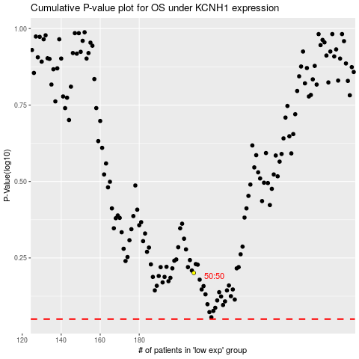

 |  |  |  |  |  | cases_OS | p_OS | rank | exp
 |  |  |  |  |  |  | cases_RFS | p_RFS | rank | exp

