KCNH2 _multivariate
Reported by Tex Li-Hsing Chi. tex@gate.sinica.edu.tw 2019-08-18

Table 2. The clinicopathological features of HNSCC cohort and KCNH2 expression. (Chi square test)
Cutoff at -0.254 (44.7%)
 |  | KCNH2 expression |  | KCNH2 expression |  | (Optimised)
 | Features | Low | (%) | High | (%) | Case no | P-value | Remark | Matthews
Gender | Female | 131 | 31.6 | 175 | 42.2 | 415 | 0.2706 | 0 | 0
2 | Male | 54 | 13 | 55 | 13.3
Age at diagnosis | <=65y | 117 | 28.2 | 157 | 37.8 | 415 | 0.3328 | 0 | 0
4 | >65y | 68 | 16.4 | 73 | 17.6
Clinical T Status | T1+T2 | 60 | 14.5 | 89 | 21.4 | 415 | 0.2228 | 0 | 0
6 | T3+T4 | 125 | 30.1 | 141 | 34
Clinical N Status | N0 | 95 | 22.9 | 121 | 29.2 | 415 | 0.876 | 0 | 0
8 | N1-3 | 90 | 21.7 | 109 | 26.3
Clinical M Status | M0 | 183 | 44.1 | 229 | 55.2 | 415 | 0.588 | 0 | 0
10 | M1 | 2 | 0.5 | 1 | 0.2
Clinical Stage | Stage I+II | 47 | 11.3 | 55 | 13.3 | 415 | 0.8132 | 0 | 0
12 | Stage III+IV | 138 | 33.3 | 175 | 42.2
Surgical Margin status | Negative | 139 | 33.5 | 179 | 43.1 | 415 | 0.5603 | 0 | 0
14 | Positive | 46 | 11.1 | 51 | 12.3
Tobacco Exposure | Low | 84 | 20.2 | 77 | 18.6 | 415 | 0.0151 | 1 | 0
16 | High | 101 | 24.3 | 153 | 36.9

Table 3. Univariate/Multivariate Cox's proportional hazards regression analyses on OS time of KCNH2 gene expression in HNSCC

 |  | Univariate |  |  |  | Multivariate
 | Features | HR | CI95%(L) | CI95%(H) | P-value | HR | CI95%(L) | CI95%(H) | P-value
1 | Female | 1 |  |  |  | 1
Gender | Male | 1.157 | 0.843 | 1.587 | 0.367 | 1.176 | 0.84 | 1.645 | 0.345
11 | <=65y | 1 |  |  |  | 1
Age at diagnosis | >65y | 1.329 | 0.99 | 1.784 | 0.058 | 1.386 | 1.02 | 1.884 | 0.037
12 | T1+T2 | 1 |  |  |  | 1
Clinical T Status | T3+T4 | 1.409 | 1.028 | 1.931 | 0.033 | 2.077 | 1.095 | 3.94 | 0.025
13 | N0 | 1 |  |  |  | 1
Clinical N Status | N1-3 | 1.185 | 0.89 | 1.577 | 0.246 | 1.219 | 0.854 | 1.74 | 0.274
14 | M0 | 1 |  |  |  | 1
Clinical M Status | M1 | 4.097 | 1.009 | 16.644 | 0.049 | 8.538 | 1.856 | 39.269 | 0.006
15 | Stage I+II | 1 |  |  |  | 1
Clinical Stage | Stage III+IV | 1.245 | 0.882 | 1.759 | 0.213 | 0.537 | 0.249 | 1.158 | 0.113
16 | Negative | 1 |  |  |  | 1
Surgical Margin status | Positive | 1.591 | 1.155 | 2.191 | 0.004 | 1.664 | 1.204 | 2.3 | 0.002
17 | Low | 1 |  |  |  | 1
Tobacco Exposure | High | 1.364 | 1.008 | 1.844 | 0.044 | 1.512 | 1.093 | 2.092 | 0.012
18 | Low | 1 |  |  |  | 1
RNAseq(z-score) | High | 0.744 | 0.559 | 0.991 | 0.043 | 0.759 | 0.567 | 1.017 | 0.065

Table 4. Univariate/Multivariate Cox's proportional hazards regression analyses on RFS time of KCNH2 gene expression in HNSCC

 |  | Univariate |  |  |  | Multivariate
 | Features | HR | CI95%(L) | CI95%(H) | P-value | HR | CI95%(L) | CI95%(H) | P-value
1 | Female | 1 |  |  |  | 1
Gender | Male | 1.157 | 0.843 | 1.587 | 0.367 | 1.176 | 0.84 | 1.645 | 0.345
11 | <=65y | 1 |  |  |  | 1
Age at diagnosis | >65y | 1.329 | 0.99 | 1.784 | 0.058 | 1.386 | 1.02 | 1.884 | 0.037
12 | T1+T2 | 1 |  |  |  | 1
Clinical T Status | T3+T4 | 1.409 | 1.028 | 1.931 | 0.033 | 2.077 | 1.095 | 3.94 | 0.025
13 | N0 | 1 |  |  |  | 1
Clinical N Status | N1-3 | 1.185 | 0.89 | 1.577 | 0.246 | 1.219 | 0.854 | 1.74 | 0.274
14 | M0 | 1 |  |  |  | 1
Clinical M Status | M1 | 4.097 | 1.009 | 16.644 | 0.049 | 8.538 | 1.856 | 39.269 | 0.006
15 | Stage I+II | 1 |  |  |  | 1
Clinical Stage | Stage III+IV | 1.245 | 0.882 | 1.759 | 0.213 | 0.537 | 0.249 | 1.158 | 0.113
16 | Negative | 1 |  |  |  | 1
Surgical Margin status | Positive | 1.591 | 1.155 | 2.191 | 0.004 | 1.664 | 1.204 | 2.3 | 0.002
17 | Low | 1 |  |  |  | 1
Tobacco Exposure | High | 1.364 | 1.008 | 1.844 | 0.044 | 1.512 | 1.093 | 2.092 | 0.012
18 | Low | 1 |  |  |  | 1
RNAseq(z-score) | High | 0.744 | 0.559 | 0.991 | 0.043 | 0.759 | 0.567 | 1.017 | 0.065

Kaplan-Meier survival estimate: Cutoff at -0.254 (44.7%)



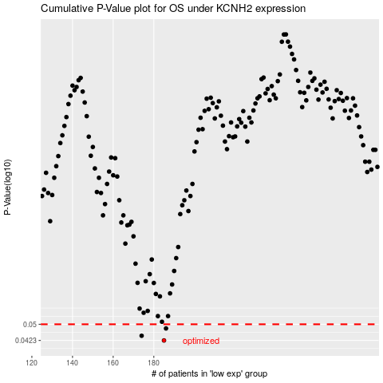

 |  |  |  |  |  | cases_OS | p_OS | rank | exp
 |  |  |  |  |  | 185 | 0.0423 | 299 | -0.25361879532
 |  |  |  |  |  | 174 | 0.0444 | 40 | -0.25850702742
 |  |  |  |  |  | 186 | 0.0479 | 104 | -0.25269396792
 |  |  |  |  |  |  | cases_RFS | p_RFS | rank | exp
 |  |  |  |  |  |  | 184 | 0.0423 | 90 | -0.25394421587
 |  |  |  |  |  |  | 173 | 0.0444 | 67 | -0.25905895649
 |  |  |  |  |  |  | 185 | 0.0479 | 299 | -0.25361879532

