KCNH3 _multivariate
Reported by Tex Li-Hsing Chi. tex@gate.sinica.edu.tw 2019-08-18

Table 2. The clinicopathological features of HNSCC cohort and KCNH3 expression. (Chi square test)
Cutoff at -0.239 (50.0%)
 |  | KCNH3 expression |  | KCNH3 expression |  | (Optimised)
 | Features | Low | (%) | High | (%) | Case no | P-value | Remark | Matthews
Gender | Female | 148 | 35.7 | 158 | 38.1 | 415 | 0.3567 | 0 | 0
2 | Male | 59 | 14.2 | 50 | 12
Age at diagnosis | <=65y | 138 | 33.3 | 136 | 32.8 | 415 | 0.8634 | 0 | 0
4 | >65y | 69 | 16.6 | 72 | 17.3
Clinical T Status | T1+T2 | 68 | 16.4 | 81 | 19.5 | 415 | 0.2336 | 0 | 0
6 | T3+T4 | 139 | 33.5 | 127 | 30.6
Clinical N Status | N0 | 110 | 26.5 | 106 | 25.5 | 415 | 0.7294 | 0 | 0
8 | N1-3 | 97 | 23.4 | 102 | 24.6
Clinical M Status | M0 | 207 | 49.9 | 205 | 49.4 | 415 | 0.2482 | 0 | 0
10 | M1 | 0 | 0 | 3 | 0.7
Clinical Stage | Stage I+II | 49 | 11.8 | 53 | 12.8 | 415 | 0.7535 | 0 | 0
12 | Stage III+IV | 158 | 38.1 | 155 | 37.3
Surgical Margin status | Negative | 150 | 36.1 | 168 | 40.5 | 415 | 0.0492 | 1 | 0
14 | Positive | 57 | 13.7 | 40 | 9.6
Tobacco Exposure | Low | 86 | 20.7 | 75 | 18.1 | 415 | 0.2687 | 0 | 0
16 | High | 121 | 29.2 | 133 | 32

Table 3. Univariate/Multivariate Cox's proportional hazards regression analyses on OS time of KCNH3 gene expression in HNSCC

 |  | Univariate |  |  |  | Multivariate
 | Features | HR | CI95%(L) | CI95%(H) | P-value | HR | CI95%(L) | CI95%(H) | P-value
1 | Female | 1 |  |  |  | 1
Gender | Male | 1.157 | 0.843 | 1.587 | 0.367 | 1.196 | 0.856 | 1.672 | 0.295
11 | <=65y | 1 |  |  |  | 1
Age at diagnosis | >65y | 1.329 | 0.99 | 1.784 | 0.058 | 1.398 | 1.027 | 1.902 | 0.033
12 | T1+T2 | 1 |  |  |  | 1
Clinical T Status | T3+T4 | 1.409 | 1.028 | 1.931 | 0.033 | 2.185 | 1.154 | 4.136 | 0.016
13 | N0 | 1 |  |  |  | 1
Clinical N Status | N1-3 | 1.185 | 0.89 | 1.577 | 0.246 | 1.245 | 0.872 | 1.777 | 0.228
14 | M0 | 1 |  |  |  | 1
Clinical M Status | M1 | 4.097 | 1.009 | 16.644 | 0.049 | 9.6 | 2.086 | 44.171 | 0.004
15 | Stage I+II | 1 |  |  |  | 1
Clinical Stage | Stage III+IV | 1.245 | 0.882 | 1.759 | 0.213 | 0.507 | 0.236 | 1.088 | 0.081
16 | Negative | 1 |  |  |  | 1
Surgical Margin status | Positive | 1.591 | 1.155 | 2.191 | 0.004 | 1.66 | 1.199 | 2.298 | 0.002
17 | Low | 1 |  |  |  | 1
Tobacco Exposure | High | 1.364 | 1.008 | 1.844 | 0.044 | 1.463 | 1.059 | 2.019 | 0.021
18 | Low | 1 |  |  |  | 1
RNAseq(z-score) | High | 0.947 | 0.71 | 1.264 | 0.711 | 0.945 | 0.703 | 1.271 | 0.71

Table 4. Univariate/Multivariate Cox's proportional hazards regression analyses on RFS time of KCNH3 gene expression in HNSCC

 |  | Univariate |  |  |  | Multivariate
 | Features | HR | CI95%(L) | CI95%(H) | P-value | HR | CI95%(L) | CI95%(H) | P-value
1 | Female | 1 |  |  |  | 1
Gender | Male | 1.157 | 0.843 | 1.587 | 0.367 | 1.196 | 0.856 | 1.672 | 0.295
11 | <=65y | 1 |  |  |  | 1
Age at diagnosis | >65y | 1.329 | 0.99 | 1.784 | 0.058 | 1.398 | 1.027 | 1.902 | 0.033
12 | T1+T2 | 1 |  |  |  | 1
Clinical T Status | T3+T4 | 1.409 | 1.028 | 1.931 | 0.033 | 2.185 | 1.154 | 4.136 | 0.016
13 | N0 | 1 |  |  |  | 1
Clinical N Status | N1-3 | 1.185 | 0.89 | 1.577 | 0.246 | 1.245 | 0.872 | 1.777 | 0.228
14 | M0 | 1 |  |  |  | 1
Clinical M Status | M1 | 4.097 | 1.009 | 16.644 | 0.049 | 9.6 | 2.086 | 44.171 | 0.004
15 | Stage I+II | 1 |  |  |  | 1
Clinical Stage | Stage III+IV | 1.245 | 0.882 | 1.759 | 0.213 | 0.507 | 0.236 | 1.088 | 0.081
16 | Negative | 1 |  |  |  | 1
Surgical Margin status | Positive | 1.591 | 1.155 | 2.191 | 0.004 | 1.66 | 1.199 | 2.298 | 0.002
17 | Low | 1 |  |  |  | 1
Tobacco Exposure | High | 1.364 | 1.008 | 1.844 | 0.044 | 1.463 | 1.059 | 2.019 | 0.021
18 | Low | 1 |  |  |  | 1
RNAseq(z-score) | High | 0.947 | 0.71 | 1.264 | 0.711 | 0.945 | 0.703 | 1.271 | 0.71

Kaplan-Meier survival estimate: Cutoff at -0.239 (50.0%)



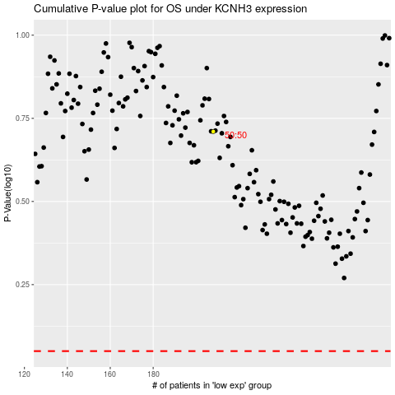

 |  |  |  |  |  | cases_OS | p_OS | rank | exp
 |  |  |  |  |  |  | cases_RFS | p_RFS | rank | exp

