KCNH4 _multivariate
Reported by Tex Li-Hsing Chi. tex@gate.sinica.edu.tw 2019-08-18

Table 2. The clinicopathological features of HNSCC cohort and KCNH4 expression. (Chi square test)
Cutoff at -0.35 (38.6%)
 |  | KCNH4 expression |  | KCNH4 expression |  | (Optimised)
 | Features | Low | (%) | High | (%) | Case no | P-value | Remark | Matthews
Gender | Female | 116 | 28 | 190 | 45.8 | 415 | 0.7352 | 0 | 0
2 | Male | 44 | 10.6 | 65 | 15.7
Age at diagnosis | <=65y | 102 | 24.6 | 172 | 41.4 | 415 | 0.5039 | 0 | 0
4 | >65y | 58 | 14 | 83 | 20
Clinical T Status | T1+T2 | 54 | 13 | 95 | 22.9 | 415 | 0.5357 | 0 | 0
6 | T3+T4 | 106 | 25.5 | 160 | 38.6
Clinical N Status | N0 | 81 | 19.5 | 135 | 32.5 | 415 | 0.7198 | 0 | 0
8 | N1-3 | 79 | 19 | 120 | 28.9
Clinical M Status | M0 | 160 | 38.6 | 252 | 60.7 | 415 | 0.2876 | 0 | 0
10 | M1 | 0 | 0 | 3 | 0.7
Clinical Stage | Stage I+II | 41 | 9.9 | 61 | 14.7 | 415 | 0.7832 | 0 | 0
12 | Stage III+IV | 119 | 28.7 | 194 | 46.7
Surgical Margin status | Negative | 118 | 28.4 | 200 | 48.2 | 415 | 0.2852 | 0 | 0
14 | Positive | 42 | 10.1 | 55 | 13.3
Tobacco Exposure | Low | 58 | 14 | 103 | 24.8 | 415 | 0.4098 | 0 | 0
16 | High | 102 | 24.6 | 152 | 36.6

Table 3. Univariate/Multivariate Cox's proportional hazards regression analyses on OS time of KCNH4 gene expression in HNSCC

 |  | Univariate |  |  |  | Multivariate
 | Features | HR | CI95%(L) | CI95%(H) | P-value | HR | CI95%(L) | CI95%(H) | P-value
1 | Female | 1 |  |  |  | 1
Gender | Male | 1.157 | 0.843 | 1.587 | 0.367 | 1.171 | 0.838 | 1.638 | 0.355
11 | <=65y | 1 |  |  |  | 1
Age at diagnosis | >65y | 1.329 | 0.99 | 1.784 | 0.058 | 1.384 | 1.018 | 1.883 | 0.038
12 | T1+T2 | 1 |  |  |  | 1
Clinical T Status | T3+T4 | 1.409 | 1.028 | 1.931 | 0.033 | 2.154 | 1.14 | 4.069 | 0.018
13 | N0 | 1 |  |  |  | 1
Clinical N Status | N1-3 | 1.185 | 0.89 | 1.577 | 0.246 | 1.237 | 0.866 | 1.766 | 0.242
14 | M0 | 1 |  |  |  | 1
Clinical M Status | M1 | 4.097 | 1.009 | 16.644 | 0.049 | 10.467 | 2.274 | 48.174 | 0.003
15 | Stage I+II | 1 |  |  |  | 1
Clinical Stage | Stage III+IV | 1.245 | 0.882 | 1.759 | 0.213 | 0.513 | 0.239 | 1.101 | 0.087
16 | Negative | 1 |  |  |  | 1
Surgical Margin status | Positive | 1.591 | 1.155 | 2.191 | 0.004 | 1.656 | 1.198 | 2.29 | 0.002
17 | Low | 1 |  |  |  | 1
Tobacco Exposure | High | 1.364 | 1.008 | 1.844 | 0.044 | 1.441 | 1.045 | 1.988 | 0.026
18 | Low | 1 |  |  |  | 1
RNAseq(z-score) | High | 0.705 | 0.529 | 0.94 | 0.017 | 0.733 | 0.549 | 0.98 | 0.036

Table 4. Univariate/Multivariate Cox's proportional hazards regression analyses on RFS time of KCNH4 gene expression in HNSCC

 |  | Univariate |  |  |  | Multivariate
 | Features | HR | CI95%(L) | CI95%(H) | P-value | HR | CI95%(L) | CI95%(H) | P-value
1 | Female | 1 |  |  |  | 1
Gender | Male | 1.157 | 0.843 | 1.587 | 0.367 | 1.171 | 0.838 | 1.638 | 0.355
11 | <=65y | 1 |  |  |  | 1
Age at diagnosis | >65y | 1.329 | 0.99 | 1.784 | 0.058 | 1.384 | 1.018 | 1.883 | 0.038
12 | T1+T2 | 1 |  |  |  | 1
Clinical T Status | T3+T4 | 1.409 | 1.028 | 1.931 | 0.033 | 2.154 | 1.14 | 4.069 | 0.018
13 | N0 | 1 |  |  |  | 1
Clinical N Status | N1-3 | 1.185 | 0.89 | 1.577 | 0.246 | 1.237 | 0.866 | 1.766 | 0.242
14 | M0 | 1 |  |  |  | 1
Clinical M Status | M1 | 4.097 | 1.009 | 16.644 | 0.049 | 10.467 | 2.274 | 48.174 | 0.003
15 | Stage I+II | 1 |  |  |  | 1
Clinical Stage | Stage III+IV | 1.245 | 0.882 | 1.759 | 0.213 | 0.513 | 0.239 | 1.101 | 0.087
16 | Negative | 1 |  |  |  | 1
Surgical Margin status | Positive | 1.591 | 1.155 | 2.191 | 0.004 | 1.656 | 1.198 | 2.29 | 0.002
17 | Low | 1 |  |  |  | 1
Tobacco Exposure | High | 1.364 | 1.008 | 1.844 | 0.044 | 1.441 | 1.045 | 1.988 | 0.026
18 | Low | 1 |  |  |  | 1
RNAseq(z-score) | High | 0.705 | 0.529 | 0.94 | 0.017 | 0.733 | 0.549 | 0.98 | 0.036

Kaplan-Meier survival estimate: Cutoff at -0.35 (38.6%)

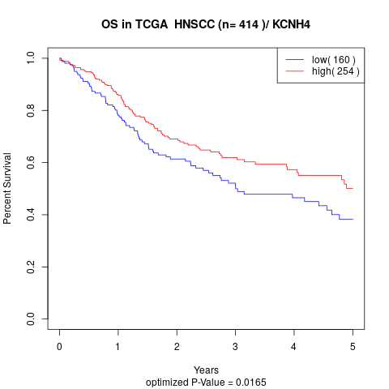

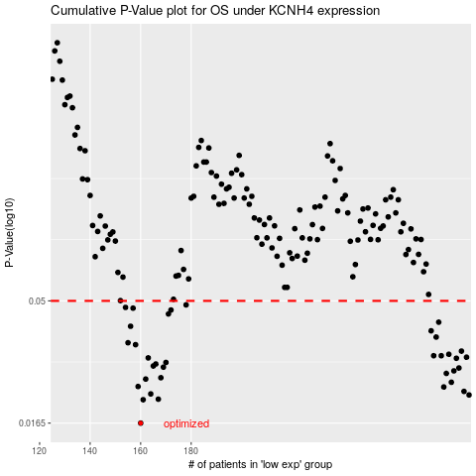

 |  |  |  |  |  | cases_OS | p_OS | rank | exp
 |  |  |  |  |  | 160 | 0.0165 | 95 | -0.34974425022
 |  |  |  |  |  | 161 | 0.0204 | 337 | -0.34945561516
 |  |  |  |  |  | 167 | 0.0205 | 93 | -0.34045020109
 |  |  |  |  |  | 290 | 0.0213 | 387 | -0.090122780765
 |  |  |  |  |  | 164 | 0.0215 | 121 | -0.34383300407
 |  |  |  |  |  | 288 | 0.022 | 111 | -0.093528674547
 |  |  |  |  |  | 280 | 0.0229 | 312 | -0.11502621429
 |  |  |  |  |  | 159 | 0.023 | 80 | -0.35142987901
 |  |  |  |  |  | 283 | 0.0239 | 147 | -0.10440444385
 |  |  |  |  |  | 162 | 0.0246 | 17 | -0.34595735815
 |  |  |  |  |  | 168 | 0.0249 | 395 | -0.33958429589
 |  |  |  |  |  | 281 | 0.0259 | 15 | -0.11498003268
 |  |  |  |  |  | 284 | 0.0265 | 8 | -0.10430053522
 |  |  |  |  |  | 286 | 0.0272 | 96 | -0.098666378728
 |  |  |  |  |  | 169 | 0.0274 | 315 | -0.33859139126
 |  |  |  |  |  | 165 | 0.0277 | 345 | -0.34341736957
 |  |  |  |  |  | 166 | 0.0282 | 66 | -0.34132765169
 |  |  |  |  |  | 170 | 0.0286 | 183 | -0.33563576818
 |  |  |  |  |  | 285 | 0.0297 | 279 | -0.099844009798
 |  |  |  |  |  | 163 | 0.0298 | 38 | -0.34491827192
 |  |  |  |  |  | 289 | 0.03 | 204 | -0.092466497503
 |  |  |  |  |  | 279 | 0.0304 | 258 | -0.11547648499
 |  |  |  |  |  | 276 | 0.0304 | 268 | -0.11888237877
 |  |  |  |  |  | 282 | 0.0308 | 206 | -0.11322513147
 |  |  |  |  |  | 287 | 0.0317 | 78 | -0.096796023498
 |  |  |  |  |  | 158 | 0.0336 | 274 | -0.35149915143
 |  |  |  |  |  | 155 | 0.0342 | 194 | -0.36250192016
 |  |  |  |  |  | 277 | 0.036 | 9 | -0.11663102526
 |  |  |  |  |  | 275 | 0.0381 | 405 | -0.13087805213
 |  |  |  |  |  | 156 | 0.0397 | 303 | -0.36040065687
 |  |  |  |  |  | 278 | 0.0412 | 221 | -0.11560348442
 |  |  |  |  |  | 171 | 0.0444 | 391 | -0.33459668194
 |  |  |  |  |  | 172 | 0.046 | 331 | -0.33383468537
 |  |  |  |  |  | 157 | 0.0468 | 276 | -0.35735267057
 |  |  |  |  |  | 154 | 0.0471 | 214 | -0.36449927481
 |  |  |  |  |  | 178 | 0.0482 | 44 | -0.33042879159
 |  |  |  |  |  |  | cases_RFS | p_RFS | rank | exp
 |  |  |  |  |  |  | 159 | 0.0165 | 80 | -0.35142987901
 |  |  |  |  |  |  | 160 | 0.0204 | 95 | -0.34974425022
 |  |  |  |  |  |  | 166 | 0.0205 | 66 | -0.34132765169
 |  |  |  |  |  |  | 289 | 0.0213 | 204 | -0.092466497503
 |  |  |  |  |  |  | 163 | 0.0215 | 38 | -0.34491827192
 |  |  |  |  |  |  | 287 | 0.022 | 78 | -0.096796023498
 |  |  |  |  |  |  | 279 | 0.0229 | 258 | -0.11547648499
 |  |  |  |  |  |  | 158 | 0.023 | 274 | -0.35149915143
 |  |  |  |  |  |  | 282 | 0.0239 | 206 | -0.11322513147
 |  |  |  |  |  |  | 161 | 0.0246 | 337 | -0.34945561516
 |  |  |  |  |  |  | 167 | 0.0249 | 93 | -0.34045020109
 |  |  |  |  |  |  | 280 | 0.0259 | 312 | -0.11502621429
 |  |  |  |  |  |  | 283 | 0.0265 | 147 | -0.10440444385
 |  |  |  |  |  |  | 285 | 0.0272 | 279 | -0.099844009798
 |  |  |  |  |  |  | 168 | 0.0274 | 395 | -0.33958429589
 |  |  |  |  |  |  | 164 | 0.0277 | 121 | -0.34383300407
 |  |  |  |  |  |  | 165 | 0.0282 | 345 | -0.34341736957
 |  |  |  |  |  |  | 169 | 0.0286 | 315 | -0.33859139126
 |  |  |  |  |  |  | 284 | 0.0297 | 8 | -0.10430053522
 |  |  |  |  |  |  | 162 | 0.0298 | 17 | -0.34595735815
 |  |  |  |  |  |  | 288 | 0.03 | 111 | -0.093528674547
 |  |  |  |  |  |  | 278 | 0.0304 | 221 | -0.11560348442
 |  |  |  |  |  |  | 275 | 0.0304 | 405 | -0.13087805213
 |  |  |  |  |  |  | 281 | 0.0308 | 15 | -0.11498003268
 |  |  |  |  |  |  | 286 | 0.0317 | 96 | -0.098666378728
 |  |  |  |  |  |  | 157 | 0.0336 | 276 | -0.35735267057
 |  |  |  |  |  |  | 154 | 0.0342 | 214 | -0.36449927481
 |  |  |  |  |  |  | 276 | 0.036 | 268 | -0.11888237877
 |  |  |  |  |  |  | 274 | 0.0381 | 191 | -0.138128565
 |  |  |  |  |  |  | 155 | 0.0397 | 194 | -0.36250192016
 |  |  |  |  |  |  | 277 | 0.0412 | 9 | -0.11663102526
 |  |  |  |  |  |  | 170 | 0.0444 | 183 | -0.33563576818
 |  |  |  |  |  |  | 171 | 0.046 | 391 | -0.33459668194
 |  |  |  |  |  |  | 156 | 0.0468 | 303 | -0.36040065687
 |  |  |  |  |  |  | 153 | 0.0471 | 138 | -0.36466091045
 |  |  |  |  |  |  | 177 | 0.0482 | 124 | -0.33089060769

