KCNIP3 _multivariate
Reported by Tex Li-Hsing Chi. tex@gate.sinica.edu.tw 2019-08-18

Table 2. The clinicopathological features of HNSCC cohort and KCNIP3 expression. (Chi square test)
Cutoff at -0.258 (49.8%)
 |  | KCNIP3 expression |  | KCNIP3 expression |  | (Optimised)
 | Features | Low | (%) | High | (%) | Case no | P-value | Remark | Matthews
Gender | Female | 146 | 35.2 | 160 | 38.6 | 415 | 0.1714 | 0 | 0
2 | Male | 61 | 14.7 | 48 | 11.6
Age at diagnosis | <=65y | 133 | 32 | 141 | 34 | 415 | 0.5111 | 0 | 0
4 | >65y | 74 | 17.8 | 67 | 16.1
Clinical T Status | T1+T2 | 77 | 18.6 | 72 | 17.3 | 415 | 0.6556 | 0 | 0
6 | T3+T4 | 130 | 31.3 | 136 | 32.8
Clinical N Status | N0 | 118 | 28.4 | 98 | 23.6 | 415 | 0.0551 | 1 | 0
8 | N1-3 | 89 | 21.4 | 110 | 26.5
Clinical M Status | M0 | 205 | 49.4 | 207 | 49.9 | 415 | 0.6232 | 0 | 0
10 | M1 | 2 | 0.5 | 1 | 0.2
Clinical Stage | Stage I+II | 58 | 14 | 44 | 10.6 | 415 | 0.131 | 0 | 0
12 | Stage III+IV | 149 | 35.9 | 164 | 39.5
Surgical Margin status | Negative | 168 | 40.5 | 150 | 36.1 | 415 | 0.0366 | 1 | 0
14 | Positive | 39 | 9.4 | 58 | 14
Tobacco Exposure | Low | 87 | 21 | 74 | 17.8 | 415 | 0.1911 | 0 | 0
16 | High | 120 | 28.9 | 134 | 32.3

Table 3. Univariate/Multivariate Cox's proportional hazards regression analyses on OS time of KCNIP3 gene expression in HNSCC

 |  | Univariate |  |  |  | Multivariate
 | Features | HR | CI95%(L) | CI95%(H) | P-value | HR | CI95%(L) | CI95%(H) | P-value
1 | Female | 1 |  |  |  | 1
Gender | Male | 1.157 | 0.843 | 1.587 | 0.367 | 1.198 | 0.857 | 1.674 | 0.29
11 | <=65y | 1 |  |  |  | 1
Age at diagnosis | >65y | 1.329 | 0.99 | 1.784 | 0.058 | 1.393 | 1.025 | 1.893 | 0.034
12 | T1+T2 | 1 |  |  |  | 1
Clinical T Status | T3+T4 | 1.409 | 1.028 | 1.931 | 0.033 | 2.198 | 1.163 | 4.157 | 0.015
13 | N0 | 1 |  |  |  | 1
Clinical N Status | N1-3 | 1.185 | 0.89 | 1.577 | 0.246 | 1.245 | 0.872 | 1.777 | 0.227
14 | M0 | 1 |  |  |  | 1
Clinical M Status | M1 | 4.097 | 1.009 | 16.644 | 0.049 | 9.321 | 2.032 | 42.753 | 0.004
15 | Stage I+II | 1 |  |  |  | 1
Clinical Stage | Stage III+IV | 1.245 | 0.882 | 1.759 | 0.213 | 0.508 | 0.236 | 1.091 | 0.082
16 | Negative | 1 |  |  |  | 1
Surgical Margin status | Positive | 1.591 | 1.155 | 2.191 | 0.004 | 1.687 | 1.217 | 2.34 | 0.002
17 | Low | 1 |  |  |  | 1
Tobacco Exposure | High | 1.364 | 1.008 | 1.844 | 0.044 | 1.456 | 1.056 | 2.007 | 0.022
18 | Low | 1 |  |  |  | 1
RNAseq(z-score) | High | 1.032 | 0.774 | 1.375 | 0.832 | 0.944 | 0.704 | 1.267 | 0.702

Table 4. Univariate/Multivariate Cox's proportional hazards regression analyses on RFS time of KCNIP3 gene expression in HNSCC

 |  | Univariate |  |  |  | Multivariate
 | Features | HR | CI95%(L) | CI95%(H) | P-value | HR | CI95%(L) | CI95%(H) | P-value
1 | Female | 1 |  |  |  | 1
Gender | Male | 1.157 | 0.843 | 1.587 | 0.367 | 1.198 | 0.857 | 1.674 | 0.29
11 | <=65y | 1 |  |  |  | 1
Age at diagnosis | >65y | 1.329 | 0.99 | 1.784 | 0.058 | 1.393 | 1.025 | 1.893 | 0.034
12 | T1+T2 | 1 |  |  |  | 1
Clinical T Status | T3+T4 | 1.409 | 1.028 | 1.931 | 0.033 | 2.198 | 1.163 | 4.157 | 0.015
13 | N0 | 1 |  |  |  | 1
Clinical N Status | N1-3 | 1.185 | 0.89 | 1.577 | 0.246 | 1.245 | 0.872 | 1.777 | 0.227
14 | M0 | 1 |  |  |  | 1
Clinical M Status | M1 | 4.097 | 1.009 | 16.644 | 0.049 | 9.321 | 2.032 | 42.753 | 0.004
15 | Stage I+II | 1 |  |  |  | 1
Clinical Stage | Stage III+IV | 1.245 | 0.882 | 1.759 | 0.213 | 0.508 | 0.236 | 1.091 | 0.082
16 | Negative | 1 |  |  |  | 1
Surgical Margin status | Positive | 1.591 | 1.155 | 2.191 | 0.004 | 1.687 | 1.217 | 2.34 | 0.002
17 | Low | 1 |  |  |  | 1
Tobacco Exposure | High | 1.364 | 1.008 | 1.844 | 0.044 | 1.456 | 1.056 | 2.007 | 0.022
18 | Low | 1 |  |  |  | 1
RNAseq(z-score) | High | 1.032 | 0.774 | 1.375 | 0.832 | 0.944 | 0.704 | 1.267 | 0.702

Kaplan-Meier survival estimate: Cutoff at -0.258 (49.8%)



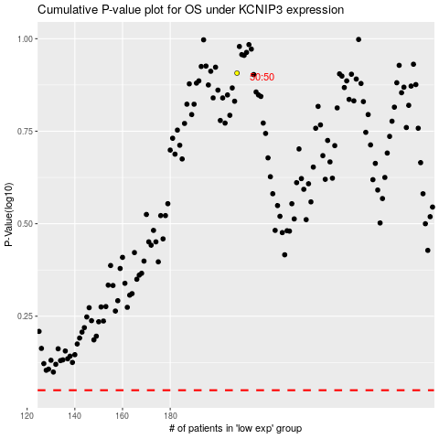

 |  |  |  |  |  | cases_OS | p_OS | rank | exp
 |  |  |  |  |  |  | cases_RFS | p_RFS | rank | exp

