KCNIP4 _multivariate
Reported by Tex Li-Hsing Chi. tex@gate.sinica.edu.tw 2019-08-18

Table 2. The clinicopathological features of HNSCC cohort and KCNIP4 expression. (Chi square test)
Cutoff at -0.207 (50.0%)
 |  | KCNIP4 expression |  | KCNIP4 expression |  | (Optimised)
 | Features | Low | (%) | High | (%) | Case no | P-value | Remark | Matthews
Gender | Female | 149 | 35.9 | 157 | 37.8 | 415 | 0.4848 | 0 | 0
2 | Male | 58 | 14 | 51 | 12.3
Age at diagnosis | <=65y | 131 | 31.6 | 143 | 34.5 | 415 | 0.2839 | 0 | 0
4 | >65y | 76 | 18.3 | 65 | 15.7
Clinical T Status | T1+T2 | 73 | 17.6 | 76 | 18.3 | 415 | 0.8666 | 0 | 0
6 | T3+T4 | 134 | 32.3 | 132 | 31.8
Clinical N Status | N0 | 106 | 25.5 | 110 | 26.5 | 415 | 0.8075 | 0 | 0
8 | N1-3 | 101 | 24.3 | 98 | 23.6
Clinical M Status | M0 | 204 | 49.2 | 208 | 50.1 | 415 | 0.1232 | 0 | 0
10 | M1 | 3 | 0.7 | 0 | 0
Clinical Stage | Stage I+II | 48 | 11.6 | 54 | 13 | 415 | 0.5878 | 0 | 0
12 | Stage III+IV | 159 | 38.3 | 154 | 37.1
Surgical Margin status | Negative | 158 | 38.1 | 160 | 38.6 | 415 | 0.9081 | 0 | 0
14 | Positive | 49 | 11.8 | 48 | 11.6
Tobacco Exposure | Low | 82 | 19.8 | 79 | 19 | 415 | 0.763 | 0 | 0
16 | High | 125 | 30.1 | 129 | 31.1

Table 3. Univariate/Multivariate Cox's proportional hazards regression analyses on OS time of KCNIP4 gene expression in HNSCC

 |  | Univariate |  |  |  | Multivariate
 | Features | HR | CI95%(L) | CI95%(H) | P-value | HR | CI95%(L) | CI95%(H) | P-value
1 | Female | 1 |  |  |  | 1
Gender | Male | 1.157 | 0.843 | 1.587 | 0.367 | 1.185 | 0.847 | 1.659 | 0.321
11 | <=65y | 1 |  |  |  | 1
Age at diagnosis | >65y | 1.329 | 0.99 | 1.784 | 0.058 | 1.385 | 1.019 | 1.883 | 0.037
12 | T1+T2 | 1 |  |  |  | 1
Clinical T Status | T3+T4 | 1.409 | 1.028 | 1.931 | 0.033 | 2.185 | 1.155 | 4.134 | 0.016
13 | N0 | 1 |  |  |  | 1
Clinical N Status | N1-3 | 1.185 | 0.89 | 1.577 | 0.246 | 1.249 | 0.875 | 1.782 | 0.221
14 | M0 | 1 |  |  |  | 1
Clinical M Status | M1 | 4.097 | 1.009 | 16.644 | 0.049 | 8.798 | 1.9 | 40.75 | 0.005
15 | Stage I+II | 1 |  |  |  | 1
Clinical Stage | Stage III+IV | 1.245 | 0.882 | 1.759 | 0.213 | 0.507 | 0.236 | 1.088 | 0.081
16 | Negative | 1 |  |  |  | 1
Surgical Margin status | Positive | 1.591 | 1.155 | 2.191 | 0.004 | 1.659 | 1.2 | 2.293 | 0.002
17 | Low | 1 |  |  |  | 1
Tobacco Exposure | High | 1.364 | 1.008 | 1.844 | 0.044 | 1.45 | 1.053 | 1.997 | 0.023
18 | Low | 1 |  |  |  | 1
RNAseq(z-score) | High | 0.838 | 0.628 | 1.119 | 0.232 | 0.898 | 0.67 | 1.204 | 0.473

Table 4. Univariate/Multivariate Cox's proportional hazards regression analyses on RFS time of KCNIP4 gene expression in HNSCC

 |  | Univariate |  |  |  | Multivariate
 | Features | HR | CI95%(L) | CI95%(H) | P-value | HR | CI95%(L) | CI95%(H) | P-value
1 | Female | 1 |  |  |  | 1
Gender | Male | 1.157 | 0.843 | 1.587 | 0.367 | 1.185 | 0.847 | 1.659 | 0.321
11 | <=65y | 1 |  |  |  | 1
Age at diagnosis | >65y | 1.329 | 0.99 | 1.784 | 0.058 | 1.385 | 1.019 | 1.883 | 0.037
12 | T1+T2 | 1 |  |  |  | 1
Clinical T Status | T3+T4 | 1.409 | 1.028 | 1.931 | 0.033 | 2.185 | 1.155 | 4.134 | 0.016
13 | N0 | 1 |  |  |  | 1
Clinical N Status | N1-3 | 1.185 | 0.89 | 1.577 | 0.246 | 1.249 | 0.875 | 1.782 | 0.221
14 | M0 | 1 |  |  |  | 1
Clinical M Status | M1 | 4.097 | 1.009 | 16.644 | 0.049 | 8.798 | 1.9 | 40.75 | 0.005
15 | Stage I+II | 1 |  |  |  | 1
Clinical Stage | Stage III+IV | 1.245 | 0.882 | 1.759 | 0.213 | 0.507 | 0.236 | 1.088 | 0.081
16 | Negative | 1 |  |  |  | 1
Surgical Margin status | Positive | 1.591 | 1.155 | 2.191 | 0.004 | 1.659 | 1.2 | 2.293 | 0.002
17 | Low | 1 |  |  |  | 1
Tobacco Exposure | High | 1.364 | 1.008 | 1.844 | 0.044 | 1.45 | 1.053 | 1.997 | 0.023
18 | Low | 1 |  |  |  | 1
RNAseq(z-score) | High | 0.838 | 0.628 | 1.119 | 0.232 | 0.898 | 0.67 | 1.204 | 0.473

Kaplan-Meier survival estimate: Cutoff at -0.207 (50.0%)



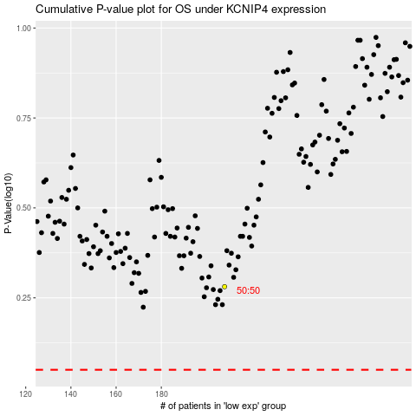

 |  |  |  |  |  | cases_OS | p_OS | rank | exp
 |  |  |  |  |  |  | cases_RFS | p_RFS | rank | exp

