KCNJ11 _multivariate
Reported by Tex Li-Hsing Chi. tex@gate.sinica.edu.tw 2019-08-18

Table 2. The clinicopathological features of HNSCC cohort and KCNJ11 expression. (Chi square test)
Cutoff at -0.308 (50.0%)
 |  | KCNJ11 expression |  | KCNJ11 expression |  | (Optimised)
 | Features | Low | (%) | High | (%) | Case no | P-value | Remark | Matthews
Gender | Female | 144 | 34.7 | 162 | 39 | 415 | 0.0697 | 0 | 0
2 | Male | 63 | 15.2 | 46 | 11.1
Age at diagnosis | <=65y | 123 | 29.6 | 151 | 36.4 | 415 | 0.0063 | 1 | 0
4 | >65y | 84 | 20.2 | 57 | 13.7
Clinical T Status | T1+T2 | 67 | 16.1 | 82 | 19.8 | 415 | 0.1628 | 0 | 0
6 | T3+T4 | 140 | 33.7 | 126 | 30.4
Clinical N Status | N0 | 113 | 27.2 | 103 | 24.8 | 415 | 0.3495 | 1 | 0
8 | N1-3 | 94 | 22.7 | 105 | 25.3
Clinical M Status | M0 | 205 | 49.4 | 207 | 49.9 | 415 | 0.6232 | 0 | 0
10 | M1 | 2 | 0.5 | 1 | 0.2
Clinical Stage | Stage I+II | 51 | 12.3 | 51 | 12.3 | 415 | 1 | 0 | 0
12 | Stage III+IV | 156 | 37.6 | 157 | 37.8
Surgical Margin status | Negative | 159 | 38.3 | 159 | 38.3 | 415 | 1 | 0 | 0
14 | Positive | 48 | 11.6 | 49 | 11.8
Tobacco Exposure | Low | 94 | 22.7 | 67 | 16.1 | 415 | 0.0065 | 1 | 0
16 | High | 113 | 27.2 | 141 | 34

Table 3. Univariate/Multivariate Cox's proportional hazards regression analyses on OS time of KCNJ11 gene expression in HNSCC

 |  | Univariate |  |  |  | Multivariate
 | Features | HR | CI95%(L) | CI95%(H) | P-value | HR | CI95%(L) | CI95%(H) | P-value
1 | Female | 1 |  |  |  | 1
Gender | Male | 1.157 | 0.843 | 1.587 | 0.367 | 1.193 | 0.854 | 1.668 | 0.3
11 | <=65y | 1 |  |  |  | 1
Age at diagnosis | >65y | 1.329 | 0.99 | 1.784 | 0.058 | 1.373 | 1.007 | 1.872 | 0.045
12 | T1+T2 | 1 |  |  |  | 1
Clinical T Status | T3+T4 | 1.409 | 1.028 | 1.931 | 0.033 | 2.174 | 1.148 | 4.116 | 0.017
13 | N0 | 1 |  |  |  | 1
Clinical N Status | N1-3 | 1.185 | 0.89 | 1.577 | 0.246 | 1.238 | 0.868 | 1.765 | 0.239
14 | M0 | 1 |  |  |  | 1
Clinical M Status | M1 | 4.097 | 1.009 | 16.644 | 0.049 | 9.169 | 1.996 | 42.115 | 0.004
15 | Stage I+II | 1 |  |  |  | 1
Clinical Stage | Stage III+IV | 1.245 | 0.882 | 1.759 | 0.213 | 0.515 | 0.239 | 1.109 | 0.09
16 | Negative | 1 |  |  |  | 1
Surgical Margin status | Positive | 1.591 | 1.155 | 2.191 | 0.004 | 1.666 | 1.206 | 2.303 | 0.002
17 | Low | 1 |  |  |  | 1
Tobacco Exposure | High | 1.364 | 1.008 | 1.844 | 0.044 | 1.47 | 1.064 | 2.03 | 0.019
18 | Low | 1 |  |  |  | 1
RNAseq(z-score) | High | 0.889 | 0.668 | 1.184 | 0.422 | 0.911 | 0.676 | 1.227 | 0.539

Table 4. Univariate/Multivariate Cox's proportional hazards regression analyses on RFS time of KCNJ11 gene expression in HNSCC

 |  | Univariate |  |  |  | Multivariate
 | Features | HR | CI95%(L) | CI95%(H) | P-value | HR | CI95%(L) | CI95%(H) | P-value
1 | Female | 1 |  |  |  | 1
Gender | Male | 1.157 | 0.843 | 1.587 | 0.367 | 1.193 | 0.854 | 1.668 | 0.3
11 | <=65y | 1 |  |  |  | 1
Age at diagnosis | >65y | 1.329 | 0.99 | 1.784 | 0.058 | 1.373 | 1.007 | 1.872 | 0.045
12 | T1+T2 | 1 |  |  |  | 1
Clinical T Status | T3+T4 | 1.409 | 1.028 | 1.931 | 0.033 | 2.174 | 1.148 | 4.116 | 0.017
13 | N0 | 1 |  |  |  | 1
Clinical N Status | N1-3 | 1.185 | 0.89 | 1.577 | 0.246 | 1.238 | 0.868 | 1.765 | 0.239
14 | M0 | 1 |  |  |  | 1
Clinical M Status | M1 | 4.097 | 1.009 | 16.644 | 0.049 | 9.169 | 1.996 | 42.115 | 0.004
15 | Stage I+II | 1 |  |  |  | 1
Clinical Stage | Stage III+IV | 1.245 | 0.882 | 1.759 | 0.213 | 0.515 | 0.239 | 1.109 | 0.09
16 | Negative | 1 |  |  |  | 1
Surgical Margin status | Positive | 1.591 | 1.155 | 2.191 | 0.004 | 1.666 | 1.206 | 2.303 | 0.002
17 | Low | 1 |  |  |  | 1
Tobacco Exposure | High | 1.364 | 1.008 | 1.844 | 0.044 | 1.47 | 1.064 | 2.03 | 0.019
18 | Low | 1 |  |  |  | 1
RNAseq(z-score) | High | 0.889 | 0.668 | 1.184 | 0.422 | 0.911 | 0.676 | 1.227 | 0.539

Kaplan-Meier survival estimate: Cutoff at -0.308 (50.0%)



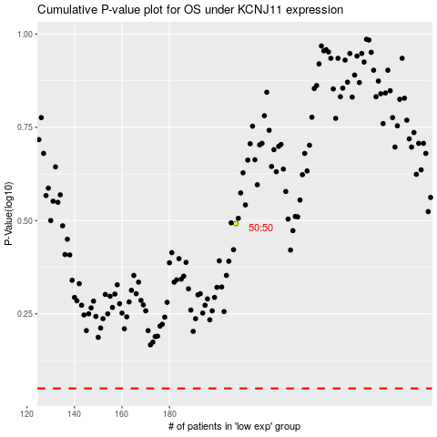

 |  |  |  |  |  | cases_OS | p_OS | rank | exp
 |  |  |  |  |  |  | cases_RFS | p_RFS | rank | exp

