KCNJ14 _multivariate
Reported by Tex Li-Hsing Chi. tex@gate.sinica.edu.tw 2019-08-18

Table 2. The clinicopathological features of HNSCC cohort and KCNJ14 expression. (Chi square test)
Cutoff at -0.273 (49.8%)
 |  | KCNJ14 expression |  | KCNJ14 expression |  | (Optimised)
 | Features | Low | (%) | High | (%) | Case no | P-value | Remark | Matthews
Gender | Female | 147 | 35.4 | 159 | 38.3 | 415 | 0.2523 | 0 | 0
2 | Male | 60 | 14.5 | 49 | 11.8
Age at diagnosis | <=65y | 141 | 34 | 133 | 32 | 415 | 0.4272 | 0 | 0
4 | >65y | 66 | 15.9 | 75 | 18.1
Clinical T Status | T1+T2 | 71 | 17.1 | 78 | 18.8 | 415 | 0.5638 | 0 | 0
6 | T3+T4 | 136 | 32.8 | 130 | 31.3
Clinical N Status | N0 | 99 | 23.9 | 117 | 28.2 | 415 | 0.1054 | 0 | 0
8 | N1-3 | 108 | 26 | 91 | 21.9
Clinical M Status | M0 | 206 | 49.6 | 206 | 49.6 | 415 | 1 | 0 | 0
10 | M1 | 1 | 0.2 | 2 | 0.5
Clinical Stage | Stage I+II | 46 | 11.1 | 56 | 13.5 | 415 | 0.3182 | 0 | 0
12 | Stage III+IV | 161 | 38.8 | 152 | 36.6
Surgical Margin status | Negative | 159 | 38.3 | 159 | 38.3 | 415 | 1 | 0 | 0
14 | Positive | 48 | 11.6 | 49 | 11.8
Tobacco Exposure | Low | 89 | 21.4 | 72 | 17.3 | 415 | 0.0872 | 0 | 0
16 | High | 118 | 28.4 | 136 | 32.8

Table 3. Univariate/Multivariate Cox's proportional hazards regression analyses on OS time of KCNJ14 gene expression in HNSCC

 |  | Univariate |  |  |  | Multivariate
 | Features | HR | CI95%(L) | CI95%(H) | P-value | HR | CI95%(L) | CI95%(H) | P-value
1 | Female | 1 |  |  |  | 1
Gender | Male | 1.157 | 0.843 | 1.587 | 0.367 | 1.203 | 0.862 | 1.678 | 0.277
11 | <=65y | 1 |  |  |  | 1
Age at diagnosis | >65y | 1.329 | 0.99 | 1.784 | 0.058 | 1.414 | 1.039 | 1.924 | 0.028
12 | T1+T2 | 1 |  |  |  | 1
Clinical T Status | T3+T4 | 1.409 | 1.028 | 1.931 | 0.033 | 2.231 | 1.179 | 4.22 | 0.014
13 | N0 | 1 |  |  |  | 1
Clinical N Status | N1-3 | 1.185 | 0.89 | 1.577 | 0.246 | 1.249 | 0.876 | 1.782 | 0.219
14 | M0 | 1 |  |  |  | 1
Clinical M Status | M1 | 4.097 | 1.009 | 16.644 | 0.049 | 9.643 | 2.101 | 44.252 | 0.004
15 | Stage I+II | 1 |  |  |  | 1
Clinical Stage | Stage III+IV | 1.245 | 0.882 | 1.759 | 0.213 | 0.493 | 0.23 | 1.06 | 0.07
16 | Negative | 1 |  |  |  | 1
Surgical Margin status | Positive | 1.591 | 1.155 | 2.191 | 0.004 | 1.686 | 1.219 | 2.33 | 0.002
17 | Low | 1 |  |  |  | 1
Tobacco Exposure | High | 1.364 | 1.008 | 1.844 | 0.044 | 1.473 | 1.068 | 2.032 | 0.018
18 | Low | 1 |  |  |  | 1
RNAseq(z-score) | High | 0.964 | 0.723 | 1.284 | 0.802 | 0.871 | 0.651 | 1.166 | 0.354

Table 4. Univariate/Multivariate Cox's proportional hazards regression analyses on RFS time of KCNJ14 gene expression in HNSCC

 |  | Univariate |  |  |  | Multivariate
 | Features | HR | CI95%(L) | CI95%(H) | P-value | HR | CI95%(L) | CI95%(H) | P-value
1 | Female | 1 |  |  |  | 1
Gender | Male | 1.157 | 0.843 | 1.587 | 0.367 | 1.203 | 0.862 | 1.678 | 0.277
11 | <=65y | 1 |  |  |  | 1
Age at diagnosis | >65y | 1.329 | 0.99 | 1.784 | 0.058 | 1.414 | 1.039 | 1.924 | 0.028
12 | T1+T2 | 1 |  |  |  | 1
Clinical T Status | T3+T4 | 1.409 | 1.028 | 1.931 | 0.033 | 2.231 | 1.179 | 4.22 | 0.014
13 | N0 | 1 |  |  |  | 1
Clinical N Status | N1-3 | 1.185 | 0.89 | 1.577 | 0.246 | 1.249 | 0.876 | 1.782 | 0.219
14 | M0 | 1 |  |  |  | 1
Clinical M Status | M1 | 4.097 | 1.009 | 16.644 | 0.049 | 9.643 | 2.101 | 44.252 | 0.004
15 | Stage I+II | 1 |  |  |  | 1
Clinical Stage | Stage III+IV | 1.245 | 0.882 | 1.759 | 0.213 | 0.493 | 0.23 | 1.06 | 0.07
16 | Negative | 1 |  |  |  | 1
Surgical Margin status | Positive | 1.591 | 1.155 | 2.191 | 0.004 | 1.686 | 1.219 | 2.33 | 0.002
17 | Low | 1 |  |  |  | 1
Tobacco Exposure | High | 1.364 | 1.008 | 1.844 | 0.044 | 1.473 | 1.068 | 2.032 | 0.018
18 | Low | 1 |  |  |  | 1
RNAseq(z-score) | High | 0.964 | 0.723 | 1.284 | 0.802 | 0.871 | 0.651 | 1.166 | 0.354

Kaplan-Meier survival estimate: Cutoff at -0.273 (49.8%)



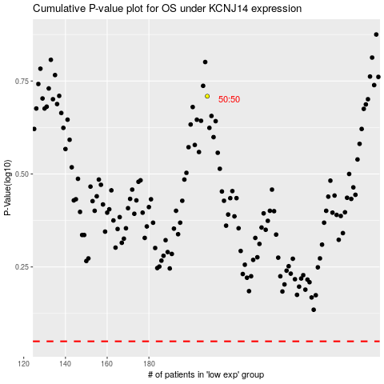

 |  |  |  |  |  | cases_OS | p_OS | rank | exp
 |  |  |  |  |  |  | cases_RFS | p_RFS | rank | exp

