KCNJ8 _multivariate
Reported by Tex Li-Hsing Chi. tex@gate.sinica.edu.tw 2019-08-18

Table 2. The clinicopathological features of HNSCC cohort and KCNJ8 expression. (Chi square test)
Cutoff at -0.196 (50.0%)
 |  | KCNJ8 expression |  | KCNJ8 expression |  | (Optimised)
 | Features | Low | (%) | High | (%) | Case no | P-value | Remark | Matthews
Gender | Female | 158 | 38.1 | 148 | 35.7 | 415 | 0.2774 | 0 | 0
2 | Male | 49 | 11.8 | 60 | 14.5
Age at diagnosis | <=65y | 137 | 33 | 137 | 33 | 415 | 1 | 0 | 0
4 | >65y | 70 | 16.9 | 71 | 17.1
Clinical T Status | T1+T2 | 80 | 19.3 | 69 | 16.6 | 415 | 0.2891 | 0 | 0
6 | T3+T4 | 127 | 30.6 | 139 | 33.5
Clinical N Status | N0 | 114 | 27.5 | 102 | 24.6 | 415 | 0.2576 | 1 | 0
8 | N1-3 | 93 | 22.4 | 106 | 25.5
Clinical M Status | M0 | 204 | 49.2 | 208 | 50.1 | 415 | 0.1232 | 0 | 0
10 | M1 | 3 | 0.7 | 0 | 0
Clinical Stage | Stage I+II | 53 | 12.8 | 49 | 11.8 | 415 | 0.7113 | 0 | 0
12 | Stage III+IV | 154 | 37.1 | 159 | 38.3
Surgical Margin status | Negative | 160 | 38.6 | 158 | 38.1 | 415 | 0.8167 | 0 | 0
14 | Positive | 47 | 11.3 | 50 | 12
Tobacco Exposure | Low | 83 | 20 | 78 | 18.8 | 415 | 0.6152 | 0 | 0
16 | High | 124 | 29.9 | 130 | 31.3

Table 3. Univariate/Multivariate Cox's proportional hazards regression analyses on OS time of KCNJ8 gene expression in HNSCC

 |  | Univariate |  |  |  | Multivariate
 | Features | HR | CI95%(L) | CI95%(H) | P-value | HR | CI95%(L) | CI95%(H) | P-value
1 | Female | 1 |  |  |  | 1
Gender | Male | 1.157 | 0.843 | 1.587 | 0.367 | 1.225 | 0.875 | 1.715 | 0.237
11 | <=65y | 1 |  |  |  | 1
Age at diagnosis | >65y | 1.329 | 0.99 | 1.784 | 0.058 | 1.377 | 1.013 | 1.871 | 0.041
12 | T1+T2 | 1 |  |  |  | 1
Clinical T Status | T3+T4 | 1.409 | 1.028 | 1.931 | 0.033 | 2.277 | 1.201 | 4.316 | 0.012
13 | N0 | 1 |  |  |  | 1
Clinical N Status | N1-3 | 1.185 | 0.89 | 1.577 | 0.246 | 1.268 | 0.888 | 1.812 | 0.192
14 | M0 | 1 |  |  |  | 1
Clinical M Status | M1 | 4.097 | 1.009 | 16.644 | 0.049 | 8.752 | 1.902 | 40.265 | 0.005
15 | Stage I+II | 1 |  |  |  | 1
Clinical Stage | Stage III+IV | 1.245 | 0.882 | 1.759 | 0.213 | 0.485 | 0.226 | 1.043 | 0.064
16 | Negative | 1 |  |  |  | 1
Surgical Margin status | Positive | 1.591 | 1.155 | 2.191 | 0.004 | 1.694 | 1.224 | 2.343 | 0.001
17 | Low | 1 |  |  |  | 1
Tobacco Exposure | High | 1.364 | 1.008 | 1.844 | 0.044 | 1.464 | 1.062 | 2.019 | 0.02
18 | Low | 1 |  |  |  | 1
RNAseq(z-score) | High | 0.861 | 0.646 | 1.147 | 0.306 | 0.816 | 0.609 | 1.093 | 0.173

Table 4. Univariate/Multivariate Cox's proportional hazards regression analyses on RFS time of KCNJ8 gene expression in HNSCC

 |  | Univariate |  |  |  | Multivariate
 | Features | HR | CI95%(L) | CI95%(H) | P-value | HR | CI95%(L) | CI95%(H) | P-value
1 | Female | 1 |  |  |  | 1
Gender | Male | 1.157 | 0.843 | 1.587 | 0.367 | 1.225 | 0.875 | 1.715 | 0.237
11 | <=65y | 1 |  |  |  | 1
Age at diagnosis | >65y | 1.329 | 0.99 | 1.784 | 0.058 | 1.377 | 1.013 | 1.871 | 0.041
12 | T1+T2 | 1 |  |  |  | 1
Clinical T Status | T3+T4 | 1.409 | 1.028 | 1.931 | 0.033 | 2.277 | 1.201 | 4.316 | 0.012
13 | N0 | 1 |  |  |  | 1
Clinical N Status | N1-3 | 1.185 | 0.89 | 1.577 | 0.246 | 1.268 | 0.888 | 1.812 | 0.192
14 | M0 | 1 |  |  |  | 1
Clinical M Status | M1 | 4.097 | 1.009 | 16.644 | 0.049 | 8.752 | 1.902 | 40.265 | 0.005
15 | Stage I+II | 1 |  |  |  | 1
Clinical Stage | Stage III+IV | 1.245 | 0.882 | 1.759 | 0.213 | 0.485 | 0.226 | 1.043 | 0.064
16 | Negative | 1 |  |  |  | 1
Surgical Margin status | Positive | 1.591 | 1.155 | 2.191 | 0.004 | 1.694 | 1.224 | 2.343 | 0.001
17 | Low | 1 |  |  |  | 1
Tobacco Exposure | High | 1.364 | 1.008 | 1.844 | 0.044 | 1.464 | 1.062 | 2.019 | 0.02
18 | Low | 1 |  |  |  | 1
RNAseq(z-score) | High | 0.861 | 0.646 | 1.147 | 0.306 | 0.816 | 0.609 | 1.093 | 0.173

Kaplan-Meier survival estimate: Cutoff at -0.196 (50.0%)



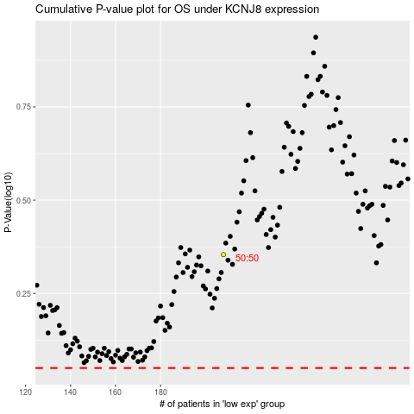

 |  |  |  |  |  | cases_OS | p_OS | rank | exp
 |  |  |  |  |  |  | cases_RFS | p_RFS | rank | exp

