KCNK1 _multivariate
Reported by Tex Li-Hsing Chi. tex@gate.sinica.edu.tw 2019-08-18

Table 2. The clinicopathological features of HNSCC cohort and KCNK1 expression. (Chi square test)
Cutoff at -0.156 (50.0%)
 |  | KCNK1 expression |  | KCNK1 expression |  | (Optimised)
 | Features | Low | (%) | High | (%) | Case no | P-value | Remark | Matthews
Gender | Female | 151 | 36.4 | 155 | 37.3 | 415 | 0.8007 | 0 | 0
2 | Male | 56 | 13.5 | 53 | 12.8
Age at diagnosis | <=65y | 138 | 33.3 | 136 | 32.8 | 415 | 0.8634 | 0 | 0
4 | >65y | 69 | 16.6 | 72 | 17.3
Clinical T Status | T1+T2 | 87 | 21 | 62 | 14.9 | 415 | 0.0127 | 1 | 0
6 | T3+T4 | 120 | 28.9 | 146 | 35.2
Clinical N Status | N0 | 105 | 25.3 | 111 | 26.7 | 415 | 0.6598 | 0 | 0
8 | N1-3 | 102 | 24.6 | 97 | 23.4
Clinical M Status | M0 | 205 | 49.4 | 207 | 49.9 | 415 | 0.6232 | 0 | 0
10 | M1 | 2 | 0.5 | 1 | 0.2
Clinical Stage | Stage I+II | 62 | 14.9 | 40 | 9.6 | 415 | 0.0154 | 1 | 0
12 | Stage III+IV | 145 | 34.9 | 168 | 40.5
Surgical Margin status | Negative | 156 | 37.6 | 162 | 39 | 415 | 0.5636 | 0 | 0
14 | Positive | 51 | 12.3 | 46 | 11.1
Tobacco Exposure | Low | 98 | 23.6 | 63 | 15.2 | 415 | 4e-04 | 1 | 0
16 | High | 109 | 26.3 | 145 | 34.9

Table 3. Univariate/Multivariate Cox's proportional hazards regression analyses on OS time of KCNK1 gene expression in HNSCC

 |  | Univariate |  |  |  | Multivariate
 | Features | HR | CI95%(L) | CI95%(H) | P-value | HR | CI95%(L) | CI95%(H) | P-value
1 | Female | 1 |  |  |  | 1
Gender | Male | 1.157 | 0.843 | 1.587 | 0.367 | 1.214 | 0.867 | 1.699 | 0.258
11 | <=65y | 1 |  |  |  | 1
Age at diagnosis | >65y | 1.329 | 0.99 | 1.784 | 0.058 | 1.397 | 1.027 | 1.9 | 0.033
12 | T1+T2 | 1 |  |  |  | 1
Clinical T Status | T3+T4 | 1.409 | 1.028 | 1.931 | 0.033 | 2.197 | 1.162 | 4.155 | 0.015
13 | N0 | 1 |  |  |  | 1
Clinical N Status | N1-3 | 1.185 | 0.89 | 1.577 | 0.246 | 1.223 | 0.854 | 1.75 | 0.271
14 | M0 | 1 |  |  |  | 1
Clinical M Status | M1 | 4.097 | 1.009 | 16.644 | 0.049 | 9.316 | 2.031 | 42.722 | 0.004
15 | Stage I+II | 1 |  |  |  | 1
Clinical Stage | Stage III+IV | 1.245 | 0.882 | 1.759 | 0.213 | 0.523 | 0.242 | 1.131 | 0.099
16 | Negative | 1 |  |  |  | 1
Surgical Margin status | Positive | 1.591 | 1.155 | 2.191 | 0.004 | 1.655 | 1.196 | 2.289 | 0.002
17 | Low | 1 |  |  |  | 1
Tobacco Exposure | High | 1.364 | 1.008 | 1.844 | 0.044 | 1.481 | 1.069 | 2.052 | 0.018
18 | Low | 1 |  |  |  | 1
RNAseq(z-score) | High | 0.962 | 0.721 | 1.284 | 0.793 | 0.904 | 0.667 | 1.226 | 0.516

Table 4. Univariate/Multivariate Cox's proportional hazards regression analyses on RFS time of KCNK1 gene expression in HNSCC

 |  | Univariate |  |  |  | Multivariate
 | Features | HR | CI95%(L) | CI95%(H) | P-value | HR | CI95%(L) | CI95%(H) | P-value
1 | Female | 1 |  |  |  | 1
Gender | Male | 1.157 | 0.843 | 1.587 | 0.367 | 1.214 | 0.867 | 1.699 | 0.258
11 | <=65y | 1 |  |  |  | 1
Age at diagnosis | >65y | 1.329 | 0.99 | 1.784 | 0.058 | 1.397 | 1.027 | 1.9 | 0.033
12 | T1+T2 | 1 |  |  |  | 1
Clinical T Status | T3+T4 | 1.409 | 1.028 | 1.931 | 0.033 | 2.197 | 1.162 | 4.155 | 0.015
13 | N0 | 1 |  |  |  | 1
Clinical N Status | N1-3 | 1.185 | 0.89 | 1.577 | 0.246 | 1.223 | 0.854 | 1.75 | 0.271
14 | M0 | 1 |  |  |  | 1
Clinical M Status | M1 | 4.097 | 1.009 | 16.644 | 0.049 | 9.316 | 2.031 | 42.722 | 0.004
15 | Stage I+II | 1 |  |  |  | 1
Clinical Stage | Stage III+IV | 1.245 | 0.882 | 1.759 | 0.213 | 0.523 | 0.242 | 1.131 | 0.099
16 | Negative | 1 |  |  |  | 1
Surgical Margin status | Positive | 1.591 | 1.155 | 2.191 | 0.004 | 1.655 | 1.196 | 2.289 | 0.002
17 | Low | 1 |  |  |  | 1
Tobacco Exposure | High | 1.364 | 1.008 | 1.844 | 0.044 | 1.481 | 1.069 | 2.052 | 0.018
18 | Low | 1 |  |  |  | 1
RNAseq(z-score) | High | 0.962 | 0.721 | 1.284 | 0.793 | 0.904 | 0.667 | 1.226 | 0.516

Kaplan-Meier survival estimate: Cutoff at -0.156 (50.0%)



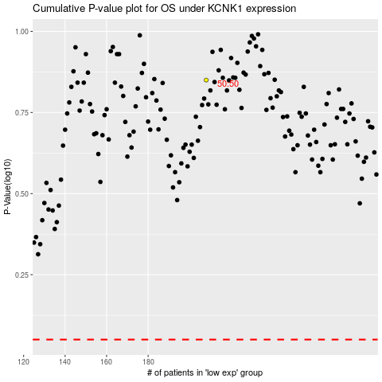

 |  |  |  |  |  | cases_OS | p_OS | rank | exp
 |  |  |  |  |  |  | cases_RFS | p_RFS | rank | exp

