KCNK13 _multivariate
Reported by Tex Li-Hsing Chi. tex@gate.sinica.edu.tw 2019-08-18

Table 2. The clinicopathological features of HNSCC cohort and KCNK13 expression. (Chi square test)
Cutoff at -0.219 (49.8%)
 |  | KCNK13 expression |  | KCNK13 expression |  | (Optimised)
 | Features | Low | (%) | High | (%) | Case no | P-value | Remark | Matthews
Gender | Female | 157 | 37.8 | 149 | 35.9 | 415 | 0.3881 | 0 | 0
2 | Male | 50 | 12 | 59 | 14.2
Age at diagnosis | <=65y | 139 | 33.5 | 135 | 32.5 | 415 | 0.7044 | 0 | 0
4 | >65y | 68 | 16.4 | 73 | 17.6
Clinical T Status | T1+T2 | 79 | 19 | 70 | 16.9 | 415 | 0.3924 | 0 | 0
6 | T3+T4 | 128 | 30.8 | 138 | 33.3
Clinical N Status | N0 | 106 | 25.5 | 110 | 26.5 | 415 | 0.8075 | 0 | 0
8 | N1-3 | 101 | 24.3 | 98 | 23.6
Clinical M Status | M0 | 206 | 49.6 | 206 | 49.6 | 415 | 1 | 0 | 0
10 | M1 | 1 | 0.2 | 2 | 0.5
Clinical Stage | Stage I+II | 53 | 12.8 | 49 | 11.8 | 415 | 0.7113 | 0 | 0
12 | Stage III+IV | 154 | 37.1 | 159 | 38.3
Surgical Margin status | Negative | 151 | 36.4 | 167 | 40.2 | 415 | 0.0828 | 0 | 0
14 | Positive | 56 | 13.5 | 41 | 9.9
Tobacco Exposure | Low | 77 | 18.6 | 84 | 20.2 | 415 | 0.5459 | 0 | 0
16 | High | 130 | 31.3 | 124 | 29.9

Table 3. Univariate/Multivariate Cox's proportional hazards regression analyses on OS time of KCNK13 gene expression in HNSCC

 |  | Univariate |  |  |  | Multivariate
 | Features | HR | CI95%(L) | CI95%(H) | P-value | HR | CI95%(L) | CI95%(H) | P-value
1 | Female | 1 |  |  |  | 1
Gender | Male | 1.157 | 0.843 | 1.587 | 0.367 | 1.202 | 0.861 | 1.679 | 0.28
11 | <=65y | 1 |  |  |  | 1
Age at diagnosis | >65y | 1.329 | 0.99 | 1.784 | 0.058 | 1.389 | 1.022 | 1.889 | 0.036
12 | T1+T2 | 1 |  |  |  | 1
Clinical T Status | T3+T4 | 1.409 | 1.028 | 1.931 | 0.033 | 2.189 | 1.156 | 4.145 | 0.016
13 | N0 | 1 |  |  |  | 1
Clinical N Status | N1-3 | 1.185 | 0.89 | 1.577 | 0.246 | 1.243 | 0.871 | 1.775 | 0.23
14 | M0 | 1 |  |  |  | 1
Clinical M Status | M1 | 4.097 | 1.009 | 16.644 | 0.049 | 9.251 | 2.008 | 42.61 | 0.004
15 | Stage I+II | 1 |  |  |  | 1
Clinical Stage | Stage III+IV | 1.245 | 0.882 | 1.759 | 0.213 | 0.504 | 0.235 | 1.083 | 0.079
16 | Negative | 1 |  |  |  | 1
Surgical Margin status | Positive | 1.591 | 1.155 | 2.191 | 0.004 | 1.674 | 1.211 | 2.313 | 0.002
17 | Low | 1 |  |  |  | 1
Tobacco Exposure | High | 1.364 | 1.008 | 1.844 | 0.044 | 1.457 | 1.057 | 2.008 | 0.022
18 | Low | 1 |  |  |  | 1
RNAseq(z-score) | High | 1.072 | 0.805 | 1.428 | 0.635 | 1.041 | 0.777 | 1.393 | 0.789

Table 4. Univariate/Multivariate Cox's proportional hazards regression analyses on RFS time of KCNK13 gene expression in HNSCC

 |  | Univariate |  |  |  | Multivariate
 | Features | HR | CI95%(L) | CI95%(H) | P-value | HR | CI95%(L) | CI95%(H) | P-value
1 | Female | 1 |  |  |  | 1
Gender | Male | 1.157 | 0.843 | 1.587 | 0.367 | 1.202 | 0.861 | 1.679 | 0.28
11 | <=65y | 1 |  |  |  | 1
Age at diagnosis | >65y | 1.329 | 0.99 | 1.784 | 0.058 | 1.389 | 1.022 | 1.889 | 0.036
12 | T1+T2 | 1 |  |  |  | 1
Clinical T Status | T3+T4 | 1.409 | 1.028 | 1.931 | 0.033 | 2.189 | 1.156 | 4.145 | 0.016
13 | N0 | 1 |  |  |  | 1
Clinical N Status | N1-3 | 1.185 | 0.89 | 1.577 | 0.246 | 1.243 | 0.871 | 1.775 | 0.23
14 | M0 | 1 |  |  |  | 1
Clinical M Status | M1 | 4.097 | 1.009 | 16.644 | 0.049 | 9.251 | 2.008 | 42.61 | 0.004
15 | Stage I+II | 1 |  |  |  | 1
Clinical Stage | Stage III+IV | 1.245 | 0.882 | 1.759 | 0.213 | 0.504 | 0.235 | 1.083 | 0.079
16 | Negative | 1 |  |  |  | 1
Surgical Margin status | Positive | 1.591 | 1.155 | 2.191 | 0.004 | 1.674 | 1.211 | 2.313 | 0.002
17 | Low | 1 |  |  |  | 1
Tobacco Exposure | High | 1.364 | 1.008 | 1.844 | 0.044 | 1.457 | 1.057 | 2.008 | 0.022
18 | Low | 1 |  |  |  | 1
RNAseq(z-score) | High | 1.072 | 0.805 | 1.428 | 0.635 | 1.041 | 0.777 | 1.393 | 0.789

Kaplan-Meier survival estimate: Cutoff at -0.219 (49.8%)

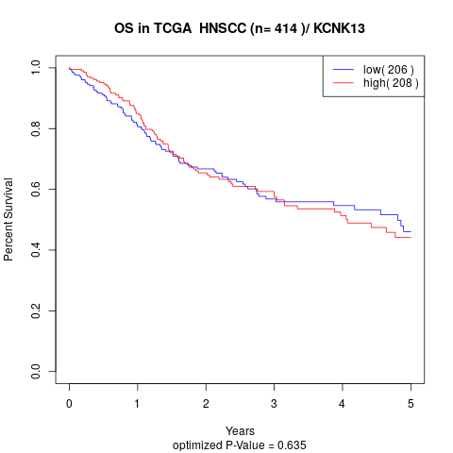

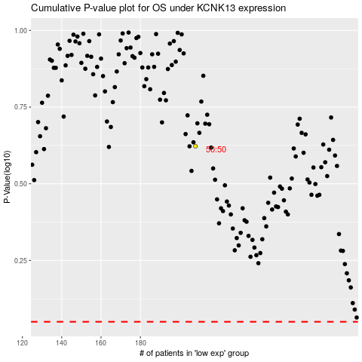

 |  |  |  |  |  | cases_OS | p_OS | rank | exp
 |  |  |  |  |  |  | cases_RFS | p_RFS | rank | exp

