KCNK15 _multivariate
Reported by Tex Li-Hsing Chi. tex@gate.sinica.edu.tw 2019-08-18

Table 2. The clinicopathological features of HNSCC cohort and KCNK15 expression. (Chi square test)
Cutoff at -0.274 (49.8%)
 |  | KCNK15 expression |  | KCNK15 expression |  | (Optimised)
 | Features | Low | (%) | High | (%) | Case no | P-value | Remark | Matthews
Gender | Female | 149 | 35.9 | 157 | 37.8 | 415 | 0.4848 | 0 | 0
2 | Male | 58 | 14 | 51 | 12.3
Age at diagnosis | <=65y | 144 | 34.7 | 130 | 31.3 | 415 | 0.1568 | 0 | 0
4 | >65y | 63 | 15.2 | 78 | 18.8
Clinical T Status | T1+T2 | 85 | 20.5 | 64 | 15.4 | 415 | 0.0372 | 1 | 0
6 | T3+T4 | 122 | 29.4 | 144 | 34.7
Clinical N Status | N0 | 105 | 25.3 | 111 | 26.7 | 415 | 0.6598 | 0 | 0
8 | N1-3 | 102 | 24.6 | 97 | 23.4
Clinical M Status | M0 | 205 | 49.4 | 207 | 49.9 | 415 | 0.6232 | 0 | 0
10 | M1 | 2 | 0.5 | 1 | 0.2
Clinical Stage | Stage I+II | 60 | 14.5 | 42 | 10.1 | 415 | 0.0493 | 1 | 0
12 | Stage III+IV | 147 | 35.4 | 166 | 40
Surgical Margin status | Negative | 160 | 38.6 | 158 | 38.1 | 415 | 0.8167 | 0 | 0
14 | Positive | 47 | 11.3 | 50 | 12
Tobacco Exposure | Low | 88 | 21.2 | 73 | 17.6 | 415 | 0.1314 | 0 | 0
16 | High | 119 | 28.7 | 135 | 32.5

Table 3. Univariate/Multivariate Cox's proportional hazards regression analyses on OS time of KCNK15 gene expression in HNSCC

 |  | Univariate |  |  |  | Multivariate
 | Features | HR | CI95%(L) | CI95%(H) | P-value | HR | CI95%(L) | CI95%(H) | P-value
1 | Female | 1 |  |  |  | 1
Gender | Male | 1.157 | 0.843 | 1.587 | 0.367 | 1.205 | 0.863 | 1.684 | 0.274
11 | <=65y | 1 |  |  |  | 1
Age at diagnosis | >65y | 1.329 | 0.99 | 1.784 | 0.058 | 1.375 | 1.008 | 1.874 | 0.044
12 | T1+T2 | 1 |  |  |  | 1
Clinical T Status | T3+T4 | 1.409 | 1.028 | 1.931 | 0.033 | 2.18 | 1.153 | 4.125 | 0.017
13 | N0 | 1 |  |  |  | 1
Clinical N Status | N1-3 | 1.185 | 0.89 | 1.577 | 0.246 | 1.248 | 0.874 | 1.782 | 0.223
14 | M0 | 1 |  |  |  | 1
Clinical M Status | M1 | 4.097 | 1.009 | 16.644 | 0.049 | 9.38 | 2.047 | 42.988 | 0.004
15 | Stage I+II | 1 |  |  |  | 1
Clinical Stage | Stage III+IV | 1.245 | 0.882 | 1.759 | 0.213 | 0.499 | 0.232 | 1.071 | 0.075
16 | Negative | 1 |  |  |  | 1
Surgical Margin status | Positive | 1.591 | 1.155 | 2.191 | 0.004 | 1.657 | 1.197 | 2.292 | 0.002
17 | Low | 1 |  |  |  | 1
Tobacco Exposure | High | 1.364 | 1.008 | 1.844 | 0.044 | 1.441 | 1.045 | 1.988 | 0.026
18 | Low | 1 |  |  |  | 1
RNAseq(z-score) | High | 1.232 | 0.924 | 1.642 | 0.155 | 1.091 | 0.81 | 1.47 | 0.566

Table 4. Univariate/Multivariate Cox's proportional hazards regression analyses on RFS time of KCNK15 gene expression in HNSCC

 |  | Univariate |  |  |  | Multivariate
 | Features | HR | CI95%(L) | CI95%(H) | P-value | HR | CI95%(L) | CI95%(H) | P-value
1 | Female | 1 |  |  |  | 1
Gender | Male | 1.157 | 0.843 | 1.587 | 0.367 | 1.205 | 0.863 | 1.684 | 0.274
11 | <=65y | 1 |  |  |  | 1
Age at diagnosis | >65y | 1.329 | 0.99 | 1.784 | 0.058 | 1.375 | 1.008 | 1.874 | 0.044
12 | T1+T2 | 1 |  |  |  | 1
Clinical T Status | T3+T4 | 1.409 | 1.028 | 1.931 | 0.033 | 2.18 | 1.153 | 4.125 | 0.017
13 | N0 | 1 |  |  |  | 1
Clinical N Status | N1-3 | 1.185 | 0.89 | 1.577 | 0.246 | 1.248 | 0.874 | 1.782 | 0.223
14 | M0 | 1 |  |  |  | 1
Clinical M Status | M1 | 4.097 | 1.009 | 16.644 | 0.049 | 9.38 | 2.047 | 42.988 | 0.004
15 | Stage I+II | 1 |  |  |  | 1
Clinical Stage | Stage III+IV | 1.245 | 0.882 | 1.759 | 0.213 | 0.499 | 0.232 | 1.071 | 0.075
16 | Negative | 1 |  |  |  | 1
Surgical Margin status | Positive | 1.591 | 1.155 | 2.191 | 0.004 | 1.657 | 1.197 | 2.292 | 0.002
17 | Low | 1 |  |  |  | 1
Tobacco Exposure | High | 1.364 | 1.008 | 1.844 | 0.044 | 1.441 | 1.045 | 1.988 | 0.026
18 | Low | 1 |  |  |  | 1
RNAseq(z-score) | High | 1.232 | 0.924 | 1.642 | 0.155 | 1.091 | 0.81 | 1.47 | 0.566

Kaplan-Meier survival estimate: Cutoff at -0.274 (49.8%)



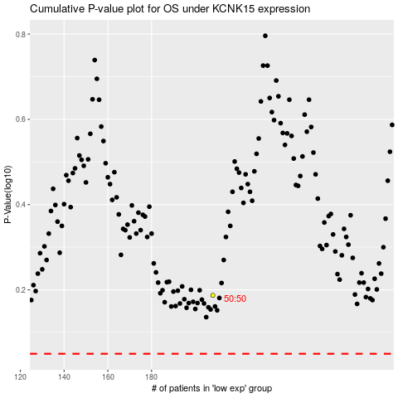

 |  |  |  |  |  | cases_OS | p_OS | rank | exp
 |  |  |  |  |  |  | cases_RFS | p_RFS | rank | exp

