KCNK17 _multivariate
Reported by Tex Li-Hsing Chi. tex@gate.sinica.edu.tw 2019-08-18

Table 2. The clinicopathological features of HNSCC cohort and KCNK17 expression. (Chi square test)
Cutoff at -0.256 (49.8%)
 |  | KCNK17 expression |  | KCNK17 expression |  | (Optimised)
 | Features | Low | (%) | High | (%) | Case no | P-value | Remark | Matthews
Gender | Female | 156 | 37.6 | 150 | 36.1 | 415 | 0.5222 | 0 | 0
2 | Male | 51 | 12.3 | 58 | 14
Age at diagnosis | <=65y | 138 | 33.3 | 136 | 32.8 | 415 | 0.8634 | 0 | 0
4 | >65y | 69 | 16.6 | 72 | 17.3
Clinical T Status | T1+T2 | 74 | 17.8 | 75 | 18.1 | 415 | 1 | 0 | 0
6 | T3+T4 | 133 | 32 | 133 | 32
Clinical N Status | N0 | 96 | 23.1 | 120 | 28.9 | 415 | 0.0272 | 1 | 0
8 | N1-3 | 111 | 26.7 | 88 | 21.2
Clinical M Status | M0 | 204 | 49.2 | 208 | 50.1 | 415 | 0.1232 | 0 | 0
10 | M1 | 3 | 0.7 | 0 | 0
Clinical Stage | Stage I+II | 46 | 11.1 | 56 | 13.5 | 415 | 0.3182 | 0 | 0
12 | Stage III+IV | 161 | 38.8 | 152 | 36.6
Surgical Margin status | Negative | 155 | 37.3 | 163 | 39.3 | 415 | 0.4187 | 0 | 0
14 | Positive | 52 | 12.5 | 45 | 10.8
Tobacco Exposure | Low | 69 | 16.6 | 92 | 22.2 | 415 | 0.0266 | 1 | 0
16 | High | 138 | 33.3 | 116 | 28

Table 3. Univariate/Multivariate Cox's proportional hazards regression analyses on OS time of KCNK17 gene expression in HNSCC

 |  | Univariate |  |  |  | Multivariate
 | Features | HR | CI95%(L) | CI95%(H) | P-value | HR | CI95%(L) | CI95%(H) | P-value
1 | Female | 1 |  |  |  | 1
Gender | Male | 1.157 | 0.843 | 1.587 | 0.367 | 1.201 | 0.86 | 1.679 | 0.282
11 | <=65y | 1 |  |  |  | 1
Age at diagnosis | >65y | 1.329 | 0.99 | 1.784 | 0.058 | 1.392 | 1.023 | 1.895 | 0.035
12 | T1+T2 | 1 |  |  |  | 1
Clinical T Status | T3+T4 | 1.409 | 1.028 | 1.931 | 0.033 | 2.202 | 1.164 | 4.164 | 0.015
13 | N0 | 1 |  |  |  | 1
Clinical N Status | N1-3 | 1.185 | 0.89 | 1.577 | 0.246 | 1.242 | 0.869 | 1.775 | 0.235
14 | M0 | 1 |  |  |  | 1
Clinical M Status | M1 | 4.097 | 1.009 | 16.644 | 0.049 | 9.425 | 2.048 | 43.369 | 0.004
15 | Stage I+II | 1 |  |  |  | 1
Clinical Stage | Stage III+IV | 1.245 | 0.882 | 1.759 | 0.213 | 0.505 | 0.235 | 1.084 | 0.079
16 | Negative | 1 |  |  |  | 1
Surgical Margin status | Positive | 1.591 | 1.155 | 2.191 | 0.004 | 1.671 | 1.209 | 2.31 | 0.002
17 | Low | 1 |  |  |  | 1
Tobacco Exposure | High | 1.364 | 1.008 | 1.844 | 0.044 | 1.454 | 1.054 | 2.005 | 0.023
18 | Low | 1 |  |  |  | 1
RNAseq(z-score) | High | 0.964 | 0.724 | 1.285 | 0.805 | 1.005 | 0.75 | 1.348 | 0.972

Table 4. Univariate/Multivariate Cox's proportional hazards regression analyses on RFS time of KCNK17 gene expression in HNSCC

 |  | Univariate |  |  |  | Multivariate
 | Features | HR | CI95%(L) | CI95%(H) | P-value | HR | CI95%(L) | CI95%(H) | P-value
1 | Female | 1 |  |  |  | 1
Gender | Male | 1.157 | 0.843 | 1.587 | 0.367 | 1.201 | 0.86 | 1.679 | 0.282
11 | <=65y | 1 |  |  |  | 1
Age at diagnosis | >65y | 1.329 | 0.99 | 1.784 | 0.058 | 1.392 | 1.023 | 1.895 | 0.035
12 | T1+T2 | 1 |  |  |  | 1
Clinical T Status | T3+T4 | 1.409 | 1.028 | 1.931 | 0.033 | 2.202 | 1.164 | 4.164 | 0.015
13 | N0 | 1 |  |  |  | 1
Clinical N Status | N1-3 | 1.185 | 0.89 | 1.577 | 0.246 | 1.242 | 0.869 | 1.775 | 0.235
14 | M0 | 1 |  |  |  | 1
Clinical M Status | M1 | 4.097 | 1.009 | 16.644 | 0.049 | 9.425 | 2.048 | 43.369 | 0.004
15 | Stage I+II | 1 |  |  |  | 1
Clinical Stage | Stage III+IV | 1.245 | 0.882 | 1.759 | 0.213 | 0.505 | 0.235 | 1.084 | 0.079
16 | Negative | 1 |  |  |  | 1
Surgical Margin status | Positive | 1.591 | 1.155 | 2.191 | 0.004 | 1.671 | 1.209 | 2.31 | 0.002
17 | Low | 1 |  |  |  | 1
Tobacco Exposure | High | 1.364 | 1.008 | 1.844 | 0.044 | 1.454 | 1.054 | 2.005 | 0.023
18 | Low | 1 |  |  |  | 1
RNAseq(z-score) | High | 0.964 | 0.724 | 1.285 | 0.805 | 1.005 | 0.75 | 1.348 | 0.972

Kaplan-Meier survival estimate: Cutoff at -0.256 (49.8%)



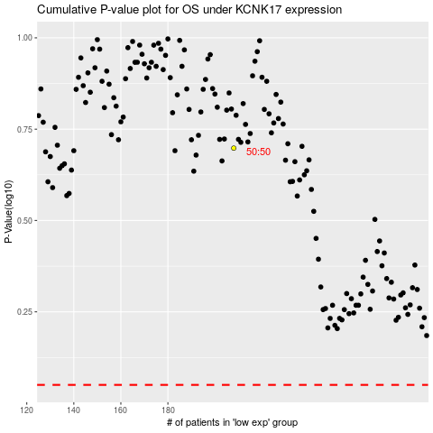

 |  |  |  |  |  | cases_OS | p_OS | rank | exp
 |  |  |  |  |  |  | cases_RFS | p_RFS | rank | exp

