KCNK5 _multivariate
Reported by Tex Li-Hsing Chi. tex@gate.sinica.edu.tw 2019-08-18

Table 2. The clinicopathological features of HNSCC cohort and KCNK5 expression. (Chi square test)
Cutoff at -0.246 (49.8%)
 |  | KCNK5 expression |  | KCNK5 expression |  | (Optimised)
 | Features | Low | (%) | High | (%) | Case no | P-value | Remark | Matthews
Gender | Female | 155 | 37.3 | 151 | 36.4 | 415 | 0.6768 | 0 | 0
2 | Male | 52 | 12.5 | 57 | 13.7
Age at diagnosis | <=65y | 137 | 33 | 137 | 33 | 415 | 1 | 0 | 0
4 | >65y | 70 | 16.9 | 71 | 17.1
Clinical T Status | T1+T2 | 69 | 16.6 | 80 | 19.3 | 415 | 0.3239 | 0 | 0
6 | T3+T4 | 138 | 33.3 | 128 | 30.8
Clinical N Status | N0 | 104 | 25.1 | 112 | 27 | 415 | 0.5243 | 0 | 0
8 | N1-3 | 103 | 24.8 | 96 | 23.1
Clinical M Status | M0 | 205 | 49.4 | 207 | 49.9 | 415 | 0.6232 | 0 | 0
10 | M1 | 2 | 0.5 | 1 | 0.2
Clinical Stage | Stage I+II | 44 | 10.6 | 58 | 14 | 415 | 0.1459 | 0 | 0
12 | Stage III+IV | 163 | 39.3 | 150 | 36.1
Surgical Margin status | Negative | 159 | 38.3 | 159 | 38.3 | 415 | 1 | 0 | 0
14 | Positive | 48 | 11.6 | 49 | 11.8
Tobacco Exposure | Low | 83 | 20 | 78 | 18.8 | 415 | 0.6152 | 0 | 0
16 | High | 124 | 29.9 | 130 | 31.3

Table 3. Univariate/Multivariate Cox's proportional hazards regression analyses on OS time of KCNK5 gene expression in HNSCC

 |  | Univariate |  |  |  | Multivariate
 | Features | HR | CI95%(L) | CI95%(H) | P-value | HR | CI95%(L) | CI95%(H) | P-value
1 | Female | 1 |  |  |  | 1
Gender | Male | 1.157 | 0.843 | 1.587 | 0.367 | 1.201 | 0.86 | 1.678 | 0.282
11 | <=65y | 1 |  |  |  | 1
Age at diagnosis | >65y | 1.329 | 0.99 | 1.784 | 0.058 | 1.389 | 1.02 | 1.89 | 0.037
12 | T1+T2 | 1 |  |  |  | 1
Clinical T Status | T3+T4 | 1.409 | 1.028 | 1.931 | 0.033 | 2.203 | 1.165 | 4.166 | 0.015
13 | N0 | 1 |  |  |  | 1
Clinical N Status | N1-3 | 1.185 | 0.89 | 1.577 | 0.246 | 1.24 | 0.869 | 1.769 | 0.235
14 | M0 | 1 |  |  |  | 1
Clinical M Status | M1 | 4.097 | 1.009 | 16.644 | 0.049 | 9.416 | 2.054 | 43.167 | 0.004
15 | Stage I+II | 1 |  |  |  | 1
Clinical Stage | Stage III+IV | 1.245 | 0.882 | 1.759 | 0.213 | 0.506 | 0.236 | 1.087 | 0.081
16 | Negative | 1 |  |  |  | 1
Surgical Margin status | Positive | 1.591 | 1.155 | 2.191 | 0.004 | 1.667 | 1.205 | 2.308 | 0.002
17 | Low | 1 |  |  |  | 1
Tobacco Exposure | High | 1.364 | 1.008 | 1.844 | 0.044 | 1.451 | 1.052 | 2 | 0.023
18 | Low | 1 |  |  |  | 1
RNAseq(z-score) | High | 1.096 | 0.823 | 1.46 | 0.532 | 1.022 | 0.763 | 1.368 | 0.884

Table 4. Univariate/Multivariate Cox's proportional hazards regression analyses on RFS time of KCNK5 gene expression in HNSCC

 |  | Univariate |  |  |  | Multivariate
 | Features | HR | CI95%(L) | CI95%(H) | P-value | HR | CI95%(L) | CI95%(H) | P-value
1 | Female | 1 |  |  |  | 1
Gender | Male | 1.157 | 0.843 | 1.587 | 0.367 | 1.201 | 0.86 | 1.678 | 0.282
11 | <=65y | 1 |  |  |  | 1
Age at diagnosis | >65y | 1.329 | 0.99 | 1.784 | 0.058 | 1.389 | 1.02 | 1.89 | 0.037
12 | T1+T2 | 1 |  |  |  | 1
Clinical T Status | T3+T4 | 1.409 | 1.028 | 1.931 | 0.033 | 2.203 | 1.165 | 4.166 | 0.015
13 | N0 | 1 |  |  |  | 1
Clinical N Status | N1-3 | 1.185 | 0.89 | 1.577 | 0.246 | 1.24 | 0.869 | 1.769 | 0.235
14 | M0 | 1 |  |  |  | 1
Clinical M Status | M1 | 4.097 | 1.009 | 16.644 | 0.049 | 9.416 | 2.054 | 43.167 | 0.004
15 | Stage I+II | 1 |  |  |  | 1
Clinical Stage | Stage III+IV | 1.245 | 0.882 | 1.759 | 0.213 | 0.506 | 0.236 | 1.087 | 0.081
16 | Negative | 1 |  |  |  | 1
Surgical Margin status | Positive | 1.591 | 1.155 | 2.191 | 0.004 | 1.667 | 1.205 | 2.308 | 0.002
17 | Low | 1 |  |  |  | 1
Tobacco Exposure | High | 1.364 | 1.008 | 1.844 | 0.044 | 1.451 | 1.052 | 2 | 0.023
18 | Low | 1 |  |  |  | 1
RNAseq(z-score) | High | 1.096 | 0.823 | 1.46 | 0.532 | 1.022 | 0.763 | 1.368 | 0.884

Kaplan-Meier survival estimate: Cutoff at -0.246 (49.8%)



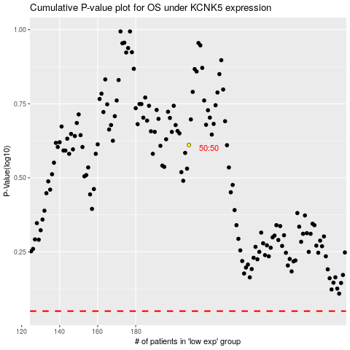

 |  |  |  |  |  | cases_OS | p_OS | rank | exp
 |  |  |  |  |  |  | cases_RFS | p_RFS | rank | exp

