KCNK6 _multivariate
Reported by Tex Li-Hsing Chi. tex@gate.sinica.edu.tw 2019-08-18

Table 2. The clinicopathological features of HNSCC cohort and KCNK6 expression. (Chi square test)
Cutoff at -0.471 (34.8%)
 |  | KCNK6 expression |  | KCNK6 expression |  | (Optimised)
 | Features | Low | (%) | High | (%) | Case no | P-value | Remark | Matthews
Gender | Female | 116 | 28 | 190 | 45.8 | 415 | 0.0289 | 1 | 0
2 | Male | 28 | 6.7 | 81 | 19.5
Age at diagnosis | <=65y | 97 | 23.4 | 177 | 42.7 | 415 | 0.7563 | 0 | 0
4 | >65y | 47 | 11.3 | 94 | 22.7
Clinical T Status | T1+T2 | 59 | 14.2 | 90 | 21.7 | 415 | 0.1439 | 0 | 0
6 | T3+T4 | 85 | 20.5 | 181 | 43.6
Clinical N Status | N0 | 69 | 16.6 | 147 | 35.4 | 415 | 0.2606 | 0 | 0
8 | N1-3 | 75 | 18.1 | 124 | 29.9
Clinical M Status | M0 | 143 | 34.5 | 269 | 64.8 | 415 | 1 | 0 | 0
10 | M1 | 1 | 0.2 | 2 | 0.5
Clinical Stage | Stage I+II | 35 | 8.4 | 67 | 16.1 | 415 | 1 | 0 | 0
12 | Stage III+IV | 109 | 26.3 | 204 | 49.2
Surgical Margin status | Negative | 105 | 25.3 | 213 | 51.3 | 415 | 0.2231 | 0 | 0
14 | Positive | 39 | 9.4 | 58 | 14
Tobacco Exposure | Low | 43 | 10.4 | 118 | 28.4 | 415 | 0.008 | 1 | 0
16 | High | 101 | 24.3 | 153 | 36.9

Table 3. Univariate/Multivariate Cox's proportional hazards regression analyses on OS time of KCNK6 gene expression in HNSCC

 |  | Univariate |  |  |  | Multivariate
 | Features | HR | CI95%(L) | CI95%(H) | P-value | HR | CI95%(L) | CI95%(H) | P-value
1 | Female | 1 |  |  |  | 1
Gender | Male | 1.157 | 0.843 | 1.587 | 0.367 | 1.252 | 0.894 | 1.752 | 0.19
11 | <=65y | 1 |  |  |  | 1
Age at diagnosis | >65y | 1.329 | 0.99 | 1.784 | 0.058 | 1.385 | 1.02 | 1.882 | 0.037
12 | T1+T2 | 1 |  |  |  | 1
Clinical T Status | T3+T4 | 1.409 | 1.028 | 1.931 | 0.033 | 2.321 | 1.225 | 4.396 | 0.01
13 | N0 | 1 |  |  |  | 1
Clinical N Status | N1-3 | 1.185 | 0.89 | 1.577 | 0.246 | 1.215 | 0.851 | 1.737 | 0.284
14 | M0 | 1 |  |  |  | 1
Clinical M Status | M1 | 4.097 | 1.009 | 16.644 | 0.049 | 10.544 | 2.291 | 48.527 | 0.002
15 | Stage I+II | 1 |  |  |  | 1
Clinical Stage | Stage III+IV | 1.245 | 0.882 | 1.759 | 0.213 | 0.483 | 0.225 | 1.038 | 0.062
16 | Negative | 1 |  |  |  | 1
Surgical Margin status | Positive | 1.591 | 1.155 | 2.191 | 0.004 | 1.636 | 1.183 | 2.263 | 0.003
17 | Low | 1 |  |  |  | 1
Tobacco Exposure | High | 1.364 | 1.008 | 1.844 | 0.044 | 1.403 | 1.018 | 1.934 | 0.039
18 | Low | 1 |  |  |  | 1
RNAseq(z-score) | High | 0.732 | 0.545 | 0.982 | 0.038 | 0.722 | 0.534 | 0.977 | 0.035

Table 4. Univariate/Multivariate Cox's proportional hazards regression analyses on RFS time of KCNK6 gene expression in HNSCC

 |  | Univariate |  |  |  | Multivariate
 | Features | HR | CI95%(L) | CI95%(H) | P-value | HR | CI95%(L) | CI95%(H) | P-value
1 | Female | 1 |  |  |  | 1
Gender | Male | 1.157 | 0.843 | 1.587 | 0.367 | 1.252 | 0.894 | 1.752 | 0.19
11 | <=65y | 1 |  |  |  | 1
Age at diagnosis | >65y | 1.329 | 0.99 | 1.784 | 0.058 | 1.385 | 1.02 | 1.882 | 0.037
12 | T1+T2 | 1 |  |  |  | 1
Clinical T Status | T3+T4 | 1.409 | 1.028 | 1.931 | 0.033 | 2.321 | 1.225 | 4.396 | 0.01
13 | N0 | 1 |  |  |  | 1
Clinical N Status | N1-3 | 1.185 | 0.89 | 1.577 | 0.246 | 1.215 | 0.851 | 1.737 | 0.284
14 | M0 | 1 |  |  |  | 1
Clinical M Status | M1 | 4.097 | 1.009 | 16.644 | 0.049 | 10.544 | 2.291 | 48.527 | 0.002
15 | Stage I+II | 1 |  |  |  | 1
Clinical Stage | Stage III+IV | 1.245 | 0.882 | 1.759 | 0.213 | 0.483 | 0.225 | 1.038 | 0.062
16 | Negative | 1 |  |  |  | 1
Surgical Margin status | Positive | 1.591 | 1.155 | 2.191 | 0.004 | 1.636 | 1.183 | 2.263 | 0.003
17 | Low | 1 |  |  |  | 1
Tobacco Exposure | High | 1.364 | 1.008 | 1.844 | 0.044 | 1.403 | 1.018 | 1.934 | 0.039
18 | Low | 1 |  |  |  | 1
RNAseq(z-score) | High | 0.732 | 0.545 | 0.982 | 0.038 | 0.722 | 0.534 | 0.977 | 0.035

Kaplan-Meier survival estimate: Cutoff at -0.471 (34.8%)



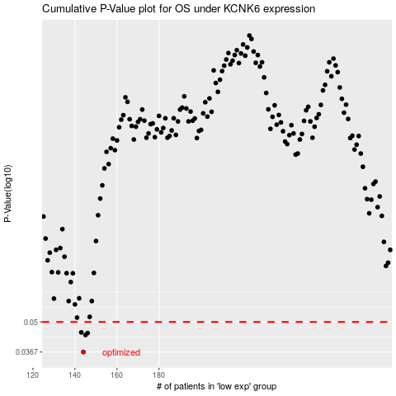

 |  |  |  |  |  | cases_OS | p_OS | rank | exp
 |  |  |  |  |  | 144 | 0.0367 | 335 | -0.47116611358
 |  |  |  |  |  | 145 | 0.0437 | 28 | -0.470062257
 |  |  |  |  |  | 146 | 0.0446 | 311 | -0.46974980864
 |  |  |  |  |  | 143 | 0.0449 | 203 | -0.47299056315
 |  |  |  |  |  |  | cases_RFS | p_RFS | rank | exp
 |  |  |  |  |  |  | 143 | 0.0367 | 203 | -0.47299056315
 |  |  |  |  |  |  | 144 | 0.0437 | 335 | -0.47116611358
 |  |  |  |  |  |  | 145 | 0.0446 | 28 | -0.470062257
 |  |  |  |  |  |  | 142 | 0.0449 | 99 | -0.47846901565

