KCNMB1 _multivariate
Reported by Tex Li-Hsing Chi. tex@gate.sinica.edu.tw 2019-08-18

Table 2. The clinicopathological features of HNSCC cohort and KCNMB1 expression. (Chi square test)
Cutoff at -0.236 (49.8%)
 |  | KCNMB1 expression |  | KCNMB1 expression |  | (Optimised)
 | Features | Low | (%) | High | (%) | Case no | P-value | Remark | Matthews
Gender | Female | 163 | 39.3 | 143 | 34.5 | 415 | 0.0277 | 1 | 0
2 | Male | 44 | 10.6 | 65 | 15.7
Age at diagnosis | <=65y | 142 | 34.2 | 132 | 31.8 | 415 | 0.3167 | 0 | 0
4 | >65y | 65 | 15.7 | 76 | 18.3
Clinical T Status | T1+T2 | 65 | 15.7 | 84 | 20.2 | 415 | 0.0711 | 0 | 0
6 | T3+T4 | 142 | 34.2 | 124 | 29.9
Clinical N Status | N0 | 111 | 26.7 | 105 | 25.3 | 415 | 0.5875 | 0 | 0
8 | N1-3 | 96 | 23.1 | 103 | 24.8
Clinical M Status | M0 | 205 | 49.4 | 207 | 49.9 | 415 | 0.6232 | 0 | 0
10 | M1 | 2 | 0.5 | 1 | 0.2
Clinical Stage | Stage I+II | 44 | 10.6 | 58 | 14 | 415 | 0.1459 | 0 | 0
12 | Stage III+IV | 163 | 39.3 | 150 | 36.1
Surgical Margin status | Negative | 160 | 38.6 | 158 | 38.1 | 415 | 0.8167 | 0 | 0
14 | Positive | 47 | 11.3 | 50 | 12
Tobacco Exposure | Low | 64 | 15.4 | 97 | 23.4 | 415 | 0.0012 | 1 | 0
16 | High | 143 | 34.5 | 111 | 26.7

Table 3. Univariate/Multivariate Cox's proportional hazards regression analyses on OS time of KCNMB1 gene expression in HNSCC

 |  | Univariate |  |  |  | Multivariate
 | Features | HR | CI95%(L) | CI95%(H) | P-value | HR | CI95%(L) | CI95%(H) | P-value
1 | Female | 1 |  |  |  | 1
Gender | Male | 1.157 | 0.843 | 1.587 | 0.367 | 1.207 | 0.864 | 1.686 | 0.271
11 | <=65y | 1 |  |  |  | 1
Age at diagnosis | >65y | 1.329 | 0.99 | 1.784 | 0.058 | 1.399 | 1.03 | 1.902 | 0.032
12 | T1+T2 | 1 |  |  |  | 1
Clinical T Status | T3+T4 | 1.409 | 1.028 | 1.931 | 0.033 | 2.188 | 1.157 | 4.137 | 0.016
13 | N0 | 1 |  |  |  | 1
Clinical N Status | N1-3 | 1.185 | 0.89 | 1.577 | 0.246 | 1.256 | 0.879 | 1.795 | 0.211
14 | M0 | 1 |  |  |  | 1
Clinical M Status | M1 | 4.097 | 1.009 | 16.644 | 0.049 | 9.225 | 2.01 | 42.33 | 0.004
15 | Stage I+II | 1 |  |  |  | 1
Clinical Stage | Stage III+IV | 1.245 | 0.882 | 1.759 | 0.213 | 0.5 | 0.233 | 1.074 | 0.076
16 | Negative | 1 |  |  |  | 1
Surgical Margin status | Positive | 1.591 | 1.155 | 2.191 | 0.004 | 1.679 | 1.215 | 2.321 | 0.002
17 | Low | 1 |  |  |  | 1
Tobacco Exposure | High | 1.364 | 1.008 | 1.844 | 0.044 | 1.431 | 1.036 | 1.978 | 0.03
18 | Low | 1 |  |  |  | 1
RNAseq(z-score) | High | 0.893 | 0.668 | 1.193 | 0.444 | 0.906 | 0.672 | 1.222 | 0.517

Table 4. Univariate/Multivariate Cox's proportional hazards regression analyses on RFS time of KCNMB1 gene expression in HNSCC

 |  | Univariate |  |  |  | Multivariate
 | Features | HR | CI95%(L) | CI95%(H) | P-value | HR | CI95%(L) | CI95%(H) | P-value
1 | Female | 1 |  |  |  | 1
Gender | Male | 1.157 | 0.843 | 1.587 | 0.367 | 1.207 | 0.864 | 1.686 | 0.271
11 | <=65y | 1 |  |  |  | 1
Age at diagnosis | >65y | 1.329 | 0.99 | 1.784 | 0.058 | 1.399 | 1.03 | 1.902 | 0.032
12 | T1+T2 | 1 |  |  |  | 1
Clinical T Status | T3+T4 | 1.409 | 1.028 | 1.931 | 0.033 | 2.188 | 1.157 | 4.137 | 0.016
13 | N0 | 1 |  |  |  | 1
Clinical N Status | N1-3 | 1.185 | 0.89 | 1.577 | 0.246 | 1.256 | 0.879 | 1.795 | 0.211
14 | M0 | 1 |  |  |  | 1
Clinical M Status | M1 | 4.097 | 1.009 | 16.644 | 0.049 | 9.225 | 2.01 | 42.33 | 0.004
15 | Stage I+II | 1 |  |  |  | 1
Clinical Stage | Stage III+IV | 1.245 | 0.882 | 1.759 | 0.213 | 0.5 | 0.233 | 1.074 | 0.076
16 | Negative | 1 |  |  |  | 1
Surgical Margin status | Positive | 1.591 | 1.155 | 2.191 | 0.004 | 1.679 | 1.215 | 2.321 | 0.002
17 | Low | 1 |  |  |  | 1
Tobacco Exposure | High | 1.364 | 1.008 | 1.844 | 0.044 | 1.431 | 1.036 | 1.978 | 0.03
18 | Low | 1 |  |  |  | 1
RNAseq(z-score) | High | 0.893 | 0.668 | 1.193 | 0.444 | 0.906 | 0.672 | 1.222 | 0.517

Kaplan-Meier survival estimate: Cutoff at -0.236 (49.8%)



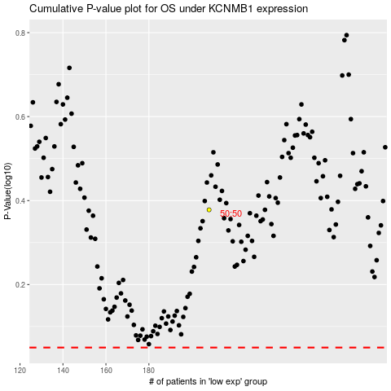

 |  |  |  |  |  | cases_OS | p_OS | rank | exp
 |  |  |  |  |  |  | cases_RFS | p_RFS | rank | exp

