KCNMB3 _multivariate
Reported by Tex Li-Hsing Chi. tex@gate.sinica.edu.tw 2019-08-18

Table 2. The clinicopathological features of HNSCC cohort and KCNMB3 expression. (Chi square test)
Cutoff at -0.291 (49.8%)
 |  | KCNMB3 expression |  | KCNMB3 expression |  | (Optimised)
 | Features | Low | (%) | High | (%) | Case no | P-value | Remark | Matthews
Gender | Female | 139 | 33.5 | 167 | 40.2 | 415 | 0.0034 | 1 | 0
2 | Male | 68 | 16.4 | 41 | 9.9
Age at diagnosis | <=65y | 134 | 32.3 | 140 | 33.7 | 415 | 0.6529 | 0 | 0
4 | >65y | 73 | 17.6 | 68 | 16.4
Clinical T Status | T1+T2 | 80 | 19.3 | 69 | 16.6 | 415 | 0.2891 | 0 | 0
6 | T3+T4 | 127 | 30.6 | 139 | 33.5
Clinical N Status | N0 | 107 | 25.8 | 109 | 26.3 | 415 | 0.9624 | 0 | 0
8 | N1-3 | 100 | 24.1 | 99 | 23.9
Clinical M Status | M0 | 206 | 49.6 | 206 | 49.6 | 415 | 1 | 0 | 0
10 | M1 | 1 | 0.2 | 2 | 0.5
Clinical Stage | Stage I+II | 60 | 14.5 | 42 | 10.1 | 415 | 0.0493 | 1 | 0
12 | Stage III+IV | 147 | 35.4 | 166 | 40
Surgical Margin status | Negative | 165 | 39.8 | 153 | 36.9 | 415 | 0.1639 | 0 | 0
14 | Positive | 42 | 10.1 | 55 | 13.3
Tobacco Exposure | Low | 92 | 22.2 | 69 | 16.6 | 415 | 0.0206 | 1 | 0
16 | High | 115 | 27.7 | 139 | 33.5

Table 3. Univariate/Multivariate Cox's proportional hazards regression analyses on OS time of KCNMB3 gene expression in HNSCC

 |  | Univariate |  |  |  | Multivariate
 | Features | HR | CI95%(L) | CI95%(H) | P-value | HR | CI95%(L) | CI95%(H) | P-value
1 | Female | 1 |  |  |  | 1
Gender | Male | 1.157 | 0.843 | 1.587 | 0.367 | 1.177 | 0.839 | 1.649 | 0.346
11 | <=65y | 1 |  |  |  | 1
Age at diagnosis | >65y | 1.329 | 0.99 | 1.784 | 0.058 | 1.391 | 1.023 | 1.891 | 0.035
12 | T1+T2 | 1 |  |  |  | 1
Clinical T Status | T3+T4 | 1.409 | 1.028 | 1.931 | 0.033 | 2.193 | 1.16 | 4.147 | 0.016
13 | N0 | 1 |  |  |  | 1
Clinical N Status | N1-3 | 1.185 | 0.89 | 1.577 | 0.246 | 1.225 | 0.857 | 1.749 | 0.265
14 | M0 | 1 |  |  |  | 1
Clinical M Status | M1 | 4.097 | 1.009 | 16.644 | 0.049 | 9.484 | 2.069 | 43.483 | 0.004
15 | Stage I+II | 1 |  |  |  | 1
Clinical Stage | Stage III+IV | 1.245 | 0.882 | 1.759 | 0.213 | 0.516 | 0.24 | 1.11 | 0.09
16 | Negative | 1 |  |  |  | 1
Surgical Margin status | Positive | 1.591 | 1.155 | 2.191 | 0.004 | 1.688 | 1.221 | 2.334 | 0.002
17 | Low | 1 |  |  |  | 1
Tobacco Exposure | High | 1.364 | 1.008 | 1.844 | 0.044 | 1.461 | 1.06 | 2.014 | 0.021
18 | Low | 1 |  |  |  | 1
RNAseq(z-score) | High | 0.891 | 0.668 | 1.188 | 0.431 | 0.875 | 0.651 | 1.176 | 0.377

Table 4. Univariate/Multivariate Cox's proportional hazards regression analyses on RFS time of KCNMB3 gene expression in HNSCC

 |  | Univariate |  |  |  | Multivariate
 | Features | HR | CI95%(L) | CI95%(H) | P-value | HR | CI95%(L) | CI95%(H) | P-value
1 | Female | 1 |  |  |  | 1
Gender | Male | 1.157 | 0.843 | 1.587 | 0.367 | 1.177 | 0.839 | 1.649 | 0.346
11 | <=65y | 1 |  |  |  | 1
Age at diagnosis | >65y | 1.329 | 0.99 | 1.784 | 0.058 | 1.391 | 1.023 | 1.891 | 0.035
12 | T1+T2 | 1 |  |  |  | 1
Clinical T Status | T3+T4 | 1.409 | 1.028 | 1.931 | 0.033 | 2.193 | 1.16 | 4.147 | 0.016
13 | N0 | 1 |  |  |  | 1
Clinical N Status | N1-3 | 1.185 | 0.89 | 1.577 | 0.246 | 1.225 | 0.857 | 1.749 | 0.265
14 | M0 | 1 |  |  |  | 1
Clinical M Status | M1 | 4.097 | 1.009 | 16.644 | 0.049 | 9.484 | 2.069 | 43.483 | 0.004
15 | Stage I+II | 1 |  |  |  | 1
Clinical Stage | Stage III+IV | 1.245 | 0.882 | 1.759 | 0.213 | 0.516 | 0.24 | 1.11 | 0.09
16 | Negative | 1 |  |  |  | 1
Surgical Margin status | Positive | 1.591 | 1.155 | 2.191 | 0.004 | 1.688 | 1.221 | 2.334 | 0.002
17 | Low | 1 |  |  |  | 1
Tobacco Exposure | High | 1.364 | 1.008 | 1.844 | 0.044 | 1.461 | 1.06 | 2.014 | 0.021
18 | Low | 1 |  |  |  | 1
RNAseq(z-score) | High | 0.891 | 0.668 | 1.188 | 0.431 | 0.875 | 0.651 | 1.176 | 0.377

Kaplan-Meier survival estimate: Cutoff at -0.291 (49.8%)



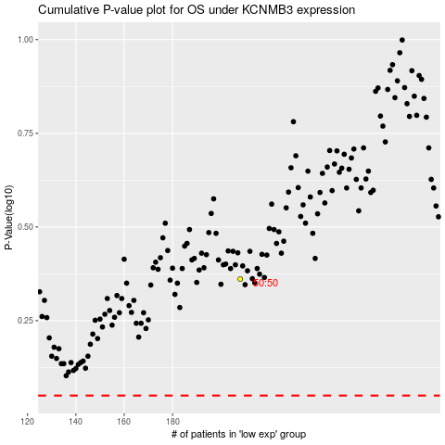

 |  |  |  |  |  | cases_OS | p_OS | rank | exp
 |  |  |  |  |  |  | cases_RFS | p_RFS | rank | exp

