KCNMB4 _multivariate
Reported by Tex Li-Hsing Chi. tex@gate.sinica.edu.tw 2019-08-18

Table 2. The clinicopathological features of HNSCC cohort and KCNMB4 expression. (Chi square test)
Cutoff at -0.268 (50.5%)
 |  | KCNMB4 expression |  | KCNMB4 expression |  | (Optimised)
 | Features | Low | (%) | High | (%) | Case no | P-value | Remark | Matthews
Gender | Female | 157 | 37.8 | 149 | 35.9 | 415 | 0.5933 | 0 | 0
2 | Male | 52 | 12.5 | 57 | 13.7
Age at diagnosis | <=65y | 138 | 33.3 | 136 | 32.8 | 415 | 1 | 0 | 0
4 | >65y | 71 | 17.1 | 70 | 16.9
Clinical T Status | T1+T2 | 74 | 17.8 | 75 | 18.1 | 415 | 0.9122 | 0 | 0
6 | T3+T4 | 135 | 32.5 | 131 | 31.6
Clinical N Status | N0 | 108 | 26 | 108 | 26 | 415 | 0.956 | 0 | 0
8 | N1-3 | 101 | 24.3 | 98 | 23.6
Clinical M Status | M0 | 207 | 49.9 | 205 | 49.4 | 415 | 1 | 0 | 0
10 | M1 | 2 | 0.5 | 1 | 0.2
Clinical Stage | Stage I+II | 49 | 11.8 | 53 | 12.8 | 415 | 0.67 | 0 | 0
12 | Stage III+IV | 160 | 38.6 | 153 | 36.9
Surgical Margin status | Negative | 164 | 39.5 | 154 | 37.1 | 415 | 0.4172 | 0 | 0
14 | Positive | 45 | 10.8 | 52 | 12.5
Tobacco Exposure | Low | 84 | 20.2 | 77 | 18.6 | 415 | 0.6146 | 0 | 0
16 | High | 125 | 30.1 | 129 | 31.1

Table 3. Univariate/Multivariate Cox's proportional hazards regression analyses on OS time of KCNMB4 gene expression in HNSCC

 |  | Univariate |  |  |  | Multivariate
 | Features | HR | CI95%(L) | CI95%(H) | P-value | HR | CI95%(L) | CI95%(H) | P-value
1 | Female | 1 |  |  |  | 1
Gender | Male | 1.157 | 0.843 | 1.587 | 0.367 | 1.18 | 0.846 | 1.648 | 0.33
11 | <=65y | 1 |  |  |  | 1
Age at diagnosis | >65y | 1.329 | 0.99 | 1.784 | 0.058 | 1.411 | 1.037 | 1.92 | 0.028
12 | T1+T2 | 1 |  |  |  | 1
Clinical T Status | T3+T4 | 1.409 | 1.028 | 1.931 | 0.033 | 2.16 | 1.142 | 4.084 | 0.018
13 | N0 | 1 |  |  |  | 1
Clinical N Status | N1-3 | 1.185 | 0.89 | 1.577 | 0.246 | 1.219 | 0.854 | 1.74 | 0.275
14 | M0 | 1 |  |  |  | 1
Clinical M Status | M1 | 4.097 | 1.009 | 16.644 | 0.049 | 9.522 | 2.076 | 43.668 | 0.004
15 | Stage I+II | 1 |  |  |  | 1
Clinical Stage | Stage III+IV | 1.245 | 0.882 | 1.759 | 0.213 | 0.516 | 0.24 | 1.108 | 0.09
16 | Negative | 1 |  |  |  | 1
Surgical Margin status | Positive | 1.591 | 1.155 | 2.191 | 0.004 | 1.657 | 1.199 | 2.29 | 0.002
17 | Low | 1 |  |  |  | 1
Tobacco Exposure | High | 1.364 | 1.008 | 1.844 | 0.044 | 1.436 | 1.042 | 1.979 | 0.027
18 | Low | 1 |  |  |  | 1
RNAseq(z-score) | High | 1.446 | 1.083 | 1.93 | 0.012 | 1.415 | 1.057 | 1.893 | 0.02

Table 4. Univariate/Multivariate Cox's proportional hazards regression analyses on RFS time of KCNMB4 gene expression in HNSCC

 |  | Univariate |  |  |  | Multivariate
 | Features | HR | CI95%(L) | CI95%(H) | P-value | HR | CI95%(L) | CI95%(H) | P-value
1 | Female | 1 |  |  |  | 1
Gender | Male | 1.157 | 0.843 | 1.587 | 0.367 | 1.18 | 0.846 | 1.648 | 0.33
11 | <=65y | 1 |  |  |  | 1
Age at diagnosis | >65y | 1.329 | 0.99 | 1.784 | 0.058 | 1.411 | 1.037 | 1.92 | 0.028
12 | T1+T2 | 1 |  |  |  | 1
Clinical T Status | T3+T4 | 1.409 | 1.028 | 1.931 | 0.033 | 2.16 | 1.142 | 4.084 | 0.018
13 | N0 | 1 |  |  |  | 1
Clinical N Status | N1-3 | 1.185 | 0.89 | 1.577 | 0.246 | 1.219 | 0.854 | 1.74 | 0.275
14 | M0 | 1 |  |  |  | 1
Clinical M Status | M1 | 4.097 | 1.009 | 16.644 | 0.049 | 9.522 | 2.076 | 43.668 | 0.004
15 | Stage I+II | 1 |  |  |  | 1
Clinical Stage | Stage III+IV | 1.245 | 0.882 | 1.759 | 0.213 | 0.516 | 0.24 | 1.108 | 0.09
16 | Negative | 1 |  |  |  | 1
Surgical Margin status | Positive | 1.591 | 1.155 | 2.191 | 0.004 | 1.657 | 1.199 | 2.29 | 0.002
17 | Low | 1 |  |  |  | 1
Tobacco Exposure | High | 1.364 | 1.008 | 1.844 | 0.044 | 1.436 | 1.042 | 1.979 | 0.027
18 | Low | 1 |  |  |  | 1
RNAseq(z-score) | High | 1.446 | 1.083 | 1.93 | 0.012 | 1.415 | 1.057 | 1.893 | 0.02

Kaplan-Meier survival estimate: Cutoff at -0.268 (50.5%)

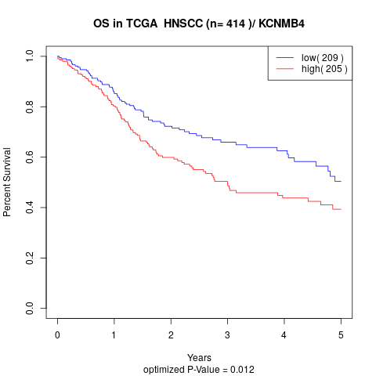

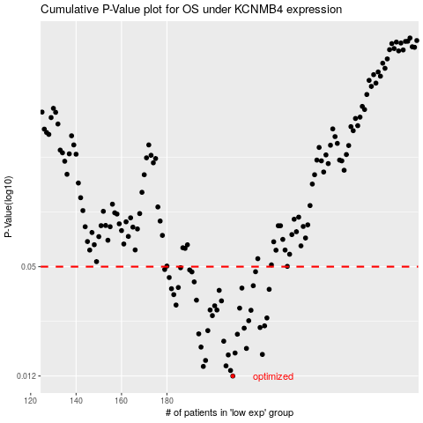

 |  |  |  |  |  | cases_OS | p_OS | rank | exp
 |  |  |  |  |  | 209 | 0.012 | 339 | -0.2684176858
 |  |  |  |  |  | 208 | 0.0129 | 313 | -0.26912281756
 |  |  |  |  |  | 196 | 0.0136 | 279 | -0.30883224765
 |  |  |  |  |  | 206 | 0.0137 | 240 | -0.28506918923
 |  |  |  |  |  | 197 | 0.0147 | 225 | -0.304138456
 |  |  |  |  |  | 207 | 0.0158 | 167 | -0.2792993925
 |  |  |  |  |  | 222 | 0.0159 | 124 | -0.22076991306
 |  |  |  |  |  | 210 | 0.0162 | 161 | -0.26755192101
 |  |  |  |  |  | 215 | 0.0172 | 224 | -0.24981968799
 |  |  |  |  |  | 195 | 0.0175 | 112 | -0.31261066725
 |  |  |  |  |  | 205 | 0.0189 | 321 | -0.28580148687
 |  |  |  |  |  | 211 | 0.0207 | 283 | -0.26493100413
 |  |  |  |  |  | 194 | 0.0208 | 235 | -0.31415085454
 |  |  |  |  |  | 198 | 0.0217 | 390 | -0.30271401898
 |  |  |  |  |  | 214 | 0.0224 | 363 | -0.25308077474
 |  |  |  |  |  | 221 | 0.0226 | 32 | -0.22848738529
 |  |  |  |  |  | 223 | 0.0231 | 256 | -0.21932185354
 |  |  |  |  |  | 216 | 0.0247 | 275 | -0.2495952742
 |  |  |  |  |  | 224 | 0.0256 | 250 | -0.21673164592
 |  |  |  |  |  | 200 | 0.0264 | 278 | -0.30181282043
 |  |  |  |  |  | 217 | 0.0283 | 159 | -0.24303884807
 |  |  |  |  |  | 202 | 0.0284 | 65 | -0.2921193257
 |  |  |  |  |  | 199 | 0.0284 | 319 | -0.30260771771
 |  |  |  |  |  | 212 | 0.0291 | 117 | -0.264892027
 |  |  |  |  |  | 201 | 0.03 | 298 | -0.2967965816
 |  |  |  |  |  | 184 | 0.0303 | 206 | -0.32896570825
 |  |  |  |  |  | 204 | 0.032 | 175 | -0.28720112026
 |  |  |  |  |  | 193 | 0.0323 | 184 | -0.31670208503
 |  |  |  |  |  | 183 | 0.0347 | 36 | -0.33023423674
 |  |  |  |  |  | 203 | 0.0367 | 294 | -0.2873806513
 |  |  |  |  |  | 225 | 0.0372 | 191 | -0.21443435735
 |  |  |  |  |  | 182 | 0.0375 | 238 | -0.33232128501
 |  |  |  |  |  | 213 | 0.0378 | 205 | -0.26485659324
 |  |  |  |  |  | 185 | 0.0381 | 208 | -0.32894326687
 |  |  |  |  |  | 218 | 0.039 | 215 | -0.23617414826
 |  |  |  |  |  | 192 | 0.041 | 49 | -0.31725957613
 |  |  |  |  |  | 181 | 0.0434 | 316 | -0.33492920951
 |  |  |  |  |  | 191 | 0.0467 | 101 | -0.31771430935
 |  |  |  |  |  | 219 | 0.0468 | 267 | -0.23370323429
 |  |  |  |  |  | 190 | 0.0479 | 25 | -0.31880803131
 |  |  |  |  |  | 179 | 0.0482 | 280 | -0.35013029117
 |  |  |  |  |  | 186 | 0.0493 | 52 | -0.32766883275
 |  |  |  |  |  |  | cases_RFS | p_RFS | rank | exp
 |  |  |  |  |  |  | 208 | 0.012 | 313 | -0.26912281756
 |  |  |  |  |  |  | 207 | 0.0129 | 167 | -0.2792993925
 |  |  |  |  |  |  | 195 | 0.0136 | 112 | -0.31261066725
 |  |  |  |  |  |  | 205 | 0.0137 | 321 | -0.28580148687
 |  |  |  |  |  |  | 196 | 0.0147 | 279 | -0.30883224765
 |  |  |  |  |  |  | 206 | 0.0158 | 240 | -0.28506918923
 |  |  |  |  |  |  | 221 | 0.0159 | 32 | -0.22848738529
 |  |  |  |  |  |  | 209 | 0.0162 | 339 | -0.2684176858
 |  |  |  |  |  |  | 214 | 0.0172 | 363 | -0.25308077474
 |  |  |  |  |  |  | 194 | 0.0175 | 235 | -0.31415085454
 |  |  |  |  |  |  | 204 | 0.0189 | 175 | -0.28720112026
 |  |  |  |  |  |  | 210 | 0.0207 | 161 | -0.26755192101
 |  |  |  |  |  |  | 193 | 0.0208 | 184 | -0.31670208503
 |  |  |  |  |  |  | 197 | 0.0217 | 225 | -0.304138456
 |  |  |  |  |  |  | 213 | 0.0224 | 205 | -0.26485659324
 |  |  |  |  |  |  | 220 | 0.0226 | 245 | -0.23105042703
 |  |  |  |  |  |  | 222 | 0.0231 | 124 | -0.22076991306
 |  |  |  |  |  |  | 215 | 0.0247 | 224 | -0.24981968799
 |  |  |  |  |  |  | 223 | 0.0256 | 256 | -0.21932185354
 |  |  |  |  |  |  | 199 | 0.0264 | 319 | -0.30260771771
 |  |  |  |  |  |  | 216 | 0.0283 | 275 | -0.2495952742
 |  |  |  |  |  |  | 201 | 0.0284 | 298 | -0.2967965816
 |  |  |  |  |  |  | 198 | 0.0284 | 390 | -0.30271401898
 |  |  |  |  |  |  | 211 | 0.0291 | 283 | -0.26493100413
 |  |  |  |  |  |  | 200 | 0.03 | 278 | -0.30181282043
 |  |  |  |  |  |  | 183 | 0.0303 | 36 | -0.33023423674
 |  |  |  |  |  |  | 203 | 0.032 | 294 | -0.2873806513
 |  |  |  |  |  |  | 192 | 0.0323 | 49 | -0.31725957613
 |  |  |  |  |  |  | 182 | 0.0347 | 238 | -0.33232128501
 |  |  |  |  |  |  | 202 | 0.0367 | 65 | -0.2921193257
 |  |  |  |  |  |  | 224 | 0.0372 | 250 | -0.21673164592
 |  |  |  |  |  |  | 181 | 0.0375 | 316 | -0.33492920951
 |  |  |  |  |  |  | 212 | 0.0378 | 117 | -0.264892027
 |  |  |  |  |  |  | 184 | 0.0381 | 206 | -0.32896570825
 |  |  |  |  |  |  | 217 | 0.039 | 159 | -0.24303884807
 |  |  |  |  |  |  | 191 | 0.041 | 101 | -0.31771430935
 |  |  |  |  |  |  | 180 | 0.0434 | 335 | -0.34497822293
 |  |  |  |  |  |  | 190 | 0.0467 | 25 | -0.31880803131
 |  |  |  |  |  |  | 218 | 0.0468 | 215 | -0.23617414826
 |  |  |  |  |  |  | 189 | 0.0479 | 231 | -0.31964190572
 |  |  |  |  |  |  | 178 | 0.0482 | 270 | -0.35706940187
 |  |  |  |  |  |  | 185 | 0.0493 | 208 | -0.32894326687

