KCNN2 _multivariate
Reported by Tex Li-Hsing Chi. tex@gate.sinica.edu.tw 2019-08-18

Table 2. The clinicopathological features of HNSCC cohort and KCNN2 expression. (Chi square test)
Cutoff at -0.237 (50.0%)
 |  | KCNN2 expression |  | KCNN2 expression |  | (Optimised)
 | Features | Low | (%) | High | (%) | Case no | P-value | Remark | Matthews
Gender | Female | 152 | 36.6 | 154 | 37.1 | 415 | 0.9766 | 0 | 0
2 | Male | 55 | 13.3 | 54 | 13
Age at diagnosis | <=65y | 133 | 32 | 141 | 34 | 415 | 0.5111 | 0 | 0
4 | >65y | 74 | 17.8 | 67 | 16.1
Clinical T Status | T1+T2 | 60 | 14.5 | 89 | 21.4 | 415 | 0.0047 | 1 | 0
6 | T3+T4 | 147 | 35.4 | 119 | 28.7
Clinical N Status | N0 | 112 | 27 | 104 | 25.1 | 415 | 0.4599 | 0 | 0
8 | N1-3 | 95 | 22.9 | 104 | 25.1
Clinical M Status | M0 | 205 | 49.4 | 207 | 49.9 | 415 | 0.6232 | 0 | 0
10 | M1 | 2 | 0.5 | 1 | 0.2
Clinical Stage | Stage I+II | 41 | 9.9 | 61 | 14.7 | 415 | 0.0325 | 1 | 0
12 | Stage III+IV | 166 | 40 | 147 | 35.4
Surgical Margin status | Negative | 160 | 38.6 | 158 | 38.1 | 415 | 0.8167 | 0 | 0
14 | Positive | 47 | 11.3 | 50 | 12
Tobacco Exposure | Low | 74 | 17.8 | 87 | 21 | 415 | 0.227 | 0 | 0
16 | High | 133 | 32 | 121 | 29.2

Table 3. Univariate/Multivariate Cox's proportional hazards regression analyses on OS time of KCNN2 gene expression in HNSCC

 |  | Univariate |  |  |  | Multivariate
 | Features | HR | CI95%(L) | CI95%(H) | P-value | HR | CI95%(L) | CI95%(H) | P-value
1 | Female | 1 |  |  |  | 1
Gender | Male | 1.157 | 0.843 | 1.587 | 0.367 | 1.198 | 0.857 | 1.676 | 0.291
11 | <=65y | 1 |  |  |  | 1
Age at diagnosis | >65y | 1.329 | 0.99 | 1.784 | 0.058 | 1.392 | 1.024 | 1.892 | 0.035
12 | T1+T2 | 1 |  |  |  | 1
Clinical T Status | T3+T4 | 1.409 | 1.028 | 1.931 | 0.033 | 2.201 | 1.164 | 4.161 | 0.015
13 | N0 | 1 |  |  |  | 1
Clinical N Status | N1-3 | 1.185 | 0.89 | 1.577 | 0.246 | 1.245 | 0.871 | 1.78 | 0.229
14 | M0 | 1 |  |  |  | 1
Clinical M Status | M1 | 4.097 | 1.009 | 16.644 | 0.049 | 9.365 | 2.042 | 42.96 | 0.004
15 | Stage I+II | 1 |  |  |  | 1
Clinical Stage | Stage III+IV | 1.245 | 0.882 | 1.759 | 0.213 | 0.503 | 0.234 | 1.08 | 0.078
16 | Negative | 1 |  |  |  | 1
Surgical Margin status | Positive | 1.591 | 1.155 | 2.191 | 0.004 | 1.671 | 1.209 | 2.308 | 0.002
17 | Low | 1 |  |  |  | 1
Tobacco Exposure | High | 1.364 | 1.008 | 1.844 | 0.044 | 1.449 | 1.05 | 1.999 | 0.024
18 | Low | 1 |  |  |  | 1
RNAseq(z-score) | High | 0.909 | 0.682 | 1.212 | 0.515 | 0.973 | 0.727 | 1.304 | 0.856

Table 4. Univariate/Multivariate Cox's proportional hazards regression analyses on RFS time of KCNN2 gene expression in HNSCC

 |  | Univariate |  |  |  | Multivariate
 | Features | HR | CI95%(L) | CI95%(H) | P-value | HR | CI95%(L) | CI95%(H) | P-value
1 | Female | 1 |  |  |  | 1
Gender | Male | 1.157 | 0.843 | 1.587 | 0.367 | 1.198 | 0.857 | 1.676 | 0.291
11 | <=65y | 1 |  |  |  | 1
Age at diagnosis | >65y | 1.329 | 0.99 | 1.784 | 0.058 | 1.392 | 1.024 | 1.892 | 0.035
12 | T1+T2 | 1 |  |  |  | 1
Clinical T Status | T3+T4 | 1.409 | 1.028 | 1.931 | 0.033 | 2.201 | 1.164 | 4.161 | 0.015
13 | N0 | 1 |  |  |  | 1
Clinical N Status | N1-3 | 1.185 | 0.89 | 1.577 | 0.246 | 1.245 | 0.871 | 1.78 | 0.229
14 | M0 | 1 |  |  |  | 1
Clinical M Status | M1 | 4.097 | 1.009 | 16.644 | 0.049 | 9.365 | 2.042 | 42.96 | 0.004
15 | Stage I+II | 1 |  |  |  | 1
Clinical Stage | Stage III+IV | 1.245 | 0.882 | 1.759 | 0.213 | 0.503 | 0.234 | 1.08 | 0.078
16 | Negative | 1 |  |  |  | 1
Surgical Margin status | Positive | 1.591 | 1.155 | 2.191 | 0.004 | 1.671 | 1.209 | 2.308 | 0.002
17 | Low | 1 |  |  |  | 1
Tobacco Exposure | High | 1.364 | 1.008 | 1.844 | 0.044 | 1.449 | 1.05 | 1.999 | 0.024
18 | Low | 1 |  |  |  | 1
RNAseq(z-score) | High | 0.909 | 0.682 | 1.212 | 0.515 | 0.973 | 0.727 | 1.304 | 0.856

Kaplan-Meier survival estimate: Cutoff at -0.237 (50.0%)



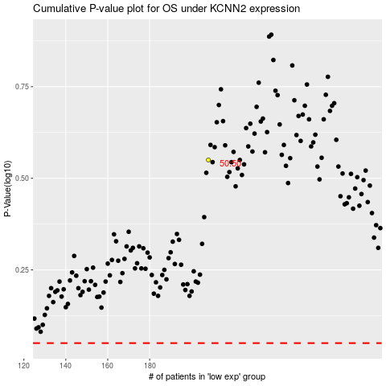

 |  |  |  |  |  | cases_OS | p_OS | rank | exp
 |  |  |  |  |  |  | cases_RFS | p_RFS | rank | exp

