KCNQ1OT1 _multivariate
Reported by Tex Li-Hsing Chi. tex@gate.sinica.edu.tw 2019-08-18

Table 2. The clinicopathological features of HNSCC cohort and KCNQ1OT1 expression. (Chi square test)
Cutoff at -0.218 (49.8%)
 |  | KCNQ1OT1 expression |  | KCNQ1OT1 expression |  | (Optimised)
 | Features | Low | (%) | High | (%) | Case no | P-value | Remark | Matthews
Gender | Female | 148 | 35.7 | 158 | 38.1 | 415 | 0.3567 | 0 | 0
2 | Male | 59 | 14.2 | 50 | 12
Age at diagnosis | <=65y | 135 | 32.5 | 139 | 33.5 | 415 | 0.8084 | 0 | 0
4 | >65y | 72 | 17.3 | 69 | 16.6
Clinical T Status | T1+T2 | 73 | 17.6 | 76 | 18.3 | 415 | 0.8666 | 0 | 0
6 | T3+T4 | 134 | 32.3 | 132 | 31.8
Clinical N Status | N0 | 97 | 23.4 | 119 | 28.7 | 415 | 0.0442 | 1 | 0
8 | N1-3 | 110 | 26.5 | 89 | 21.4
Clinical M Status | M0 | 206 | 49.6 | 206 | 49.6 | 415 | 1 | 0 | 0
10 | M1 | 1 | 0.2 | 2 | 0.5
Clinical Stage | Stage I+II | 47 | 11.3 | 55 | 13.3 | 415 | 0.4413 | 0 | 0
12 | Stage III+IV | 160 | 38.6 | 153 | 36.9
Surgical Margin status | Negative | 165 | 39.8 | 153 | 36.9 | 415 | 0.1639 | 0 | 0
14 | Positive | 42 | 10.1 | 55 | 13.3
Tobacco Exposure | Low | 81 | 19.5 | 80 | 19.3 | 415 | 0.9199 | 0 | 0
16 | High | 126 | 30.4 | 128 | 30.8

Table 3. Univariate/Multivariate Cox's proportional hazards regression analyses on OS time of KCNQ1OT1 gene expression in HNSCC

 |  | Univariate |  |  |  | Multivariate
 | Features | HR | CI95%(L) | CI95%(H) | P-value | HR | CI95%(L) | CI95%(H) | P-value
1 | Female | 1 |  |  |  | 1
Gender | Male | 1.157 | 0.843 | 1.587 | 0.367 | 1.191 | 0.851 | 1.666 | 0.308
11 | <=65y | 1 |  |  |  | 1
Age at diagnosis | >65y | 1.329 | 0.99 | 1.784 | 0.058 | 1.397 | 1.027 | 1.9 | 0.033
12 | T1+T2 | 1 |  |  |  | 1
Clinical T Status | T3+T4 | 1.409 | 1.028 | 1.931 | 0.033 | 2.199 | 1.163 | 4.158 | 0.015
13 | N0 | 1 |  |  |  | 1
Clinical N Status | N1-3 | 1.185 | 0.89 | 1.577 | 0.246 | 1.227 | 0.858 | 1.754 | 0.262
14 | M0 | 1 |  |  |  | 1
Clinical M Status | M1 | 4.097 | 1.009 | 16.644 | 0.049 | 9.493 | 2.07 | 43.529 | 0.004
15 | Stage I+II | 1 |  |  |  | 1
Clinical Stage | Stage III+IV | 1.245 | 0.882 | 1.759 | 0.213 | 0.507 | 0.236 | 1.09 | 0.082
16 | Negative | 1 |  |  |  | 1
Surgical Margin status | Positive | 1.591 | 1.155 | 2.191 | 0.004 | 1.68 | 1.216 | 2.322 | 0.002
17 | Low | 1 |  |  |  | 1
Tobacco Exposure | High | 1.364 | 1.008 | 1.844 | 0.044 | 1.46 | 1.059 | 2.013 | 0.021
18 | Low | 1 |  |  |  | 1
RNAseq(z-score) | High | 0.914 | 0.685 | 1.219 | 0.541 | 0.919 | 0.685 | 1.233 | 0.573

Table 4. Univariate/Multivariate Cox's proportional hazards regression analyses on RFS time of KCNQ1OT1 gene expression in HNSCC

 |  | Univariate |  |  |  | Multivariate
 | Features | HR | CI95%(L) | CI95%(H) | P-value | HR | CI95%(L) | CI95%(H) | P-value
1 | Female | 1 |  |  |  | 1
Gender | Male | 1.157 | 0.843 | 1.587 | 0.367 | 1.191 | 0.851 | 1.666 | 0.308
11 | <=65y | 1 |  |  |  | 1
Age at diagnosis | >65y | 1.329 | 0.99 | 1.784 | 0.058 | 1.397 | 1.027 | 1.9 | 0.033
12 | T1+T2 | 1 |  |  |  | 1
Clinical T Status | T3+T4 | 1.409 | 1.028 | 1.931 | 0.033 | 2.199 | 1.163 | 4.158 | 0.015
13 | N0 | 1 |  |  |  | 1
Clinical N Status | N1-3 | 1.185 | 0.89 | 1.577 | 0.246 | 1.227 | 0.858 | 1.754 | 0.262
14 | M0 | 1 |  |  |  | 1
Clinical M Status | M1 | 4.097 | 1.009 | 16.644 | 0.049 | 9.493 | 2.07 | 43.529 | 0.004
15 | Stage I+II | 1 |  |  |  | 1
Clinical Stage | Stage III+IV | 1.245 | 0.882 | 1.759 | 0.213 | 0.507 | 0.236 | 1.09 | 0.082
16 | Negative | 1 |  |  |  | 1
Surgical Margin status | Positive | 1.591 | 1.155 | 2.191 | 0.004 | 1.68 | 1.216 | 2.322 | 0.002
17 | Low | 1 |  |  |  | 1
Tobacco Exposure | High | 1.364 | 1.008 | 1.844 | 0.044 | 1.46 | 1.059 | 2.013 | 0.021
18 | Low | 1 |  |  |  | 1
RNAseq(z-score) | High | 0.914 | 0.685 | 1.219 | 0.541 | 0.919 | 0.685 | 1.233 | 0.573

Kaplan-Meier survival estimate: Cutoff at -0.218 (49.8%)



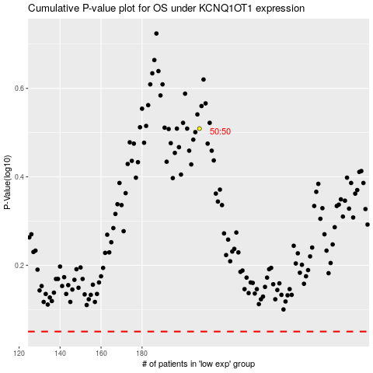

 |  |  |  |  |  | cases_OS | p_OS | rank | exp
 |  |  |  |  |  |  | cases_RFS | p_RFS | rank | exp

