KCNQ3 _multivariate
Reported by Tex Li-Hsing Chi. tex@gate.sinica.edu.tw 2019-08-18

Table 2. The clinicopathological features of HNSCC cohort and KCNQ3 expression. (Chi square test)
Cutoff at -0.167 (47.3%)
 |  | KCNQ3 expression |  | KCNQ3 expression |  | (Optimised)
 | Features | Low | (%) | High | (%) | Case no | P-value | Remark | Matthews
Gender | Female | 144 | 34.7 | 162 | 39 | 415 | 0.8656 | 0 | 0
2 | Male | 53 | 12.8 | 56 | 13.5
Age at diagnosis | <=65y | 129 | 31.1 | 145 | 34.9 | 415 | 0.9062 | 0 | 0
4 | >65y | 68 | 16.4 | 73 | 17.6
Clinical T Status | T1+T2 | 78 | 18.8 | 71 | 17.1 | 415 | 0.1654 | 0 | 0
6 | T3+T4 | 119 | 28.7 | 147 | 35.4
Clinical N Status | N0 | 103 | 24.8 | 113 | 27.2 | 415 | 1 | 0 | 0
8 | N1-3 | 94 | 22.7 | 105 | 25.3
Clinical M Status | M0 | 194 | 46.7 | 218 | 52.5 | 415 | 0.1061 | 0 | 0
10 | M1 | 3 | 0.7 | 0 | 0
Clinical Stage | Stage I+II | 52 | 12.5 | 50 | 12 | 415 | 0.4818 | 0 | 0
12 | Stage III+IV | 145 | 34.9 | 168 | 40.5
Surgical Margin status | Negative | 153 | 36.9 | 165 | 39.8 | 415 | 0.6443 | 0 | 0
14 | Positive | 44 | 10.6 | 53 | 12.8
Tobacco Exposure | Low | 80 | 19.3 | 81 | 19.5 | 415 | 0.4818 | 0 | 0
16 | High | 117 | 28.2 | 137 | 33

Table 3. Univariate/Multivariate Cox's proportional hazards regression analyses on OS time of KCNQ3 gene expression in HNSCC

 |  | Univariate |  |  |  | Multivariate
 | Features | HR | CI95%(L) | CI95%(H) | P-value | HR | CI95%(L) | CI95%(H) | P-value
1 | Female | 1 |  |  |  | 1
Gender | Male | 1.157 | 0.843 | 1.587 | 0.367 | 1.165 | 0.832 | 1.631 | 0.373
11 | <=65y | 1 |  |  |  | 1
Age at diagnosis | >65y | 1.329 | 0.99 | 1.784 | 0.058 | 1.386 | 1.02 | 1.883 | 0.037
12 | T1+T2 | 1 |  |  |  | 1
Clinical T Status | T3+T4 | 1.409 | 1.028 | 1.931 | 0.033 | 2.231 | 1.18 | 4.219 | 0.014
13 | N0 | 1 |  |  |  | 1
Clinical N Status | N1-3 | 1.185 | 0.89 | 1.577 | 0.246 | 1.224 | 0.858 | 1.746 | 0.266
14 | M0 | 1 |  |  |  | 1
Clinical M Status | M1 | 4.097 | 1.009 | 16.644 | 0.049 | 8.199 | 1.778 | 37.808 | 0.007
15 | Stage I+II | 1 |  |  |  | 1
Clinical Stage | Stage III+IV | 1.245 | 0.882 | 1.759 | 0.213 | 0.513 | 0.239 | 1.101 | 0.087
16 | Negative | 1 |  |  |  | 1
Surgical Margin status | Positive | 1.591 | 1.155 | 2.191 | 0.004 | 1.672 | 1.21 | 2.31 | 0.002
17 | Low | 1 |  |  |  | 1
Tobacco Exposure | High | 1.364 | 1.008 | 1.844 | 0.044 | 1.43 | 1.038 | 1.972 | 0.029
18 | Low | 1 |  |  |  | 1
RNAseq(z-score) | High | 0.742 | 0.557 | 0.988 | 0.041 | 0.762 | 0.569 | 1.019 | 0.067

Table 4. Univariate/Multivariate Cox's proportional hazards regression analyses on RFS time of KCNQ3 gene expression in HNSCC

 |  | Univariate |  |  |  | Multivariate
 | Features | HR | CI95%(L) | CI95%(H) | P-value | HR | CI95%(L) | CI95%(H) | P-value
1 | Female | 1 |  |  |  | 1
Gender | Male | 1.157 | 0.843 | 1.587 | 0.367 | 1.165 | 0.832 | 1.631 | 0.373
11 | <=65y | 1 |  |  |  | 1
Age at diagnosis | >65y | 1.329 | 0.99 | 1.784 | 0.058 | 1.386 | 1.02 | 1.883 | 0.037
12 | T1+T2 | 1 |  |  |  | 1
Clinical T Status | T3+T4 | 1.409 | 1.028 | 1.931 | 0.033 | 2.231 | 1.18 | 4.219 | 0.014
13 | N0 | 1 |  |  |  | 1
Clinical N Status | N1-3 | 1.185 | 0.89 | 1.577 | 0.246 | 1.224 | 0.858 | 1.746 | 0.266
14 | M0 | 1 |  |  |  | 1
Clinical M Status | M1 | 4.097 | 1.009 | 16.644 | 0.049 | 8.199 | 1.778 | 37.808 | 0.007
15 | Stage I+II | 1 |  |  |  | 1
Clinical Stage | Stage III+IV | 1.245 | 0.882 | 1.759 | 0.213 | 0.513 | 0.239 | 1.101 | 0.087
16 | Negative | 1 |  |  |  | 1
Surgical Margin status | Positive | 1.591 | 1.155 | 2.191 | 0.004 | 1.672 | 1.21 | 2.31 | 0.002
17 | Low | 1 |  |  |  | 1
Tobacco Exposure | High | 1.364 | 1.008 | 1.844 | 0.044 | 1.43 | 1.038 | 1.972 | 0.029
18 | Low | 1 |  |  |  | 1
RNAseq(z-score) | High | 0.742 | 0.557 | 0.988 | 0.041 | 0.762 | 0.569 | 1.019 | 0.067

Kaplan-Meier survival estimate: Cutoff at -0.167 (47.3%)



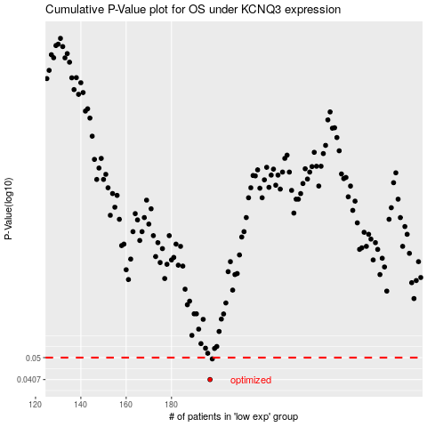

 |  |  |  |  |  | cases_OS | p_OS | rank | exp
 |  |  |  |  |  | 197 | 0.0407 | 89 | -0.16659191057
 |  |  |  |  |  | 198 | 0.0494 | 147 | -0.16653260055
 |  |  |  |  |  |  | cases_RFS | p_RFS | rank | exp
 |  |  |  |  |  |  | 196 | 0.0407 | 373 | -0.16794615612
 |  |  |  |  |  |  | 197 | 0.0494 | 89 | -0.16659191057

