KCNQ5 _multivariate
Reported by Tex Li-Hsing Chi. tex@gate.sinica.edu.tw 2019-08-18

Table 2. The clinicopathological features of HNSCC cohort and KCNQ5 expression. (Chi square test)
Cutoff at -0.297 (50.0%)
 |  | KCNQ5 expression |  | KCNQ5 expression |  | (Optimised)
 | Features | Low | (%) | High | (%) | Case no | P-value | Remark | Matthews
Gender | Female | 153 | 36.9 | 153 | 36.9 | 415 | 1 | 0 | 0
2 | Male | 54 | 13 | 55 | 13.3
Age at diagnosis | <=65y | 131 | 31.6 | 143 | 34.5 | 415 | 0.2839 | 0 | 0
4 | >65y | 76 | 18.3 | 65 | 15.7
Clinical T Status | T1+T2 | 74 | 17.8 | 75 | 18.1 | 415 | 1 | 0 | 0
6 | T3+T4 | 133 | 32 | 133 | 32
Clinical N Status | N0 | 116 | 28 | 100 | 24.1 | 415 | 0.1273 | 1 | 0
8 | N1-3 | 91 | 21.9 | 108 | 26
Clinical M Status | M0 | 206 | 49.6 | 206 | 49.6 | 415 | 1 | 0 | 0
10 | M1 | 1 | 0.2 | 2 | 0.5
Clinical Stage | Stage I+II | 54 | 13 | 48 | 11.6 | 415 | 0.5498 | 0 | 0
12 | Stage III+IV | 153 | 36.9 | 160 | 38.6
Surgical Margin status | Negative | 148 | 35.7 | 170 | 41 | 415 | 0.015 | 1 | 0
14 | Positive | 59 | 14.2 | 38 | 9.2
Tobacco Exposure | Low | 100 | 24.1 | 61 | 14.7 | 415 | 1e-04 | 1 | 0
16 | High | 107 | 25.8 | 147 | 35.4

Table 3. Univariate/Multivariate Cox's proportional hazards regression analyses on OS time of KCNQ5 gene expression in HNSCC

 |  | Univariate |  |  |  | Multivariate
 | Features | HR | CI95%(L) | CI95%(H) | P-value | HR | CI95%(L) | CI95%(H) | P-value
1 | Female | 1 |  |  |  | 1
Gender | Male | 1.157 | 0.843 | 1.587 | 0.367 | 1.21 | 0.865 | 1.692 | 0.265
11 | <=65y | 1 |  |  |  | 1
Age at diagnosis | >65y | 1.329 | 0.99 | 1.784 | 0.058 | 1.398 | 1.028 | 1.899 | 0.033
12 | T1+T2 | 1 |  |  |  | 1
Clinical T Status | T3+T4 | 1.409 | 1.028 | 1.931 | 0.033 | 2.242 | 1.183 | 4.246 | 0.013
13 | N0 | 1 |  |  |  | 1
Clinical N Status | N1-3 | 1.185 | 0.89 | 1.577 | 0.246 | 1.234 | 0.864 | 1.761 | 0.247
14 | M0 | 1 |  |  |  | 1
Clinical M Status | M1 | 4.097 | 1.009 | 16.644 | 0.049 | 9.466 | 2.065 | 43.4 | 0.004
15 | Stage I+II | 1 |  |  |  | 1
Clinical Stage | Stage III+IV | 1.245 | 0.882 | 1.759 | 0.213 | 0.497 | 0.231 | 1.068 | 0.073
16 | Negative | 1 |  |  |  | 1
Surgical Margin status | Positive | 1.591 | 1.155 | 2.191 | 0.004 | 1.717 | 1.233 | 2.391 | 0.001
17 | Low | 1 |  |  |  | 1
Tobacco Exposure | High | 1.364 | 1.008 | 1.844 | 0.044 | 1.42 | 1.025 | 1.969 | 0.035
18 | Low | 1 |  |  |  | 1
RNAseq(z-score) | High | 1.062 | 0.796 | 1.418 | 0.683 | 1.122 | 0.827 | 1.521 | 0.46

Table 4. Univariate/Multivariate Cox's proportional hazards regression analyses on RFS time of KCNQ5 gene expression in HNSCC

 |  | Univariate |  |  |  | Multivariate
 | Features | HR | CI95%(L) | CI95%(H) | P-value | HR | CI95%(L) | CI95%(H) | P-value
1 | Female | 1 |  |  |  | 1
Gender | Male | 1.157 | 0.843 | 1.587 | 0.367 | 1.21 | 0.865 | 1.692 | 0.265
11 | <=65y | 1 |  |  |  | 1
Age at diagnosis | >65y | 1.329 | 0.99 | 1.784 | 0.058 | 1.398 | 1.028 | 1.899 | 0.033
12 | T1+T2 | 1 |  |  |  | 1
Clinical T Status | T3+T4 | 1.409 | 1.028 | 1.931 | 0.033 | 2.242 | 1.183 | 4.246 | 0.013
13 | N0 | 1 |  |  |  | 1
Clinical N Status | N1-3 | 1.185 | 0.89 | 1.577 | 0.246 | 1.234 | 0.864 | 1.761 | 0.247
14 | M0 | 1 |  |  |  | 1
Clinical M Status | M1 | 4.097 | 1.009 | 16.644 | 0.049 | 9.466 | 2.065 | 43.4 | 0.004
15 | Stage I+II | 1 |  |  |  | 1
Clinical Stage | Stage III+IV | 1.245 | 0.882 | 1.759 | 0.213 | 0.497 | 0.231 | 1.068 | 0.073
16 | Negative | 1 |  |  |  | 1
Surgical Margin status | Positive | 1.591 | 1.155 | 2.191 | 0.004 | 1.717 | 1.233 | 2.391 | 0.001
17 | Low | 1 |  |  |  | 1
Tobacco Exposure | High | 1.364 | 1.008 | 1.844 | 0.044 | 1.42 | 1.025 | 1.969 | 0.035
18 | Low | 1 |  |  |  | 1
RNAseq(z-score) | High | 1.062 | 0.796 | 1.418 | 0.683 | 1.122 | 0.827 | 1.521 | 0.46

Kaplan-Meier survival estimate: Cutoff at -0.297 (50.0%)



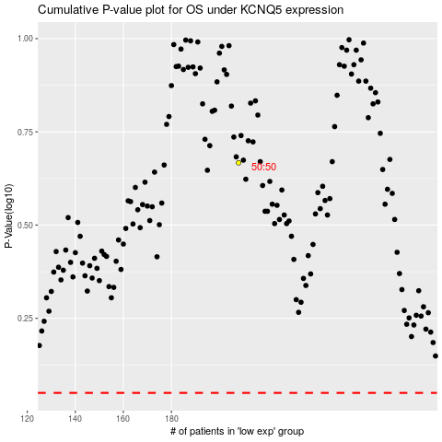

 |  |  |  |  |  | cases_OS | p_OS | rank | exp
 |  |  |  |  |  |  | cases_RFS | p_RFS | rank | exp

