KCNS3 _multivariate
Reported by Tex Li-Hsing Chi. tex@gate.sinica.edu.tw 2019-08-18

Table 2. The clinicopathological features of HNSCC cohort and KCNS3 expression. (Chi square test)
Cutoff at -0.349 (50.0%)
 |  | KCNS3 expression |  | KCNS3 expression |  | (Optimised)
 | Features | Low | (%) | High | (%) | Case no | P-value | Remark | Matthews
Gender | Female | 143 | 34.5 | 163 | 39.3 | 415 | 0.0416 | 1 | 0
2 | Male | 64 | 15.4 | 45 | 10.8
Age at diagnosis | <=65y | 133 | 32 | 141 | 34 | 415 | 0.5111 | 0 | 0
4 | >65y | 74 | 17.8 | 67 | 16.1
Clinical T Status | T1+T2 | 77 | 18.6 | 72 | 17.3 | 415 | 0.6556 | 0 | 0
6 | T3+T4 | 130 | 31.3 | 136 | 32.8
Clinical N Status | N0 | 108 | 26 | 108 | 26 | 415 | 1 | 0 | 0
8 | N1-3 | 99 | 23.9 | 100 | 24.1
Clinical M Status | M0 | 206 | 49.6 | 206 | 49.6 | 415 | 1 | 0 | 0
10 | M1 | 1 | 0.2 | 2 | 0.5
Clinical Stage | Stage I+II | 56 | 13.5 | 46 | 11.1 | 415 | 0.2918 | 0 | 0
12 | Stage III+IV | 151 | 36.4 | 162 | 39
Surgical Margin status | Negative | 160 | 38.6 | 158 | 38.1 | 415 | 0.8167 | 0 | 0
14 | Positive | 47 | 11.3 | 50 | 12
Tobacco Exposure | Low | 103 | 24.8 | 58 | 14 | 415 | 0 | 1 | 0
16 | High | 104 | 25.1 | 150 | 36.1

Table 3. Univariate/Multivariate Cox's proportional hazards regression analyses on OS time of KCNS3 gene expression in HNSCC

 |  | Univariate |  |  |  | Multivariate
 | Features | HR | CI95%(L) | CI95%(H) | P-value | HR | CI95%(L) | CI95%(H) | P-value
1 | Female | 1 |  |  |  | 1
Gender | Male | 1.157 | 0.843 | 1.587 | 0.367 | 1.214 | 0.867 | 1.698 | 0.259
11 | <=65y | 1 |  |  |  | 1
Age at diagnosis | >65y | 1.329 | 0.99 | 1.784 | 0.058 | 1.394 | 1.025 | 1.894 | 0.034
12 | T1+T2 | 1 |  |  |  | 1
Clinical T Status | T3+T4 | 1.409 | 1.028 | 1.931 | 0.033 | 2.222 | 1.174 | 4.205 | 0.014
13 | N0 | 1 |  |  |  | 1
Clinical N Status | N1-3 | 1.185 | 0.89 | 1.577 | 0.246 | 1.246 | 0.873 | 1.778 | 0.226
14 | M0 | 1 |  |  |  | 1
Clinical M Status | M1 | 4.097 | 1.009 | 16.644 | 0.049 | 9.41 | 2.053 | 43.141 | 0.004
15 | Stage I+II | 1 |  |  |  | 1
Clinical Stage | Stage III+IV | 1.245 | 0.882 | 1.759 | 0.213 | 0.495 | 0.23 | 1.065 | 0.072
16 | Negative | 1 |  |  |  | 1
Surgical Margin status | Positive | 1.591 | 1.155 | 2.191 | 0.004 | 1.675 | 1.212 | 2.315 | 0.002
17 | Low | 1 |  |  |  | 1
Tobacco Exposure | High | 1.364 | 1.008 | 1.844 | 0.044 | 1.429 | 1.032 | 1.98 | 0.032
18 | Low | 1 |  |  |  | 1
RNAseq(z-score) | High | 1.115 | 0.836 | 1.486 | 0.46 | 1.086 | 0.804 | 1.466 | 0.591

Table 4. Univariate/Multivariate Cox's proportional hazards regression analyses on RFS time of KCNS3 gene expression in HNSCC

 |  | Univariate |  |  |  | Multivariate
 | Features | HR | CI95%(L) | CI95%(H) | P-value | HR | CI95%(L) | CI95%(H) | P-value
1 | Female | 1 |  |  |  | 1
Gender | Male | 1.157 | 0.843 | 1.587 | 0.367 | 1.214 | 0.867 | 1.698 | 0.259
11 | <=65y | 1 |  |  |  | 1
Age at diagnosis | >65y | 1.329 | 0.99 | 1.784 | 0.058 | 1.394 | 1.025 | 1.894 | 0.034
12 | T1+T2 | 1 |  |  |  | 1
Clinical T Status | T3+T4 | 1.409 | 1.028 | 1.931 | 0.033 | 2.222 | 1.174 | 4.205 | 0.014
13 | N0 | 1 |  |  |  | 1
Clinical N Status | N1-3 | 1.185 | 0.89 | 1.577 | 0.246 | 1.246 | 0.873 | 1.778 | 0.226
14 | M0 | 1 |  |  |  | 1
Clinical M Status | M1 | 4.097 | 1.009 | 16.644 | 0.049 | 9.41 | 2.053 | 43.141 | 0.004
15 | Stage I+II | 1 |  |  |  | 1
Clinical Stage | Stage III+IV | 1.245 | 0.882 | 1.759 | 0.213 | 0.495 | 0.23 | 1.065 | 0.072
16 | Negative | 1 |  |  |  | 1
Surgical Margin status | Positive | 1.591 | 1.155 | 2.191 | 0.004 | 1.675 | 1.212 | 2.315 | 0.002
17 | Low | 1 |  |  |  | 1
Tobacco Exposure | High | 1.364 | 1.008 | 1.844 | 0.044 | 1.429 | 1.032 | 1.98 | 0.032
18 | Low | 1 |  |  |  | 1
RNAseq(z-score) | High | 1.115 | 0.836 | 1.486 | 0.46 | 1.086 | 0.804 | 1.466 | 0.591

Kaplan-Meier survival estimate: Cutoff at -0.349 (50.0%)



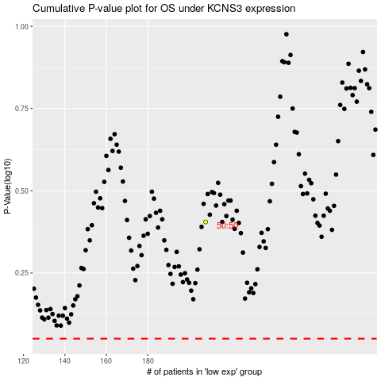

 |  |  |  |  |  | cases_OS | p_OS | rank | exp
 |  |  |  |  |  |  | cases_RFS | p_RFS | rank | exp

