KCNT1 _multivariate
Reported by Tex Li-Hsing Chi. tex@gate.sinica.edu.tw 2019-08-18

Table 2. The clinicopathological features of HNSCC cohort and KCNT1 expression. (Chi square test)
Cutoff at -0.213 (65.5%)
 |  | KCNT1 expression |  | KCNT1 expression |  | (Optimised)
 | Features | Low | (%) | High | (%) | Case no | P-value | Remark | Matthews
Gender | Female | 197 | 47.5 | 109 | 26.3 | 415 | 0.5864 | 0 | 0
2 | Male | 74 | 17.8 | 35 | 8.4
Age at diagnosis | <=65y | 175 | 42.2 | 99 | 23.9 | 415 | 0.4558 | 0 | 0
4 | >65y | 96 | 23.1 | 45 | 10.8
Clinical T Status | T1+T2 | 95 | 22.9 | 54 | 13 | 415 | 0.699 | 0 | 0
6 | T3+T4 | 176 | 42.4 | 90 | 21.7
Clinical N Status | N0 | 144 | 34.7 | 72 | 17.3 | 415 | 0.6131 | 0 | 0
8 | N1-3 | 127 | 30.6 | 72 | 17.3
Clinical M Status | M0 | 268 | 64.6 | 144 | 34.7 | 415 | 0.5545 | 0 | 0
10 | M1 | 3 | 0.7 | 0 | 0
Clinical Stage | Stage I+II | 65 | 15.7 | 37 | 8.9 | 415 | 0.7909 | 0 | 0
12 | Stage III+IV | 206 | 49.6 | 107 | 25.8
Surgical Margin status | Negative | 212 | 51.1 | 106 | 25.5 | 415 | 0.3298 | 0 | 0
14 | Positive | 59 | 14.2 | 38 | 9.2
Tobacco Exposure | Low | 114 | 27.5 | 47 | 11.3 | 415 | 0.0719 | 0 | 0
16 | High | 157 | 37.8 | 97 | 23.4

Table 3. Univariate/Multivariate Cox's proportional hazards regression analyses on OS time of KCNT1 gene expression in HNSCC

 |  | Univariate |  |  |  | Multivariate
 | Features | HR | CI95%(L) | CI95%(H) | P-value | HR | CI95%(L) | CI95%(H) | P-value
1 | Female | 1 |  |  |  | 1
Gender | Male | 1.157 | 0.843 | 1.587 | 0.367 | 1.21 | 0.866 | 1.69 | 0.263
11 | <=65y | 1 |  |  |  | 1
Age at diagnosis | >65y | 1.329 | 0.99 | 1.784 | 0.058 | 1.392 | 1.024 | 1.893 | 0.035
12 | T1+T2 | 1 |  |  |  | 1
Clinical T Status | T3+T4 | 1.409 | 1.028 | 1.931 | 0.033 | 2.199 | 1.162 | 4.159 | 0.015
13 | N0 | 1 |  |  |  | 1
Clinical N Status | N1-3 | 1.185 | 0.89 | 1.577 | 0.246 | 1.23 | 0.862 | 1.756 | 0.255
14 | M0 | 1 |  |  |  | 1
Clinical M Status | M1 | 4.097 | 1.009 | 16.644 | 0.049 | 10.257 | 2.228 | 47.228 | 0.003
15 | Stage I+II | 1 |  |  |  | 1
Clinical Stage | Stage III+IV | 1.245 | 0.882 | 1.759 | 0.213 | 0.509 | 0.237 | 1.092 | 0.083
16 | Negative | 1 |  |  |  | 1
Surgical Margin status | Positive | 1.591 | 1.155 | 2.191 | 0.004 | 1.623 | 1.173 | 2.247 | 0.003
17 | Low | 1 |  |  |  | 1
Tobacco Exposure | High | 1.364 | 1.008 | 1.844 | 0.044 | 1.404 | 1.018 | 1.937 | 0.038
18 | Low | 1 |  |  |  | 1
RNAseq(z-score) | High | 1.354 | 1.012 | 1.812 | 0.041 | 1.273 | 0.944 | 1.715 | 0.113

Table 4. Univariate/Multivariate Cox's proportional hazards regression analyses on RFS time of KCNT1 gene expression in HNSCC

 |  | Univariate |  |  |  | Multivariate
 | Features | HR | CI95%(L) | CI95%(H) | P-value | HR | CI95%(L) | CI95%(H) | P-value
1 | Female | 1 |  |  |  | 1
Gender | Male | 1.157 | 0.843 | 1.587 | 0.367 | 1.21 | 0.866 | 1.69 | 0.263
11 | <=65y | 1 |  |  |  | 1
Age at diagnosis | >65y | 1.329 | 0.99 | 1.784 | 0.058 | 1.392 | 1.024 | 1.893 | 0.035
12 | T1+T2 | 1 |  |  |  | 1
Clinical T Status | T3+T4 | 1.409 | 1.028 | 1.931 | 0.033 | 2.199 | 1.162 | 4.159 | 0.015
13 | N0 | 1 |  |  |  | 1
Clinical N Status | N1-3 | 1.185 | 0.89 | 1.577 | 0.246 | 1.23 | 0.862 | 1.756 | 0.255
14 | M0 | 1 |  |  |  | 1
Clinical M Status | M1 | 4.097 | 1.009 | 16.644 | 0.049 | 10.257 | 2.228 | 47.228 | 0.003
15 | Stage I+II | 1 |  |  |  | 1
Clinical Stage | Stage III+IV | 1.245 | 0.882 | 1.759 | 0.213 | 0.509 | 0.237 | 1.092 | 0.083
16 | Negative | 1 |  |  |  | 1
Surgical Margin status | Positive | 1.591 | 1.155 | 2.191 | 0.004 | 1.623 | 1.173 | 2.247 | 0.003
17 | Low | 1 |  |  |  | 1
Tobacco Exposure | High | 1.364 | 1.008 | 1.844 | 0.044 | 1.404 | 1.018 | 1.937 | 0.038
18 | Low | 1 |  |  |  | 1
RNAseq(z-score) | High | 1.354 | 1.012 | 1.812 | 0.041 | 1.273 | 0.944 | 1.715 | 0.113

Kaplan-Meier survival estimate: Cutoff at -0.213 (65.5%)



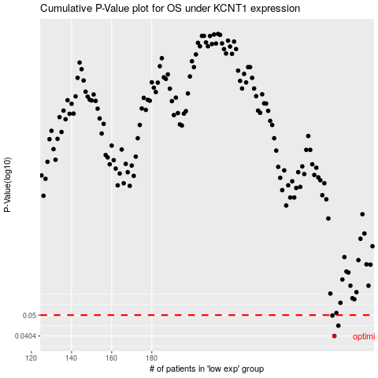

 |  |  |  |  |  | cases_OS | p_OS | rank | exp
 |  |  |  |  |  | 271 | 0.0404 | 143 | -0.21254668826
 |  |  |  |  |  | 273 | 0.0449 | 404 | -0.2077686432
 |  |  |  |  |  | 270 | 0.0498 | 89 | -0.2126672783
 |  |  |  |  |  |  | cases_RFS | p_RFS | rank | exp
 |  |  |  |  |  |  | 270 | 0.0404 | 89 | -0.2126672783
 |  |  |  |  |  |  | 272 | 0.0449 | 408 | -0.20869852634
 |  |  |  |  |  |  | 269 | 0.0498 | 129 | -0.21325147001

