KCTD1 _multivariate
Reported by Tex Li-Hsing Chi. tex@gate.sinica.edu.tw 2019-08-18

Table 2. The clinicopathological features of HNSCC cohort and KCTD1 expression. (Chi square test)
Cutoff at -0.218 (49.8%)
 |  | KCTD1 expression |  | KCTD1 expression |  | (Optimised)
 | Features | Low | (%) | High | (%) | Case no | P-value | Remark | Matthews
Gender | Female | 155 | 37.3 | 151 | 36.4 | 415 | 0.6768 | 0 | 0
2 | Male | 52 | 12.5 | 57 | 13.7
Age at diagnosis | <=65y | 139 | 33.5 | 135 | 32.5 | 415 | 0.7044 | 0 | 0
4 | >65y | 68 | 16.4 | 73 | 17.6
Clinical T Status | T1+T2 | 70 | 16.9 | 79 | 19 | 415 | 0.4343 | 0 | 0
6 | T3+T4 | 137 | 33 | 129 | 31.1
Clinical N Status | N0 | 96 | 23.1 | 120 | 28.9 | 415 | 0.0272 | 1 | 0
8 | N1-3 | 111 | 26.7 | 88 | 21.2
Clinical M Status | M0 | 206 | 49.6 | 206 | 49.6 | 415 | 1 | 0 | 0
10 | M1 | 1 | 0.2 | 2 | 0.5
Clinical Stage | Stage I+II | 47 | 11.3 | 55 | 13.3 | 415 | 0.4413 | 0 | 0
12 | Stage III+IV | 160 | 38.6 | 153 | 36.9
Surgical Margin status | Negative | 154 | 37.1 | 164 | 39.5 | 415 | 0.2984 | 0 | 0
14 | Positive | 53 | 12.8 | 44 | 10.6
Tobacco Exposure | Low | 74 | 17.8 | 87 | 21 | 415 | 0.227 | 0 | 0
16 | High | 133 | 32 | 121 | 29.2

Table 3. Univariate/Multivariate Cox's proportional hazards regression analyses on OS time of KCTD1 gene expression in HNSCC

 |  | Univariate |  |  |  | Multivariate
 | Features | HR | CI95%(L) | CI95%(H) | P-value | HR | CI95%(L) | CI95%(H) | P-value
1 | Female | 1 |  |  |  | 1
Gender | Male | 1.157 | 0.843 | 1.587 | 0.367 | 1.214 | 0.869 | 1.696 | 0.255
11 | <=65y | 1 |  |  |  | 1
Age at diagnosis | >65y | 1.329 | 0.99 | 1.784 | 0.058 | 1.398 | 1.027 | 1.902 | 0.033
12 | T1+T2 | 1 |  |  |  | 1
Clinical T Status | T3+T4 | 1.409 | 1.028 | 1.931 | 0.033 | 2.161 | 1.142 | 4.089 | 0.018
13 | N0 | 1 |  |  |  | 1
Clinical N Status | N1-3 | 1.185 | 0.89 | 1.577 | 0.246 | 1.221 | 0.854 | 1.744 | 0.273
14 | M0 | 1 |  |  |  | 1
Clinical M Status | M1 | 4.097 | 1.009 | 16.644 | 0.049 | 9.765 | 2.127 | 44.829 | 0.003
15 | Stage I+II | 1 |  |  |  | 1
Clinical Stage | Stage III+IV | 1.245 | 0.882 | 1.759 | 0.213 | 0.522 | 0.243 | 1.124 | 0.097
16 | Negative | 1 |  |  |  | 1
Surgical Margin status | Positive | 1.591 | 1.155 | 2.191 | 0.004 | 1.653 | 1.196 | 2.285 | 0.002
17 | Low | 1 |  |  |  | 1
Tobacco Exposure | High | 1.364 | 1.008 | 1.844 | 0.044 | 1.45 | 1.052 | 1.998 | 0.023
18 | Low | 1 |  |  |  | 1
RNAseq(z-score) | High | 0.846 | 0.635 | 1.127 | 0.253 | 0.859 | 0.643 | 1.149 | 0.307

Table 4. Univariate/Multivariate Cox's proportional hazards regression analyses on RFS time of KCTD1 gene expression in HNSCC

 |  | Univariate |  |  |  | Multivariate
 | Features | HR | CI95%(L) | CI95%(H) | P-value | HR | CI95%(L) | CI95%(H) | P-value
1 | Female | 1 |  |  |  | 1
Gender | Male | 1.157 | 0.843 | 1.587 | 0.367 | 1.214 | 0.869 | 1.696 | 0.255
11 | <=65y | 1 |  |  |  | 1
Age at diagnosis | >65y | 1.329 | 0.99 | 1.784 | 0.058 | 1.398 | 1.027 | 1.902 | 0.033
12 | T1+T2 | 1 |  |  |  | 1
Clinical T Status | T3+T4 | 1.409 | 1.028 | 1.931 | 0.033 | 2.161 | 1.142 | 4.089 | 0.018
13 | N0 | 1 |  |  |  | 1
Clinical N Status | N1-3 | 1.185 | 0.89 | 1.577 | 0.246 | 1.221 | 0.854 | 1.744 | 0.273
14 | M0 | 1 |  |  |  | 1
Clinical M Status | M1 | 4.097 | 1.009 | 16.644 | 0.049 | 9.765 | 2.127 | 44.829 | 0.003
15 | Stage I+II | 1 |  |  |  | 1
Clinical Stage | Stage III+IV | 1.245 | 0.882 | 1.759 | 0.213 | 0.522 | 0.243 | 1.124 | 0.097
16 | Negative | 1 |  |  |  | 1
Surgical Margin status | Positive | 1.591 | 1.155 | 2.191 | 0.004 | 1.653 | 1.196 | 2.285 | 0.002
17 | Low | 1 |  |  |  | 1
Tobacco Exposure | High | 1.364 | 1.008 | 1.844 | 0.044 | 1.45 | 1.052 | 1.998 | 0.023
18 | Low | 1 |  |  |  | 1
RNAseq(z-score) | High | 0.846 | 0.635 | 1.127 | 0.253 | 0.859 | 0.643 | 1.149 | 0.307

Kaplan-Meier survival estimate: Cutoff at -0.218 (49.8%)



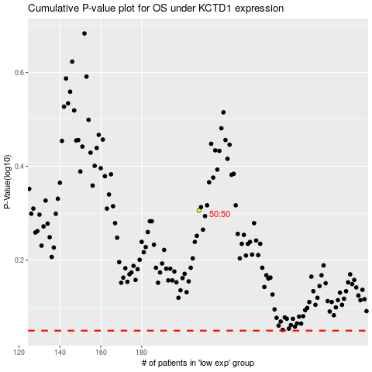

 |  |  |  |  |  | cases_OS | p_OS | rank | exp
 |  |  |  |  |  |  | cases_RFS | p_RFS | rank | exp

