KCTD11 _multivariate
Reported by Tex Li-Hsing Chi. tex@gate.sinica.edu.tw 2019-08-18

Table 2. The clinicopathological features of HNSCC cohort and KCTD11 expression. (Chi square test)
Cutoff at -0.15 (53.1%)
 |  | KCTD11 expression |  | KCTD11 expression |  | (Optimised)
 | Features | Low | (%) | High | (%) | Case no | P-value | Remark | Matthews
Gender | Female | 172 | 41.4 | 134 | 32.3 | 415 | 0.038 | 1 | 0
2 | Male | 48 | 11.6 | 61 | 14.7
Age at diagnosis | <=65y | 156 | 37.6 | 118 | 28.4 | 415 | 0.0333 | 1 | 0
4 | >65y | 64 | 15.4 | 77 | 18.6
Clinical T Status | T1+T2 | 94 | 22.7 | 55 | 13.3 | 415 | 0.0029 | 1 | 0
6 | T3+T4 | 126 | 30.4 | 140 | 33.7
Clinical N Status | N0 | 114 | 27.5 | 102 | 24.6 | 415 | 0.9991 | 0 | 0
8 | N1-3 | 106 | 25.5 | 93 | 22.4
Clinical M Status | M0 | 219 | 52.8 | 193 | 46.5 | 415 | 0.6028 | 0 | 0
10 | M1 | 1 | 0.2 | 2 | 0.5
Clinical Stage | Stage I+II | 59 | 14.2 | 43 | 10.4 | 415 | 0.3118 | 0 | 0
12 | Stage III+IV | 161 | 38.8 | 152 | 36.6
Surgical Margin status | Negative | 167 | 40.2 | 151 | 36.4 | 415 | 0.7288 | 0 | 0
14 | Positive | 53 | 12.8 | 44 | 10.6
Tobacco Exposure | Low | 78 | 18.8 | 83 | 20 | 415 | 0.1578 | 0 | 0
16 | High | 142 | 34.2 | 112 | 27

Table 3. Univariate/Multivariate Cox's proportional hazards regression analyses on OS time of KCTD11 gene expression in HNSCC

 |  | Univariate |  |  |  | Multivariate
 | Features | HR | CI95%(L) | CI95%(H) | P-value | HR | CI95%(L) | CI95%(H) | P-value
1 | Female | 1 |  |  |  | 1
Gender | Male | 1.157 | 0.843 | 1.587 | 0.367 | 1.171 | 0.836 | 1.64 | 0.359
11 | <=65y | 1 |  |  |  | 1
Age at diagnosis | >65y | 1.329 | 0.99 | 1.784 | 0.058 | 1.362 | 1.001 | 1.854 | 0.049
12 | T1+T2 | 1 |  |  |  | 1
Clinical T Status | T3+T4 | 1.409 | 1.028 | 1.931 | 0.033 | 2.075 | 1.09 | 3.949 | 0.026
13 | N0 | 1 |  |  |  | 1
Clinical N Status | N1-3 | 1.185 | 0.89 | 1.577 | 0.246 | 1.241 | 0.87 | 1.769 | 0.233
14 | M0 | 1 |  |  |  | 1
Clinical M Status | M1 | 4.097 | 1.009 | 16.644 | 0.049 | 8.646 | 1.877 | 39.827 | 0.006
15 | Stage I+II | 1 |  |  |  | 1
Clinical Stage | Stage III+IV | 1.245 | 0.882 | 1.759 | 0.213 | 0.526 | 0.244 | 1.132 | 0.1
16 | Negative | 1 |  |  |  | 1
Surgical Margin status | Positive | 1.591 | 1.155 | 2.191 | 0.004 | 1.667 | 1.207 | 2.304 | 0.002
17 | Low | 1 |  |  |  | 1
Tobacco Exposure | High | 1.364 | 1.008 | 1.844 | 0.044 | 1.463 | 1.061 | 2.016 | 0.02
18 | Low | 1 |  |  |  | 1
RNAseq(z-score) | High | 1.332 | 1 | 1.776 | 0.05 | 1.228 | 0.913 | 1.65 | 0.174

Table 4. Univariate/Multivariate Cox's proportional hazards regression analyses on RFS time of KCTD11 gene expression in HNSCC

 |  | Univariate |  |  |  | Multivariate
 | Features | HR | CI95%(L) | CI95%(H) | P-value | HR | CI95%(L) | CI95%(H) | P-value
1 | Female | 1 |  |  |  | 1
Gender | Male | 1.157 | 0.843 | 1.587 | 0.367 | 1.171 | 0.836 | 1.64 | 0.359
11 | <=65y | 1 |  |  |  | 1
Age at diagnosis | >65y | 1.329 | 0.99 | 1.784 | 0.058 | 1.362 | 1.001 | 1.854 | 0.049
12 | T1+T2 | 1 |  |  |  | 1
Clinical T Status | T3+T4 | 1.409 | 1.028 | 1.931 | 0.033 | 2.075 | 1.09 | 3.949 | 0.026
13 | N0 | 1 |  |  |  | 1
Clinical N Status | N1-3 | 1.185 | 0.89 | 1.577 | 0.246 | 1.241 | 0.87 | 1.769 | 0.233
14 | M0 | 1 |  |  |  | 1
Clinical M Status | M1 | 4.097 | 1.009 | 16.644 | 0.049 | 8.646 | 1.877 | 39.827 | 0.006
15 | Stage I+II | 1 |  |  |  | 1
Clinical Stage | Stage III+IV | 1.245 | 0.882 | 1.759 | 0.213 | 0.526 | 0.244 | 1.132 | 0.1
16 | Negative | 1 |  |  |  | 1
Surgical Margin status | Positive | 1.591 | 1.155 | 2.191 | 0.004 | 1.667 | 1.207 | 2.304 | 0.002
17 | Low | 1 |  |  |  | 1
Tobacco Exposure | High | 1.364 | 1.008 | 1.844 | 0.044 | 1.463 | 1.061 | 2.016 | 0.02
18 | Low | 1 |  |  |  | 1
RNAseq(z-score) | High | 1.332 | 1 | 1.776 | 0.05 | 1.228 | 0.913 | 1.65 | 0.174

Kaplan-Meier survival estimate: Cutoff at -0.15 (53.1%)



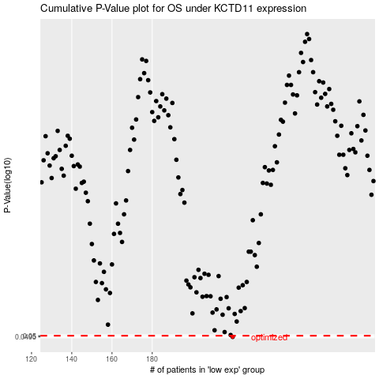

 |  |  |  |  |  | cases_OS | p_OS | rank | exp
 |  |  |  |  |  | 220 | 0.0495 | 265 | -0.14994367865
 |  |  |  |  |  |  | cases_RFS | p_RFS | rank | exp
 |  |  |  |  |  |  | 219 | 0.0495 | 259 | -0.15738278164

