KCTD12 _multivariate
Reported by Tex Li-Hsing Chi. tex@gate.sinica.edu.tw 2019-08-18

Table 2. The clinicopathological features of HNSCC cohort and KCTD12 expression. (Chi square test)
Cutoff at -0.258 (46.4%)
 |  | KCTD12 expression |  | KCTD12 expression |  | (Optimised)
 | Features | Low | (%) | High | (%) | Case no | P-value | Remark | Matthews
Gender | Female | 155 | 37.3 | 151 | 36.4 | 415 | 0.0064 | 1 | 0
2 | Male | 38 | 9.2 | 71 | 17.1
Age at diagnosis | <=65y | 136 | 32.8 | 138 | 33.3 | 415 | 0.0934 | 0 | 0
4 | >65y | 57 | 13.7 | 84 | 20.2
Clinical T Status | T1+T2 | 64 | 15.4 | 85 | 20.5 | 415 | 0.3254 | 0 | 0
6 | T3+T4 | 129 | 31.1 | 137 | 33
Clinical N Status | N0 | 98 | 23.6 | 118 | 28.4 | 415 | 0.7004 | 0 | 0
8 | N1-3 | 95 | 22.9 | 104 | 25.1
Clinical M Status | M0 | 191 | 46 | 221 | 53.3 | 415 | 0.5997 | 0 | 0
10 | M1 | 2 | 0.5 | 1 | 0.2
Clinical Stage | Stage I+II | 38 | 9.2 | 64 | 15.4 | 415 | 0.0411 | 1 | 0
12 | Stage III+IV | 155 | 37.3 | 158 | 38.1
Surgical Margin status | Negative | 144 | 34.7 | 174 | 41.9 | 415 | 0.4159 | 0 | 0
14 | Positive | 49 | 11.8 | 48 | 11.6
Tobacco Exposure | Low | 60 | 14.5 | 101 | 24.3 | 415 | 0.0034 | 1 | 0
16 | High | 133 | 32 | 121 | 29.2

Table 3. Univariate/Multivariate Cox's proportional hazards regression analyses on OS time of KCTD12 gene expression in HNSCC

 |  | Univariate |  |  |  | Multivariate
 | Features | HR | CI95%(L) | CI95%(H) | P-value | HR | CI95%(L) | CI95%(H) | P-value
1 | Female | 1 |  |  |  | 1
Gender | Male | 1.157 | 0.843 | 1.587 | 0.367 | 1.177 | 0.843 | 1.644 | 0.338
11 | <=65y | 1 |  |  |  | 1
Age at diagnosis | >65y | 1.329 | 0.99 | 1.784 | 0.058 | 1.357 | 0.997 | 1.846 | 0.053
12 | T1+T2 | 1 |  |  |  | 1
Clinical T Status | T3+T4 | 1.409 | 1.028 | 1.931 | 0.033 | 2.053 | 1.084 | 3.888 | 0.027
13 | N0 | 1 |  |  |  | 1
Clinical N Status | N1-3 | 1.185 | 0.89 | 1.577 | 0.246 | 1.191 | 0.834 | 1.702 | 0.337
14 | M0 | 1 |  |  |  | 1
Clinical M Status | M1 | 4.097 | 1.009 | 16.644 | 0.049 | 10.055 | 2.192 | 46.125 | 0.003
15 | Stage I+II | 1 |  |  |  | 1
Clinical Stage | Stage III+IV | 1.245 | 0.882 | 1.759 | 0.213 | 0.568 | 0.263 | 1.226 | 0.15
16 | Negative | 1 |  |  |  | 1
Surgical Margin status | Positive | 1.591 | 1.155 | 2.191 | 0.004 | 1.722 | 1.246 | 2.38 | 0.001
17 | Low | 1 |  |  |  | 1
Tobacco Exposure | High | 1.364 | 1.008 | 1.844 | 0.044 | 1.542 | 1.116 | 2.13 | 0.009
18 | Low | 1 |  |  |  | 1
RNAseq(z-score) | High | 1.37 | 1.024 | 1.833 | 0.034 | 1.459 | 1.079 | 1.973 | 0.014

Table 4. Univariate/Multivariate Cox's proportional hazards regression analyses on RFS time of KCTD12 gene expression in HNSCC

 |  | Univariate |  |  |  | Multivariate
 | Features | HR | CI95%(L) | CI95%(H) | P-value | HR | CI95%(L) | CI95%(H) | P-value
1 | Female | 1 |  |  |  | 1
Gender | Male | 1.157 | 0.843 | 1.587 | 0.367 | 1.177 | 0.843 | 1.644 | 0.338
11 | <=65y | 1 |  |  |  | 1
Age at diagnosis | >65y | 1.329 | 0.99 | 1.784 | 0.058 | 1.357 | 0.997 | 1.846 | 0.053
12 | T1+T2 | 1 |  |  |  | 1
Clinical T Status | T3+T4 | 1.409 | 1.028 | 1.931 | 0.033 | 2.053 | 1.084 | 3.888 | 0.027
13 | N0 | 1 |  |  |  | 1
Clinical N Status | N1-3 | 1.185 | 0.89 | 1.577 | 0.246 | 1.191 | 0.834 | 1.702 | 0.337
14 | M0 | 1 |  |  |  | 1
Clinical M Status | M1 | 4.097 | 1.009 | 16.644 | 0.049 | 10.055 | 2.192 | 46.125 | 0.003
15 | Stage I+II | 1 |  |  |  | 1
Clinical Stage | Stage III+IV | 1.245 | 0.882 | 1.759 | 0.213 | 0.568 | 0.263 | 1.226 | 0.15
16 | Negative | 1 |  |  |  | 1
Surgical Margin status | Positive | 1.591 | 1.155 | 2.191 | 0.004 | 1.722 | 1.246 | 2.38 | 0.001
17 | Low | 1 |  |  |  | 1
Tobacco Exposure | High | 1.364 | 1.008 | 1.844 | 0.044 | 1.542 | 1.116 | 2.13 | 0.009
18 | Low | 1 |  |  |  | 1
RNAseq(z-score) | High | 1.37 | 1.024 | 1.833 | 0.034 | 1.459 | 1.079 | 1.973 | 0.014

Kaplan-Meier survival estimate: Cutoff at -0.258 (46.4%)

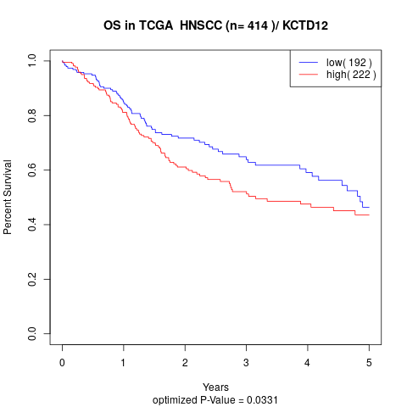

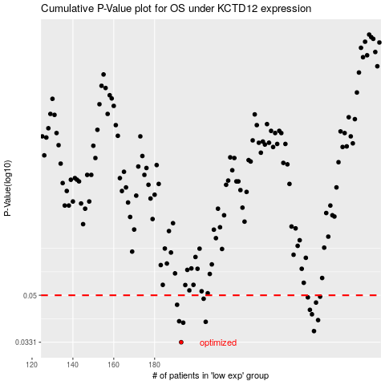

 |  |  |  |  |  | cases_OS | p_OS | rank | exp
 |  |  |  |  |  | 193 | 0.0331 | 412 | -0.2577826528
 |  |  |  |  |  | 258 | 0.0365 | 163 | 0.10113651742
 |  |  |  |  |  | 194 | 0.0393 | 394 | -0.23157705944
 |  |  |  |  |  | 205 | 0.0396 | 284 | -0.20250230809
 |  |  |  |  |  | 192 | 0.0398 | 392 | -0.28171316585
 |  |  |  |  |  | 260 | 0.0402 | 74 | 0.11619693597
 |  |  |  |  |  | 257 | 0.0423 | 9 | 0.09698317984
 |  |  |  |  |  | 256 | 0.044 | 356 | 0.095882371844
 |  |  |  |  |  | 191 | 0.046 | 100 | -0.28197208422
 |  |  |  |  |  | 259 | 0.0469 | 330 | 0.10187914343
 |  |  |  |  |  | 204 | 0.0485 | 328 | -0.2070713265
 |  |  |  |  |  | 255 | 0.0491 | 346 | 0.088808740472
 |  |  |  |  |  | 261 | 0.0494 | 118 | 0.12219983923
 |  |  |  |  |  |  | cases_RFS | p_RFS | rank | exp
 |  |  |  |  |  |  | 192 | 0.0331 | 392 | -0.28171316585
 |  |  |  |  |  |  | 257 | 0.0365 | 9 | 0.09698317984
 |  |  |  |  |  |  | 193 | 0.0393 | 412 | -0.2577826528
 |  |  |  |  |  |  | 204 | 0.0396 | 328 | -0.2070713265
 |  |  |  |  |  |  | 191 | 0.0398 | 100 | -0.28197208422
 |  |  |  |  |  |  | 259 | 0.0402 | 330 | 0.10187914343
 |  |  |  |  |  |  | 256 | 0.0423 | 356 | 0.095882371844
 |  |  |  |  |  |  | 255 | 0.044 | 346 | 0.088808740472
 |  |  |  |  |  |  | 190 | 0.046 | 396 | -0.29425994747
 |  |  |  |  |  |  | 258 | 0.0469 | 163 | 0.10113651742
 |  |  |  |  |  |  | 203 | 0.0485 | 197 | -0.20865699906
 |  |  |  |  |  |  | 254 | 0.0491 | 403 | 0.08780048596
 |  |  |  |  |  |  | 260 | 0.0494 | 74 | 0.11619693597

