KCTD15 _multivariate
Reported by Tex Li-Hsing Chi. tex@gate.sinica.edu.tw 2019-08-18

Table 2. The clinicopathological features of HNSCC cohort and KCTD15 expression. (Chi square test)
Cutoff at 0.047 (58.5%)
 |  | KCTD15 expression |  | KCTD15 expression |  | (Optimised)
 | Features | Low | (%) | High | (%) | Case no | P-value | Remark | Matthews
Gender | Female | 184 | 44.3 | 122 | 29.4 | 415 | 0.3275 | 0 | 0
2 | Male | 59 | 14.2 | 50 | 12
Age at diagnosis | <=65y | 161 | 38.8 | 113 | 27.2 | 415 | 0.9897 | 0 | 0
4 | >65y | 82 | 19.8 | 59 | 14.2
Clinical T Status | T1+T2 | 88 | 21.2 | 61 | 14.7 | 415 | 0.9579 | 0 | 0
6 | T3+T4 | 155 | 37.3 | 111 | 26.7
Clinical N Status | N0 | 111 | 26.7 | 105 | 25.3 | 415 | 0.0028 | 1 | 0
8 | N1-3 | 132 | 31.8 | 67 | 16.1
Clinical M Status | M0 | 241 | 58.1 | 171 | 41.2 | 415 | 1 | 0 | 0
10 | M1 | 2 | 0.5 | 1 | 0.2
Clinical Stage | Stage I+II | 54 | 13 | 48 | 11.6 | 415 | 0.2265 | 0 | 0
12 | Stage III+IV | 189 | 45.5 | 124 | 29.9
Surgical Margin status | Negative | 182 | 43.9 | 136 | 32.8 | 415 | 0.3478 | 0 | 0
14 | Positive | 61 | 14.7 | 36 | 8.7
Tobacco Exposure | Low | 92 | 22.2 | 69 | 16.6 | 415 | 0.6829 | 0 | 0
16 | High | 151 | 36.4 | 103 | 24.8

Table 3. Univariate/Multivariate Cox's proportional hazards regression analyses on OS time of KCTD15 gene expression in HNSCC

 |  | Univariate |  |  |  | Multivariate
 | Features | HR | CI95%(L) | CI95%(H) | P-value | HR | CI95%(L) | CI95%(H) | P-value
1 | Female | 1 |  |  |  | 1
Gender | Male | 1.157 | 0.843 | 1.587 | 0.367 | 1.232 | 0.881 | 1.723 | 0.222
11 | <=65y | 1 |  |  |  | 1
Age at diagnosis | >65y | 1.329 | 0.99 | 1.784 | 0.058 | 1.383 | 1.018 | 1.879 | 0.038
12 | T1+T2 | 1 |  |  |  | 1
Clinical T Status | T3+T4 | 1.409 | 1.028 | 1.931 | 0.033 | 2.213 | 1.171 | 4.182 | 0.014
13 | N0 | 1 |  |  |  | 1
Clinical N Status | N1-3 | 1.185 | 0.89 | 1.577 | 0.246 | 1.166 | 0.813 | 1.671 | 0.405
14 | M0 | 1 |  |  |  | 1
Clinical M Status | M1 | 4.097 | 1.009 | 16.644 | 0.049 | 9.641 | 2.102 | 44.213 | 0.004
15 | Stage I+II | 1 |  |  |  | 1
Clinical Stage | Stage III+IV | 1.245 | 0.882 | 1.759 | 0.213 | 0.515 | 0.24 | 1.104 | 0.088
16 | Negative | 1 |  |  |  | 1
Surgical Margin status | Positive | 1.591 | 1.155 | 2.191 | 0.004 | 1.652 | 1.195 | 2.284 | 0.002
17 | Low | 1 |  |  |  | 1
Tobacco Exposure | High | 1.364 | 1.008 | 1.844 | 0.044 | 1.491 | 1.081 | 2.058 | 0.015
18 | Low | 1 |  |  |  | 1
RNAseq(z-score) | High | 0.736 | 0.548 | 0.989 | 0.042 | 0.73 | 0.539 | 0.987 | 0.041

Table 4. Univariate/Multivariate Cox's proportional hazards regression analyses on RFS time of KCTD15 gene expression in HNSCC

 |  | Univariate |  |  |  | Multivariate
 | Features | HR | CI95%(L) | CI95%(H) | P-value | HR | CI95%(L) | CI95%(H) | P-value
1 | Female | 1 |  |  |  | 1
Gender | Male | 1.157 | 0.843 | 1.587 | 0.367 | 1.232 | 0.881 | 1.723 | 0.222
11 | <=65y | 1 |  |  |  | 1
Age at diagnosis | >65y | 1.329 | 0.99 | 1.784 | 0.058 | 1.383 | 1.018 | 1.879 | 0.038
12 | T1+T2 | 1 |  |  |  | 1
Clinical T Status | T3+T4 | 1.409 | 1.028 | 1.931 | 0.033 | 2.213 | 1.171 | 4.182 | 0.014
13 | N0 | 1 |  |  |  | 1
Clinical N Status | N1-3 | 1.185 | 0.89 | 1.577 | 0.246 | 1.166 | 0.813 | 1.671 | 0.405
14 | M0 | 1 |  |  |  | 1
Clinical M Status | M1 | 4.097 | 1.009 | 16.644 | 0.049 | 9.641 | 2.102 | 44.213 | 0.004
15 | Stage I+II | 1 |  |  |  | 1
Clinical Stage | Stage III+IV | 1.245 | 0.882 | 1.759 | 0.213 | 0.515 | 0.24 | 1.104 | 0.088
16 | Negative | 1 |  |  |  | 1
Surgical Margin status | Positive | 1.591 | 1.155 | 2.191 | 0.004 | 1.652 | 1.195 | 2.284 | 0.002
17 | Low | 1 |  |  |  | 1
Tobacco Exposure | High | 1.364 | 1.008 | 1.844 | 0.044 | 1.491 | 1.081 | 2.058 | 0.015
18 | Low | 1 |  |  |  | 1
RNAseq(z-score) | High | 0.736 | 0.548 | 0.989 | 0.042 | 0.73 | 0.539 | 0.987 | 0.041

Kaplan-Meier survival estimate: Cutoff at 0.047 (58.5%)



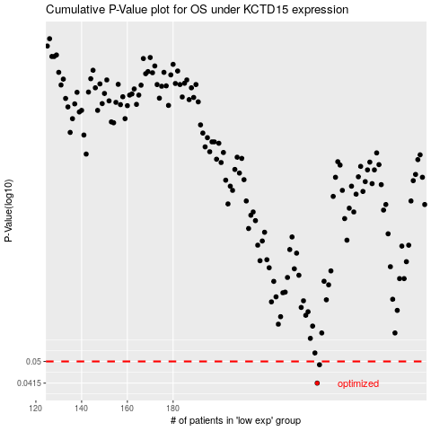

 |  |  |  |  |  | cases_OS | p_OS | rank | exp
 |  |  |  |  |  | 243 | 0.0415 | 290 | 0.047214077136
 |  |  |  |  |  | 244 | 0.0486 | 111 | 0.047518781323
 |  |  |  |  |  |  | cases_RFS | p_RFS | rank | exp
 |  |  |  |  |  |  | 242 | 0.0415 | 339 | 0.044427176072
 |  |  |  |  |  |  | 243 | 0.0486 | 290 | 0.047214077136

