KCTD18 _multivariate
Reported by Tex Li-Hsing Chi. tex@gate.sinica.edu.tw 2019-08-18

Table 2. The clinicopathological features of HNSCC cohort and KCTD18 expression. (Chi square test)
Cutoff at 0.133 (66.2%)
 |  | KCTD18 expression |  | KCTD18 expression |  | (Optimised)
 | Features | Low | (%) | High | (%) | Case no | P-value | Remark | Matthews
Gender | Female | 205 | 49.4 | 101 | 24.3 | 415 | 0.6834 | 0 | 0
2 | Male | 70 | 16.9 | 39 | 9.4
Age at diagnosis | <=65y | 182 | 43.9 | 92 | 22.2 | 415 | 1 | 0 | 0
4 | >65y | 93 | 22.4 | 48 | 11.6
Clinical T Status | T1+T2 | 98 | 23.6 | 51 | 12.3 | 415 | 0.9594 | 0 | 0
6 | T3+T4 | 177 | 42.7 | 89 | 21.4
Clinical N Status | N0 | 138 | 33.3 | 78 | 18.8 | 415 | 0.3357 | 0 | 0
8 | N1-3 | 137 | 33 | 62 | 14.9
Clinical M Status | M0 | 273 | 65.8 | 139 | 33.5 | 415 | 1 | 0 | 0
10 | M1 | 2 | 0.5 | 1 | 0.2
Clinical Stage | Stage I+II | 65 | 15.7 | 37 | 8.9 | 415 | 0.6142 | 0 | 0
12 | Stage III+IV | 210 | 50.6 | 103 | 24.8
Surgical Margin status | Negative | 207 | 49.9 | 111 | 26.7 | 415 | 0.3922 | 0 | 0
14 | Positive | 68 | 16.4 | 29 | 7
Tobacco Exposure | Low | 104 | 25.1 | 57 | 13.7 | 415 | 0.595 | 0 | 0
16 | High | 171 | 41.2 | 83 | 20

Table 3. Univariate/Multivariate Cox's proportional hazards regression analyses on OS time of KCTD18 gene expression in HNSCC

 |  | Univariate |  |  |  | Multivariate
 | Features | HR | CI95%(L) | CI95%(H) | P-value | HR | CI95%(L) | CI95%(H) | P-value
1 | Female | 1 |  |  |  | 1
Gender | Male | 1.157 | 0.843 | 1.587 | 0.367 | 1.239 | 0.884 | 1.737 | 0.214
11 | <=65y | 1 |  |  |  | 1
Age at diagnosis | >65y | 1.329 | 0.99 | 1.784 | 0.058 | 1.376 | 1.011 | 1.873 | 0.042
12 | T1+T2 | 1 |  |  |  | 1
Clinical T Status | T3+T4 | 1.409 | 1.028 | 1.931 | 0.033 | 2.199 | 1.164 | 4.156 | 0.015
13 | N0 | 1 |  |  |  | 1
Clinical N Status | N1-3 | 1.185 | 0.89 | 1.577 | 0.246 | 1.226 | 0.859 | 1.749 | 0.262
14 | M0 | 1 |  |  |  | 1
Clinical M Status | M1 | 4.097 | 1.009 | 16.644 | 0.049 | 9.626 | 2.1 | 44.125 | 0.004
15 | Stage I+II | 1 |  |  |  | 1
Clinical Stage | Stage III+IV | 1.245 | 0.882 | 1.759 | 0.213 | 0.516 | 0.241 | 1.109 | 0.09
16 | Negative | 1 |  |  |  | 1
Surgical Margin status | Positive | 1.591 | 1.155 | 2.191 | 0.004 | 1.615 | 1.168 | 2.234 | 0.004
17 | Low | 1 |  |  |  | 1
Tobacco Exposure | High | 1.364 | 1.008 | 1.844 | 0.044 | 1.448 | 1.049 | 1.999 | 0.024
18 | Low | 1 |  |  |  | 1
RNAseq(z-score) | High | 0.711 | 0.521 | 0.971 | 0.032 | 0.74 | 0.54 | 1.015 | 0.062

Table 4. Univariate/Multivariate Cox's proportional hazards regression analyses on RFS time of KCTD18 gene expression in HNSCC

 |  | Univariate |  |  |  | Multivariate
 | Features | HR | CI95%(L) | CI95%(H) | P-value | HR | CI95%(L) | CI95%(H) | P-value
1 | Female | 1 |  |  |  | 1
Gender | Male | 1.157 | 0.843 | 1.587 | 0.367 | 1.239 | 0.884 | 1.737 | 0.214
11 | <=65y | 1 |  |  |  | 1
Age at diagnosis | >65y | 1.329 | 0.99 | 1.784 | 0.058 | 1.376 | 1.011 | 1.873 | 0.042
12 | T1+T2 | 1 |  |  |  | 1
Clinical T Status | T3+T4 | 1.409 | 1.028 | 1.931 | 0.033 | 2.199 | 1.164 | 4.156 | 0.015
13 | N0 | 1 |  |  |  | 1
Clinical N Status | N1-3 | 1.185 | 0.89 | 1.577 | 0.246 | 1.226 | 0.859 | 1.749 | 0.262
14 | M0 | 1 |  |  |  | 1
Clinical M Status | M1 | 4.097 | 1.009 | 16.644 | 0.049 | 9.626 | 2.1 | 44.125 | 0.004
15 | Stage I+II | 1 |  |  |  | 1
Clinical Stage | Stage III+IV | 1.245 | 0.882 | 1.759 | 0.213 | 0.516 | 0.241 | 1.109 | 0.09
16 | Negative | 1 |  |  |  | 1
Surgical Margin status | Positive | 1.591 | 1.155 | 2.191 | 0.004 | 1.615 | 1.168 | 2.234 | 0.004
17 | Low | 1 |  |  |  | 1
Tobacco Exposure | High | 1.364 | 1.008 | 1.844 | 0.044 | 1.448 | 1.049 | 1.999 | 0.024
18 | Low | 1 |  |  |  | 1
RNAseq(z-score) | High | 0.711 | 0.521 | 0.971 | 0.032 | 0.74 | 0.54 | 1.015 | 0.062

Kaplan-Meier survival estimate: Cutoff at 0.133 (66.2%)

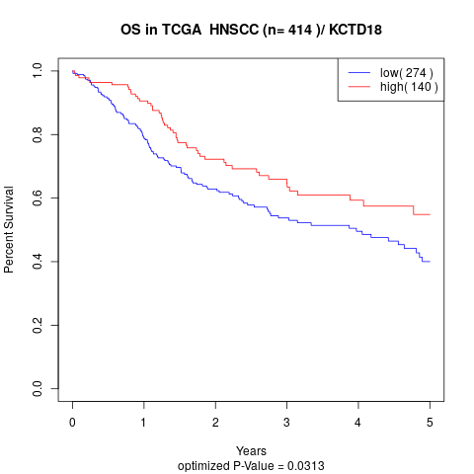

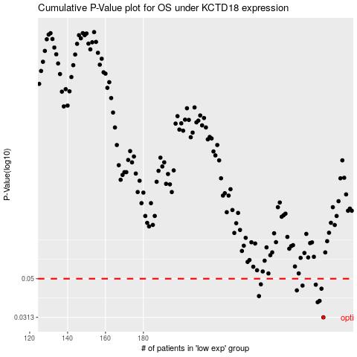

 |  |  |  |  |  | cases_OS | p_OS | rank | exp
 |  |  |  |  |  | 275 | 0.0313 | 245 | 0.13347348101
 |  |  |  |  |  | 272 | 0.0376 | 345 | 0.11273962743
 |  |  |  |  |  | 273 | 0.0382 | 171 | 0.11826063774
 |  |  |  |  |  | 241 | 0.0405 | 187 | -0.045620440633
 |  |  |  |  |  | 261 | 0.0434 | 169 | 0.057492821694
 |  |  |  |  |  | 274 | 0.0443 | 224 | 0.12377461989
 |  |  |  |  |  | 264 | 0.046 | 184 | 0.073927003027
 |  |  |  |  |  | 271 | 0.0465 | 405 | 0.11080922609
 |  |  |  |  |  | 242 | 0.0467 | 268 | -0.044770033246
 |  |  |  |  |  |  | cases_RFS | p_RFS | rank | exp
 |  |  |  |  |  |  | 274 | 0.0313 | 224 | 0.12377461989
 |  |  |  |  |  |  | 271 | 0.0376 | 405 | 0.11080922609
 |  |  |  |  |  |  | 272 | 0.0382 | 345 | 0.11273962743
 |  |  |  |  |  |  | 240 | 0.0405 | 213 | -0.04985607853
 |  |  |  |  |  |  | 260 | 0.0434 | 308 | 0.056382372378
 |  |  |  |  |  |  | 273 | 0.0443 | 171 | 0.11826063774
 |  |  |  |  |  |  | 263 | 0.046 | 370 | 0.071183677818
 |  |  |  |  |  |  | 270 | 0.0465 | 198 | 0.10685705732
 |  |  |  |  |  |  | 241 | 0.0467 | 187 | -0.045620440633

