KCTD19 _multivariate
Reported by Tex Li-Hsing Chi. tex@gate.sinica.edu.tw 2019-08-18

Table 2. The clinicopathological features of HNSCC cohort and KCTD19 expression. (Chi square test)
Cutoff at -0.06 (66.9%)
 |  | KCTD19 expression |  | KCTD19 expression |  | (Optimised)
 | Features | Low | (%) | High | (%) | Case no | P-value | Remark | Matthews
Gender | Female | 196 | 47.2 | 110 | 26.5 | 415 | 0.0442 | 1 | 0
2 | Male | 82 | 19.8 | 27 | 6.5
Age at diagnosis | <=65y | 178 | 42.9 | 96 | 23.1 | 415 | 0.266 | 0 | 0
4 | >65y | 100 | 24.1 | 41 | 9.9
Clinical T Status | T1+T2 | 99 | 23.9 | 50 | 12 | 415 | 0.9459 | 0 | 0
6 | T3+T4 | 179 | 43.1 | 87 | 21
Clinical N Status | N0 | 138 | 33.3 | 78 | 18.8 | 415 | 0.1956 | 0 | 0
8 | N1-3 | 140 | 33.7 | 59 | 14.2
Clinical M Status | M0 | 275 | 66.3 | 137 | 33 | 415 | 0.554 | 0 | 0
10 | M1 | 3 | 0.7 | 0 | 0
Clinical Stage | Stage I+II | 70 | 16.9 | 32 | 7.7 | 415 | 0.7762 | 0 | 0
12 | Stage III+IV | 208 | 50.1 | 105 | 25.3
Surgical Margin status | Negative | 216 | 52 | 102 | 24.6 | 415 | 0.4621 | 0 | 0
14 | Positive | 62 | 14.9 | 35 | 8.4
Tobacco Exposure | Low | 112 | 27 | 49 | 11.8 | 415 | 0.3931 | 0 | 0
16 | High | 166 | 40 | 88 | 21.2

Table 3. Univariate/Multivariate Cox's proportional hazards regression analyses on OS time of KCTD19 gene expression in HNSCC

 |  | Univariate |  |  |  | Multivariate
 | Features | HR | CI95%(L) | CI95%(H) | P-value | HR | CI95%(L) | CI95%(H) | P-value
1 | Female | 1 |  |  |  | 1
Gender | Male | 1.157 | 0.843 | 1.587 | 0.367 | 1.209 | 0.864 | 1.691 | 0.268
11 | <=65y | 1 |  |  |  | 1
Age at diagnosis | >65y | 1.329 | 0.99 | 1.784 | 0.058 | 1.375 | 1.012 | 1.869 | 0.042
12 | T1+T2 | 1 |  |  |  | 1
Clinical T Status | T3+T4 | 1.409 | 1.028 | 1.931 | 0.033 | 2.112 | 1.116 | 3.997 | 0.022
13 | N0 | 1 |  |  |  | 1
Clinical N Status | N1-3 | 1.185 | 0.89 | 1.577 | 0.246 | 1.208 | 0.846 | 1.725 | 0.299
14 | M0 | 1 |  |  |  | 1
Clinical M Status | M1 | 4.097 | 1.009 | 16.644 | 0.049 | 8.392 | 1.824 | 38.615 | 0.006
15 | Stage I+II | 1 |  |  |  | 1
Clinical Stage | Stage III+IV | 1.245 | 0.882 | 1.759 | 0.213 | 0.529 | 0.246 | 1.137 | 0.103
16 | Negative | 1 |  |  |  | 1
Surgical Margin status | Positive | 1.591 | 1.155 | 2.191 | 0.004 | 1.708 | 1.235 | 2.362 | 0.001
17 | Low | 1 |  |  |  | 1
Tobacco Exposure | High | 1.364 | 1.008 | 1.844 | 0.044 | 1.484 | 1.074 | 2.05 | 0.017
18 | Low | 1 |  |  |  | 1
RNAseq(z-score) | High | 0.724 | 0.526 | 0.998 | 0.049 | 0.736 | 0.532 | 1.018 | 0.064

Table 4. Univariate/Multivariate Cox's proportional hazards regression analyses on RFS time of KCTD19 gene expression in HNSCC

 |  | Univariate |  |  |  | Multivariate
 | Features | HR | CI95%(L) | CI95%(H) | P-value | HR | CI95%(L) | CI95%(H) | P-value
1 | Female | 1 |  |  |  | 1
Gender | Male | 1.157 | 0.843 | 1.587 | 0.367 | 1.209 | 0.864 | 1.691 | 0.268
11 | <=65y | 1 |  |  |  | 1
Age at diagnosis | >65y | 1.329 | 0.99 | 1.784 | 0.058 | 1.375 | 1.012 | 1.869 | 0.042
12 | T1+T2 | 1 |  |  |  | 1
Clinical T Status | T3+T4 | 1.409 | 1.028 | 1.931 | 0.033 | 2.112 | 1.116 | 3.997 | 0.022
13 | N0 | 1 |  |  |  | 1
Clinical N Status | N1-3 | 1.185 | 0.89 | 1.577 | 0.246 | 1.208 | 0.846 | 1.725 | 0.299
14 | M0 | 1 |  |  |  | 1
Clinical M Status | M1 | 4.097 | 1.009 | 16.644 | 0.049 | 8.392 | 1.824 | 38.615 | 0.006
15 | Stage I+II | 1 |  |  |  | 1
Clinical Stage | Stage III+IV | 1.245 | 0.882 | 1.759 | 0.213 | 0.529 | 0.246 | 1.137 | 0.103
16 | Negative | 1 |  |  |  | 1
Surgical Margin status | Positive | 1.591 | 1.155 | 2.191 | 0.004 | 1.708 | 1.235 | 2.362 | 0.001
17 | Low | 1 |  |  |  | 1
Tobacco Exposure | High | 1.364 | 1.008 | 1.844 | 0.044 | 1.484 | 1.074 | 2.05 | 0.017
18 | Low | 1 |  |  |  | 1
RNAseq(z-score) | High | 0.724 | 0.526 | 0.998 | 0.049 | 0.736 | 0.532 | 1.018 | 0.064

Kaplan-Meier survival estimate: Cutoff at -0.06 (66.9%)

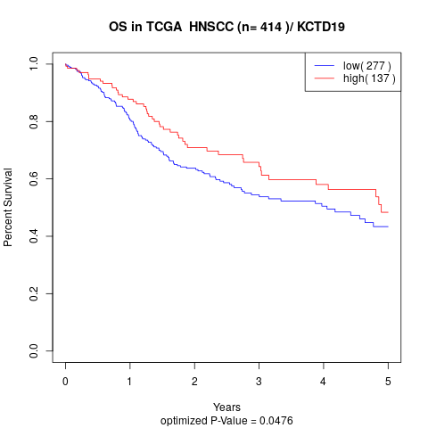

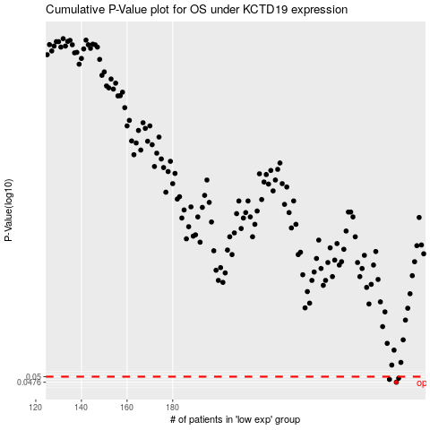

 |  |  |  |  |  | cases_OS | p_OS | rank | exp
 |  |  |  |  |  | 278 | 0.0476 | 315 | -0.059552214164
 |  |  |  |  |  | 275 | 0.0488 | 101 | -0.073174364507
 |  |  |  |  |  | 279 | 0.0493 | 316 | -0.053434195764
 |  |  |  |  |  |  | cases_RFS | p_RFS | rank | exp
 |  |  |  |  |  |  | 277 | 0.0476 | 12 | -0.061177312801
 |  |  |  |  |  |  | 274 | 0.0488 | 191 | -0.077332705139
 |  |  |  |  |  |  | 278 | 0.0493 | 315 | -0.059552214164

