KCTD2 _multivariate
Reported by Tex Li-Hsing Chi. tex@gate.sinica.edu.tw 2019-08-18

Table 2. The clinicopathological features of HNSCC cohort and KCTD2 expression. (Chi square test)
Cutoff at -0.356 (42.3%)
 |  | KCTD2 expression |  | KCTD2 expression |  | (Optimised)
 | Features | Low | (%) | High | (%) | Case no | P-value | Remark | Matthews
Gender | Female | 126 | 30.4 | 180 | 43.4 | 415 | 0.5667 | 0 | 0
2 | Male | 49 | 11.8 | 60 | 14.5
Age at diagnosis | <=65y | 113 | 27.2 | 161 | 38.8 | 415 | 0.6682 | 0 | 0
4 | >65y | 62 | 14.9 | 79 | 19
Clinical T Status | T1+T2 | 54 | 13 | 95 | 22.9 | 415 | 0.0843 | 0 | 0
6 | T3+T4 | 121 | 29.2 | 145 | 34.9
Clinical N Status | N0 | 81 | 19.5 | 135 | 32.5 | 415 | 0.0565 | 0 | 0
8 | N1-3 | 94 | 22.7 | 105 | 25.3
Clinical M Status | M0 | 175 | 42.2 | 237 | 57.1 | 415 | 0.2666 | 0 | 0
10 | M1 | 0 | 0 | 3 | 0.7
Clinical Stage | Stage I+II | 33 | 8 | 69 | 16.6 | 415 | 0.0281 | 1 | 0
12 | Stage III+IV | 142 | 34.2 | 171 | 41.2
Surgical Margin status | Negative | 128 | 30.8 | 190 | 45.8 | 415 | 0.1603 | 0 | 0
14 | Positive | 47 | 11.3 | 50 | 12
Tobacco Exposure | Low | 72 | 17.3 | 89 | 21.4 | 415 | 0.4159 | 0 | 0
16 | High | 103 | 24.8 | 151 | 36.4

Table 3. Univariate/Multivariate Cox's proportional hazards regression analyses on OS time of KCTD2 gene expression in HNSCC

 |  | Univariate |  |  |  | Multivariate
 | Features | HR | CI95%(L) | CI95%(H) | P-value | HR | CI95%(L) | CI95%(H) | P-value
1 | Female | 1 |  |  |  | 1
Gender | Male | 1.157 | 0.843 | 1.587 | 0.367 | 1.188 | 0.852 | 1.658 | 0.309
11 | <=65y | 1 |  |  |  | 1
Age at diagnosis | >65y | 1.329 | 0.99 | 1.784 | 0.058 | 1.376 | 1.012 | 1.869 | 0.041
12 | T1+T2 | 1 |  |  |  | 1
Clinical T Status | T3+T4 | 1.409 | 1.028 | 1.931 | 0.033 | 2.222 | 1.176 | 4.199 | 0.014
13 | N0 | 1 |  |  |  | 1
Clinical N Status | N1-3 | 1.185 | 0.89 | 1.577 | 0.246 | 1.211 | 0.848 | 1.73 | 0.293
14 | M0 | 1 |  |  |  | 1
Clinical M Status | M1 | 4.097 | 1.009 | 16.644 | 0.049 | 11.066 | 2.391 | 51.218 | 0.002
15 | Stage I+II | 1 |  |  |  | 1
Clinical Stage | Stage III+IV | 1.245 | 0.882 | 1.759 | 0.213 | 0.484 | 0.226 | 1.041 | 0.063
16 | Negative | 1 |  |  |  | 1
Surgical Margin status | Positive | 1.591 | 1.155 | 2.191 | 0.004 | 1.62 | 1.171 | 2.242 | 0.004
17 | Low | 1 |  |  |  | 1
Tobacco Exposure | High | 1.364 | 1.008 | 1.844 | 0.044 | 1.497 | 1.087 | 2.062 | 0.014
18 | Low | 1 |  |  |  | 1
RNAseq(z-score) | High | 0.731 | 0.548 | 0.975 | 0.033 | 0.741 | 0.55 | 0.996 | 0.047

Table 4. Univariate/Multivariate Cox's proportional hazards regression analyses on RFS time of KCTD2 gene expression in HNSCC

 |  | Univariate |  |  |  | Multivariate
 | Features | HR | CI95%(L) | CI95%(H) | P-value | HR | CI95%(L) | CI95%(H) | P-value
1 | Female | 1 |  |  |  | 1
Gender | Male | 1.157 | 0.843 | 1.587 | 0.367 | 1.188 | 0.852 | 1.658 | 0.309
11 | <=65y | 1 |  |  |  | 1
Age at diagnosis | >65y | 1.329 | 0.99 | 1.784 | 0.058 | 1.376 | 1.012 | 1.869 | 0.041
12 | T1+T2 | 1 |  |  |  | 1
Clinical T Status | T3+T4 | 1.409 | 1.028 | 1.931 | 0.033 | 2.222 | 1.176 | 4.199 | 0.014
13 | N0 | 1 |  |  |  | 1
Clinical N Status | N1-3 | 1.185 | 0.89 | 1.577 | 0.246 | 1.211 | 0.848 | 1.73 | 0.293
14 | M0 | 1 |  |  |  | 1
Clinical M Status | M1 | 4.097 | 1.009 | 16.644 | 0.049 | 11.066 | 2.391 | 51.218 | 0.002
15 | Stage I+II | 1 |  |  |  | 1
Clinical Stage | Stage III+IV | 1.245 | 0.882 | 1.759 | 0.213 | 0.484 | 0.226 | 1.041 | 0.063
16 | Negative | 1 |  |  |  | 1
Surgical Margin status | Positive | 1.591 | 1.155 | 2.191 | 0.004 | 1.62 | 1.171 | 2.242 | 0.004
17 | Low | 1 |  |  |  | 1
Tobacco Exposure | High | 1.364 | 1.008 | 1.844 | 0.044 | 1.497 | 1.087 | 2.062 | 0.014
18 | Low | 1 |  |  |  | 1
RNAseq(z-score) | High | 0.731 | 0.548 | 0.975 | 0.033 | 0.741 | 0.55 | 0.996 | 0.047

Kaplan-Meier survival estimate: Cutoff at -0.356 (42.3%)



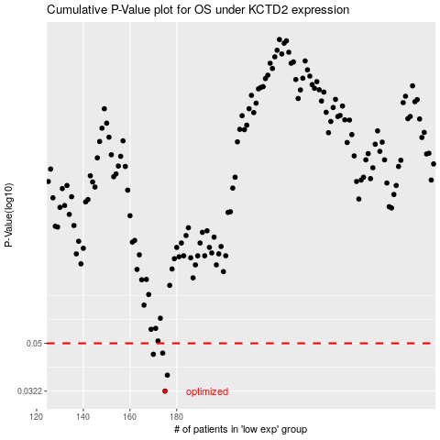

 |  |  |  |  |  | cases_OS | p_OS | rank | exp
 |  |  |  |  |  | 175 | 0.0322 | 269 | -0.35567432568
 |  |  |  |  |  | 176 | 0.0373 | 245 | -0.34182290277
 |  |  |  |  |  | 170 | 0.0452 | 141 | -0.36620150869
 |  |  |  |  |  | 174 | 0.0457 | 99 | -0.35585285706
 |  |  |  |  |  |  | cases_RFS | p_RFS | rank | exp
 |  |  |  |  |  |  | 174 | 0.0322 | 99 | -0.35585285706
 |  |  |  |  |  |  | 175 | 0.0373 | 269 | -0.35567432568
 |  |  |  |  |  |  | 169 | 0.0452 | 181 | -0.36734781082
 |  |  |  |  |  |  | 173 | 0.0457 | 239 | -0.35902759506

