KCTD21 _multivariate
Reported by Tex Li-Hsing Chi. tex@gate.sinica.edu.tw 2019-08-18

Table 2. The clinicopathological features of HNSCC cohort and KCTD21 expression. (Chi square test)
Cutoff at -0.092 (50.0%)
 |  | KCTD21 expression |  | KCTD21 expression |  | (Optimised)
 | Features | Low | (%) | High | (%) | Case no | P-value | Remark | Matthews
Gender | Female | 155 | 37.3 | 151 | 36.4 | 415 | 0.6768 | 0 | 0
2 | Male | 52 | 12.5 | 57 | 13.7
Age at diagnosis | <=65y | 137 | 33 | 137 | 33 | 415 | 1 | 0 | 0
4 | >65y | 70 | 16.9 | 71 | 17.1
Clinical T Status | T1+T2 | 79 | 19 | 70 | 16.9 | 415 | 0.3924 | 0 | 0
6 | T3+T4 | 128 | 30.8 | 138 | 33.3
Clinical N Status | N0 | 93 | 22.4 | 123 | 29.6 | 415 | 0.0051 | 1 | 0
8 | N1-3 | 114 | 27.5 | 85 | 20.5
Clinical M Status | M0 | 205 | 49.4 | 207 | 49.9 | 415 | 0.6232 | 0 | 0
10 | M1 | 2 | 0.5 | 1 | 0.2
Clinical Stage | Stage I+II | 48 | 11.6 | 54 | 13 | 415 | 0.5878 | 0 | 0
12 | Stage III+IV | 159 | 38.3 | 154 | 37.1
Surgical Margin status | Negative | 148 | 35.7 | 170 | 41 | 415 | 0.015 | 1 | 0
14 | Positive | 59 | 14.2 | 38 | 9.2
Tobacco Exposure | Low | 67 | 16.1 | 94 | 22.7 | 415 | 0.0088 | 1 | 0
16 | High | 140 | 33.7 | 114 | 27.5

Table 3. Univariate/Multivariate Cox's proportional hazards regression analyses on OS time of KCTD21 gene expression in HNSCC

 |  | Univariate |  |  |  | Multivariate
 | Features | HR | CI95%(L) | CI95%(H) | P-value | HR | CI95%(L) | CI95%(H) | P-value
1 | Female | 1 |  |  |  | 1
Gender | Male | 1.157 | 0.843 | 1.587 | 0.367 | 1.203 | 0.861 | 1.68 | 0.279
11 | <=65y | 1 |  |  |  | 1
Age at diagnosis | >65y | 1.329 | 0.99 | 1.784 | 0.058 | 1.382 | 1.014 | 1.883 | 0.041
12 | T1+T2 | 1 |  |  |  | 1
Clinical T Status | T3+T4 | 1.409 | 1.028 | 1.931 | 0.033 | 2.214 | 1.17 | 4.189 | 0.015
13 | N0 | 1 |  |  |  | 1
Clinical N Status | N1-3 | 1.185 | 0.89 | 1.577 | 0.246 | 1.227 | 0.855 | 1.76 | 0.266
14 | M0 | 1 |  |  |  | 1
Clinical M Status | M1 | 4.097 | 1.009 | 16.644 | 0.049 | 9.425 | 2.056 | 43.203 | 0.004
15 | Stage I+II | 1 |  |  |  | 1
Clinical Stage | Stage III+IV | 1.245 | 0.882 | 1.759 | 0.213 | 0.506 | 0.236 | 1.086 | 0.08
16 | Negative | 1 |  |  |  | 1
Surgical Margin status | Positive | 1.591 | 1.155 | 2.191 | 0.004 | 1.659 | 1.197 | 2.298 | 0.002
17 | Low | 1 |  |  |  | 1
Tobacco Exposure | High | 1.364 | 1.008 | 1.844 | 0.044 | 1.437 | 1.038 | 1.991 | 0.029
18 | Low | 1 |  |  |  | 1
RNAseq(z-score) | High | 0.836 | 0.628 | 1.114 | 0.222 | 0.947 | 0.701 | 1.28 | 0.724

Table 4. Univariate/Multivariate Cox's proportional hazards regression analyses on RFS time of KCTD21 gene expression in HNSCC

 |  | Univariate |  |  |  | Multivariate
 | Features | HR | CI95%(L) | CI95%(H) | P-value | HR | CI95%(L) | CI95%(H) | P-value
1 | Female | 1 |  |  |  | 1
Gender | Male | 1.157 | 0.843 | 1.587 | 0.367 | 1.203 | 0.861 | 1.68 | 0.279
11 | <=65y | 1 |  |  |  | 1
Age at diagnosis | >65y | 1.329 | 0.99 | 1.784 | 0.058 | 1.382 | 1.014 | 1.883 | 0.041
12 | T1+T2 | 1 |  |  |  | 1
Clinical T Status | T3+T4 | 1.409 | 1.028 | 1.931 | 0.033 | 2.214 | 1.17 | 4.189 | 0.015
13 | N0 | 1 |  |  |  | 1
Clinical N Status | N1-3 | 1.185 | 0.89 | 1.577 | 0.246 | 1.227 | 0.855 | 1.76 | 0.266
14 | M0 | 1 |  |  |  | 1
Clinical M Status | M1 | 4.097 | 1.009 | 16.644 | 0.049 | 9.425 | 2.056 | 43.203 | 0.004
15 | Stage I+II | 1 |  |  |  | 1
Clinical Stage | Stage III+IV | 1.245 | 0.882 | 1.759 | 0.213 | 0.506 | 0.236 | 1.086 | 0.08
16 | Negative | 1 |  |  |  | 1
Surgical Margin status | Positive | 1.591 | 1.155 | 2.191 | 0.004 | 1.659 | 1.197 | 2.298 | 0.002
17 | Low | 1 |  |  |  | 1
Tobacco Exposure | High | 1.364 | 1.008 | 1.844 | 0.044 | 1.437 | 1.038 | 1.991 | 0.029
18 | Low | 1 |  |  |  | 1
RNAseq(z-score) | High | 0.836 | 0.628 | 1.114 | 0.222 | 0.947 | 0.701 | 1.28 | 0.724

Kaplan-Meier survival estimate: Cutoff at -0.092 (50.0%)



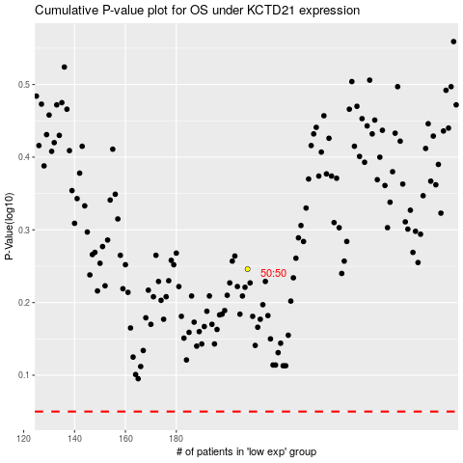

 |  |  |  |  |  | cases_OS | p_OS | rank | exp
 |  |  |  |  |  |  | cases_RFS | p_RFS | rank | exp

