KDELR3 _multivariate
Reported by Tex Li-Hsing Chi. tex@gate.sinica.edu.tw 2019-08-18

Table 2. The clinicopathological features of HNSCC cohort and KDELR3 expression. (Chi square test)
Cutoff at -0.182 (49.8%)
 |  | KDELR3 expression |  | KDELR3 expression |  | (Optimised)
 | Features | Low | (%) | High | (%) | Case no | P-value | Remark | Matthews
Gender | Female | 151 | 36.4 | 155 | 37.3 | 415 | 0.8007 | 0 | 0
2 | Male | 56 | 13.5 | 53 | 12.8
Age at diagnosis | <=65y | 136 | 32.8 | 138 | 33.3 | 415 | 0.9719 | 0 | 0
4 | >65y | 71 | 17.1 | 70 | 16.9
Clinical T Status | T1+T2 | 73 | 17.6 | 76 | 18.3 | 415 | 0.8666 | 0 | 0
6 | T3+T4 | 134 | 32.3 | 132 | 31.8
Clinical N Status | N0 | 101 | 24.3 | 115 | 27.7 | 415 | 0.2201 | 0 | 0
8 | N1-3 | 106 | 25.5 | 93 | 22.4
Clinical M Status | M0 | 205 | 49.4 | 207 | 49.9 | 415 | 0.6232 | 0 | 0
10 | M1 | 2 | 0.5 | 1 | 0.2
Clinical Stage | Stage I+II | 44 | 10.6 | 58 | 14 | 415 | 0.1459 | 0 | 0
12 | Stage III+IV | 163 | 39.3 | 150 | 36.1
Surgical Margin status | Negative | 158 | 38.1 | 160 | 38.6 | 415 | 0.9081 | 0 | 0
14 | Positive | 49 | 11.8 | 48 | 11.6
Tobacco Exposure | Low | 83 | 20 | 78 | 18.8 | 415 | 0.6152 | 0 | 0
16 | High | 124 | 29.9 | 130 | 31.3

Table 3. Univariate/Multivariate Cox's proportional hazards regression analyses on OS time of KDELR3 gene expression in HNSCC

 |  | Univariate |  |  |  | Multivariate
 | Features | HR | CI95%(L) | CI95%(H) | P-value | HR | CI95%(L) | CI95%(H) | P-value
1 | Female | 1 |  |  |  | 1
Gender | Male | 1.157 | 0.843 | 1.587 | 0.367 | 1.202 | 0.861 | 1.68 | 0.28
11 | <=65y | 1 |  |  |  | 1
Age at diagnosis | >65y | 1.329 | 0.99 | 1.784 | 0.058 | 1.388 | 1.021 | 1.888 | 0.036
12 | T1+T2 | 1 |  |  |  | 1
Clinical T Status | T3+T4 | 1.409 | 1.028 | 1.931 | 0.033 | 2.211 | 1.169 | 4.183 | 0.015
13 | N0 | 1 |  |  |  | 1
Clinical N Status | N1-3 | 1.185 | 0.89 | 1.577 | 0.246 | 1.235 | 0.864 | 1.764 | 0.247
14 | M0 | 1 |  |  |  | 1
Clinical M Status | M1 | 4.097 | 1.009 | 16.644 | 0.049 | 9.438 | 2.058 | 43.272 | 0.004
15 | Stage I+II | 1 |  |  |  | 1
Clinical Stage | Stage III+IV | 1.245 | 0.882 | 1.759 | 0.213 | 0.5 | 0.233 | 1.076 | 0.076
16 | Negative | 1 |  |  |  | 1
Surgical Margin status | Positive | 1.591 | 1.155 | 2.191 | 0.004 | 1.672 | 1.21 | 2.311 | 0.002
17 | Low | 1 |  |  |  | 1
Tobacco Exposure | High | 1.364 | 1.008 | 1.844 | 0.044 | 1.457 | 1.057 | 2.01 | 0.022
18 | Low | 1 |  |  |  | 1
RNAseq(z-score) | High | 0.952 | 0.715 | 1.267 | 0.734 | 0.958 | 0.715 | 1.284 | 0.776

Table 4. Univariate/Multivariate Cox's proportional hazards regression analyses on RFS time of KDELR3 gene expression in HNSCC

 |  | Univariate |  |  |  | Multivariate
 | Features | HR | CI95%(L) | CI95%(H) | P-value | HR | CI95%(L) | CI95%(H) | P-value
1 | Female | 1 |  |  |  | 1
Gender | Male | 1.157 | 0.843 | 1.587 | 0.367 | 1.202 | 0.861 | 1.68 | 0.28
11 | <=65y | 1 |  |  |  | 1
Age at diagnosis | >65y | 1.329 | 0.99 | 1.784 | 0.058 | 1.388 | 1.021 | 1.888 | 0.036
12 | T1+T2 | 1 |  |  |  | 1
Clinical T Status | T3+T4 | 1.409 | 1.028 | 1.931 | 0.033 | 2.211 | 1.169 | 4.183 | 0.015
13 | N0 | 1 |  |  |  | 1
Clinical N Status | N1-3 | 1.185 | 0.89 | 1.577 | 0.246 | 1.235 | 0.864 | 1.764 | 0.247
14 | M0 | 1 |  |  |  | 1
Clinical M Status | M1 | 4.097 | 1.009 | 16.644 | 0.049 | 9.438 | 2.058 | 43.272 | 0.004
15 | Stage I+II | 1 |  |  |  | 1
Clinical Stage | Stage III+IV | 1.245 | 0.882 | 1.759 | 0.213 | 0.5 | 0.233 | 1.076 | 0.076
16 | Negative | 1 |  |  |  | 1
Surgical Margin status | Positive | 1.591 | 1.155 | 2.191 | 0.004 | 1.672 | 1.21 | 2.311 | 0.002
17 | Low | 1 |  |  |  | 1
Tobacco Exposure | High | 1.364 | 1.008 | 1.844 | 0.044 | 1.457 | 1.057 | 2.01 | 0.022
18 | Low | 1 |  |  |  | 1
RNAseq(z-score) | High | 0.952 | 0.715 | 1.267 | 0.734 | 0.958 | 0.715 | 1.284 | 0.776

Kaplan-Meier survival estimate: Cutoff at -0.182 (49.8%)



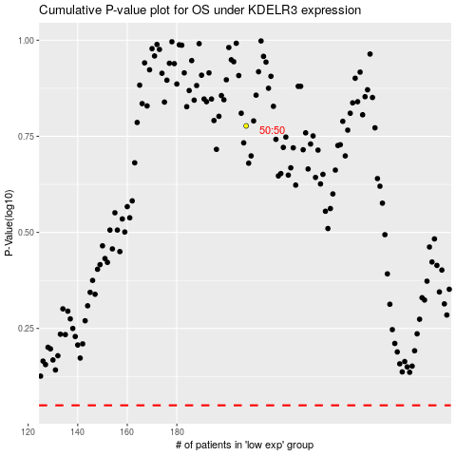

 |  |  |  |  |  | cases_OS | p_OS | rank | exp
 |  |  |  |  |  |  | cases_RFS | p_RFS | rank | exp

