KDM1A _multivariate
Reported by Tex Li-Hsing Chi. tex@gate.sinica.edu.tw 2019-08-18

Table 2. The clinicopathological features of HNSCC cohort and KDM1A expression. (Chi square test)
Cutoff at -0.097 (50.0%)
 |  | KDM1A expression |  | KDM1A expression |  | (Optimised)
 | Features | Low | (%) | High | (%) | Case no | P-value | Remark | Matthews
Gender | Female | 149 | 35.9 | 157 | 37.8 | 415 | 0.4848 | 0 | 0
2 | Male | 58 | 14 | 51 | 12.3
Age at diagnosis | <=65y | 128 | 30.8 | 146 | 35.2 | 415 | 0.0904 | 0 | 0
4 | >65y | 79 | 19 | 62 | 14.9
Clinical T Status | T1+T2 | 90 | 21.7 | 59 | 14.2 | 415 | 0.0019 | 1 | 0
6 | T3+T4 | 117 | 28.2 | 149 | 35.9
Clinical N Status | N0 | 115 | 27.7 | 101 | 24.3 | 415 | 0.184 | 1 | 0
8 | N1-3 | 92 | 22.2 | 107 | 25.8
Clinical M Status | M0 | 206 | 49.6 | 206 | 49.6 | 415 | 1 | 0 | 0
10 | M1 | 1 | 0.2 | 2 | 0.5
Clinical Stage | Stage I+II | 65 | 15.7 | 37 | 8.9 | 415 | 0.0019 | 1 | 0
12 | Stage III+IV | 142 | 34.2 | 171 | 41.2
Surgical Margin status | Negative | 162 | 39 | 156 | 37.6 | 415 | 0.4867 | 0 | 0
14 | Positive | 45 | 10.8 | 52 | 12.5
Tobacco Exposure | Low | 93 | 22.4 | 68 | 16.4 | 415 | 0.0118 | 1 | 0
16 | High | 114 | 27.5 | 140 | 33.7

Table 3. Univariate/Multivariate Cox's proportional hazards regression analyses on OS time of KDM1A gene expression in HNSCC

 |  | Univariate |  |  |  | Multivariate
 | Features | HR | CI95%(L) | CI95%(H) | P-value | HR | CI95%(L) | CI95%(H) | P-value
1 | Female | 1 |  |  |  | 1
Gender | Male | 1.157 | 0.843 | 1.587 | 0.367 | 1.204 | 0.862 | 1.682 | 0.275
11 | <=65y | 1 |  |  |  | 1
Age at diagnosis | >65y | 1.329 | 0.99 | 1.784 | 0.058 | 1.384 | 1.018 | 1.882 | 0.038
12 | T1+T2 | 1 |  |  |  | 1
Clinical T Status | T3+T4 | 1.409 | 1.028 | 1.931 | 0.033 | 2.226 | 1.177 | 4.212 | 0.014
13 | N0 | 1 |  |  |  | 1
Clinical N Status | N1-3 | 1.185 | 0.89 | 1.577 | 0.246 | 1.235 | 0.866 | 1.762 | 0.245
14 | M0 | 1 |  |  |  | 1
Clinical M Status | M1 | 4.097 | 1.009 | 16.644 | 0.049 | 9.561 | 2.084 | 43.859 | 0.004
15 | Stage I+II | 1 |  |  |  | 1
Clinical Stage | Stage III+IV | 1.245 | 0.882 | 1.759 | 0.213 | 0.509 | 0.237 | 1.093 | 0.083
16 | Negative | 1 |  |  |  | 1
Surgical Margin status | Positive | 1.591 | 1.155 | 2.191 | 0.004 | 1.678 | 1.214 | 2.319 | 0.002
17 | Low | 1 |  |  |  | 1
Tobacco Exposure | High | 1.364 | 1.008 | 1.844 | 0.044 | 1.465 | 1.062 | 2.02 | 0.02
18 | Low | 1 |  |  |  | 1
RNAseq(z-score) | High | 0.954 | 0.716 | 1.271 | 0.748 | 0.903 | 0.674 | 1.209 | 0.492

Table 4. Univariate/Multivariate Cox's proportional hazards regression analyses on RFS time of KDM1A gene expression in HNSCC

 |  | Univariate |  |  |  | Multivariate
 | Features | HR | CI95%(L) | CI95%(H) | P-value | HR | CI95%(L) | CI95%(H) | P-value
1 | Female | 1 |  |  |  | 1
Gender | Male | 1.157 | 0.843 | 1.587 | 0.367 | 1.204 | 0.862 | 1.682 | 0.275
11 | <=65y | 1 |  |  |  | 1
Age at diagnosis | >65y | 1.329 | 0.99 | 1.784 | 0.058 | 1.384 | 1.018 | 1.882 | 0.038
12 | T1+T2 | 1 |  |  |  | 1
Clinical T Status | T3+T4 | 1.409 | 1.028 | 1.931 | 0.033 | 2.226 | 1.177 | 4.212 | 0.014
13 | N0 | 1 |  |  |  | 1
Clinical N Status | N1-3 | 1.185 | 0.89 | 1.577 | 0.246 | 1.235 | 0.866 | 1.762 | 0.245
14 | M0 | 1 |  |  |  | 1
Clinical M Status | M1 | 4.097 | 1.009 | 16.644 | 0.049 | 9.561 | 2.084 | 43.859 | 0.004
15 | Stage I+II | 1 |  |  |  | 1
Clinical Stage | Stage III+IV | 1.245 | 0.882 | 1.759 | 0.213 | 0.509 | 0.237 | 1.093 | 0.083
16 | Negative | 1 |  |  |  | 1
Surgical Margin status | Positive | 1.591 | 1.155 | 2.191 | 0.004 | 1.678 | 1.214 | 2.319 | 0.002
17 | Low | 1 |  |  |  | 1
Tobacco Exposure | High | 1.364 | 1.008 | 1.844 | 0.044 | 1.465 | 1.062 | 2.02 | 0.02
18 | Low | 1 |  |  |  | 1
RNAseq(z-score) | High | 0.954 | 0.716 | 1.271 | 0.748 | 0.903 | 0.674 | 1.209 | 0.492

Kaplan-Meier survival estimate: Cutoff at -0.097 (50.0%)



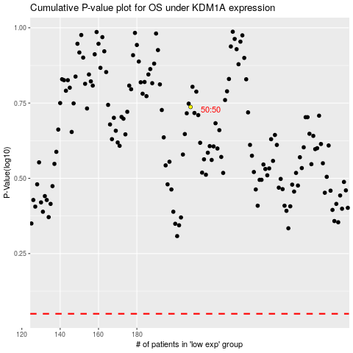

 |  |  |  |  |  | cases_OS | p_OS | rank | exp
 |  |  |  |  |  |  | cases_RFS | p_RFS | rank | exp

