KDM3A _multivariate
Reported by Tex Li-Hsing Chi. tex@gate.sinica.edu.tw 2019-08-18

Table 2. The clinicopathological features of HNSCC cohort and KDM3A expression. (Chi square test)
Cutoff at -0.255 (49.8%)
 |  | KDM3A expression |  | KDM3A expression |  | (Optimised)
 | Features | Low | (%) | High | (%) | Case no | P-value | Remark | Matthews
Gender | Female | 141 | 34 | 165 | 39.8 | 415 | 0.013 | 1 | 0
2 | Male | 66 | 15.9 | 43 | 10.4
Age at diagnosis | <=65y | 133 | 32 | 141 | 34 | 415 | 0.5111 | 0 | 0
4 | >65y | 74 | 17.8 | 67 | 16.1
Clinical T Status | T1+T2 | 83 | 20 | 66 | 15.9 | 415 | 0.0941 | 0 | 0
6 | T3+T4 | 124 | 29.9 | 142 | 34.2
Clinical N Status | N0 | 109 | 26.3 | 107 | 25.8 | 415 | 0.8812 | 0 | 0
8 | N1-3 | 98 | 23.6 | 101 | 24.3
Clinical M Status | M0 | 206 | 49.6 | 206 | 49.6 | 415 | 1 | 0 | 0
10 | M1 | 1 | 0.2 | 2 | 0.5
Clinical Stage | Stage I+II | 60 | 14.5 | 42 | 10.1 | 415 | 0.0493 | 1 | 0
12 | Stage III+IV | 147 | 35.4 | 166 | 40
Surgical Margin status | Negative | 158 | 38.1 | 160 | 38.6 | 415 | 0.9081 | 0 | 0
14 | Positive | 49 | 11.8 | 48 | 11.6
Tobacco Exposure | Low | 90 | 21.7 | 71 | 17.1 | 415 | 0.0559 | 0 | 0
16 | High | 117 | 28.2 | 137 | 33

Table 3. Univariate/Multivariate Cox's proportional hazards regression analyses on OS time of KDM3A gene expression in HNSCC

 |  | Univariate |  |  |  | Multivariate
 | Features | HR | CI95%(L) | CI95%(H) | P-value | HR | CI95%(L) | CI95%(H) | P-value
1 | Female | 1 |  |  |  | 1
Gender | Male | 1.157 | 0.843 | 1.587 | 0.367 | 1.196 | 0.854 | 1.675 | 0.298
11 | <=65y | 1 |  |  |  | 1
Age at diagnosis | >65y | 1.329 | 0.99 | 1.784 | 0.058 | 1.389 | 1.022 | 1.889 | 0.036
12 | T1+T2 | 1 |  |  |  | 1
Clinical T Status | T3+T4 | 1.409 | 1.028 | 1.931 | 0.033 | 2.197 | 1.161 | 4.155 | 0.016
13 | N0 | 1 |  |  |  | 1
Clinical N Status | N1-3 | 1.185 | 0.89 | 1.577 | 0.246 | 1.236 | 0.865 | 1.766 | 0.244
14 | M0 | 1 |  |  |  | 1
Clinical M Status | M1 | 4.097 | 1.009 | 16.644 | 0.049 | 9.389 | 2.048 | 43.04 | 0.004
15 | Stage I+II | 1 |  |  |  | 1
Clinical Stage | Stage III+IV | 1.245 | 0.882 | 1.759 | 0.213 | 0.51 | 0.236 | 1.101 | 0.086
16 | Negative | 1 |  |  |  | 1
Surgical Margin status | Positive | 1.591 | 1.155 | 2.191 | 0.004 | 1.667 | 1.206 | 2.305 | 0.002
17 | Low | 1 |  |  |  | 1
Tobacco Exposure | High | 1.364 | 1.008 | 1.844 | 0.044 | 1.453 | 1.055 | 2.002 | 0.022
18 | Low | 1 |  |  |  | 1
RNAseq(z-score) | High | 0.928 | 0.697 | 1.237 | 0.612 | 0.966 | 0.718 | 1.3 | 0.82

Table 4. Univariate/Multivariate Cox's proportional hazards regression analyses on RFS time of KDM3A gene expression in HNSCC

 |  | Univariate |  |  |  | Multivariate
 | Features | HR | CI95%(L) | CI95%(H) | P-value | HR | CI95%(L) | CI95%(H) | P-value
1 | Female | 1 |  |  |  | 1
Gender | Male | 1.157 | 0.843 | 1.587 | 0.367 | 1.196 | 0.854 | 1.675 | 0.298
11 | <=65y | 1 |  |  |  | 1
Age at diagnosis | >65y | 1.329 | 0.99 | 1.784 | 0.058 | 1.389 | 1.022 | 1.889 | 0.036
12 | T1+T2 | 1 |  |  |  | 1
Clinical T Status | T3+T4 | 1.409 | 1.028 | 1.931 | 0.033 | 2.197 | 1.161 | 4.155 | 0.016
13 | N0 | 1 |  |  |  | 1
Clinical N Status | N1-3 | 1.185 | 0.89 | 1.577 | 0.246 | 1.236 | 0.865 | 1.766 | 0.244
14 | M0 | 1 |  |  |  | 1
Clinical M Status | M1 | 4.097 | 1.009 | 16.644 | 0.049 | 9.389 | 2.048 | 43.04 | 0.004
15 | Stage I+II | 1 |  |  |  | 1
Clinical Stage | Stage III+IV | 1.245 | 0.882 | 1.759 | 0.213 | 0.51 | 0.236 | 1.101 | 0.086
16 | Negative | 1 |  |  |  | 1
Surgical Margin status | Positive | 1.591 | 1.155 | 2.191 | 0.004 | 1.667 | 1.206 | 2.305 | 0.002
17 | Low | 1 |  |  |  | 1
Tobacco Exposure | High | 1.364 | 1.008 | 1.844 | 0.044 | 1.453 | 1.055 | 2.002 | 0.022
18 | Low | 1 |  |  |  | 1
RNAseq(z-score) | High | 0.928 | 0.697 | 1.237 | 0.612 | 0.966 | 0.718 | 1.3 | 0.82

Kaplan-Meier survival estimate: Cutoff at -0.255 (49.8%)



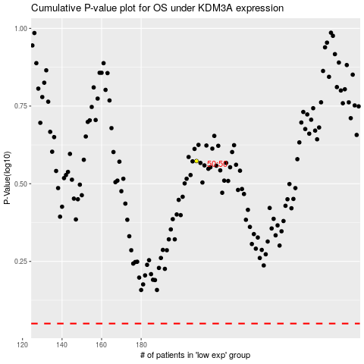

 |  |  |  |  |  | cases_OS | p_OS | rank | exp
 |  |  |  |  |  |  | cases_RFS | p_RFS | rank | exp

