KDM4D _multivariate
Reported by Tex Li-Hsing Chi. tex@gate.sinica.edu.tw 2019-08-18

Table 2. The clinicopathological features of HNSCC cohort and KDM4D expression. (Chi square test)
Cutoff at -0.16 (49.8%)
 |  | KDM4D expression |  | KDM4D expression |  | (Optimised)
 | Features | Low | (%) | High | (%) | Case no | P-value | Remark | Matthews
Gender | Female | 154 | 37.1 | 152 | 36.6 | 415 | 0.8463 | 0 | 0
2 | Male | 53 | 12.8 | 56 | 13.5
Age at diagnosis | <=65y | 132 | 31.8 | 142 | 34.2 | 415 | 0.3874 | 0 | 0
4 | >65y | 75 | 18.1 | 66 | 15.9
Clinical T Status | T1+T2 | 55 | 13.3 | 94 | 22.7 | 415 | 1e-04 | 1 | 0
6 | T3+T4 | 152 | 36.6 | 114 | 27.5
Clinical N Status | N0 | 100 | 24.1 | 116 | 28 | 415 | 0.1548 | 0 | 0
8 | N1-3 | 107 | 25.8 | 92 | 22.2
Clinical M Status | M0 | 206 | 49.6 | 206 | 49.6 | 415 | 1 | 0 | 0
10 | M1 | 1 | 0.2 | 2 | 0.5
Clinical Stage | Stage I+II | 40 | 9.6 | 62 | 14.9 | 415 | 0.018 | 1 | 0
12 | Stage III+IV | 167 | 40.2 | 146 | 35.2
Surgical Margin status | Negative | 154 | 37.1 | 164 | 39.5 | 415 | 0.2984 | 0 | 0
14 | Positive | 53 | 12.8 | 44 | 10.6
Tobacco Exposure | Low | 77 | 18.6 | 84 | 20.2 | 415 | 0.5459 | 0 | 0
16 | High | 130 | 31.3 | 124 | 29.9

Table 3. Univariate/Multivariate Cox's proportional hazards regression analyses on OS time of KDM4D gene expression in HNSCC

 |  | Univariate |  |  |  | Multivariate
 | Features | HR | CI95%(L) | CI95%(H) | P-value | HR | CI95%(L) | CI95%(H) | P-value
1 | Female | 1 |  |  |  | 1
Gender | Male | 1.157 | 0.843 | 1.587 | 0.367 | 1.206 | 0.863 | 1.686 | 0.272
11 | <=65y | 1 |  |  |  | 1
Age at diagnosis | >65y | 1.329 | 0.99 | 1.784 | 0.058 | 1.395 | 1.026 | 1.897 | 0.034
12 | T1+T2 | 1 |  |  |  | 1
Clinical T Status | T3+T4 | 1.409 | 1.028 | 1.931 | 0.033 | 2.271 | 1.186 | 4.346 | 0.013
13 | N0 | 1 |  |  |  | 1
Clinical N Status | N1-3 | 1.185 | 0.89 | 1.577 | 0.246 | 1.259 | 0.878 | 1.806 | 0.21
14 | M0 | 1 |  |  |  | 1
Clinical M Status | M1 | 4.097 | 1.009 | 16.644 | 0.049 | 9.501 | 2.071 | 43.582 | 0.004
15 | Stage I+II | 1 |  |  |  | 1
Clinical Stage | Stage III+IV | 1.245 | 0.882 | 1.759 | 0.213 | 0.493 | 0.229 | 1.065 | 0.072
16 | Negative | 1 |  |  |  | 1
Surgical Margin status | Positive | 1.591 | 1.155 | 2.191 | 0.004 | 1.677 | 1.213 | 2.318 | 0.002
17 | Low | 1 |  |  |  | 1
Tobacco Exposure | High | 1.364 | 1.008 | 1.844 | 0.044 | 1.454 | 1.055 | 2.003 | 0.022
18 | Low | 1 |  |  |  | 1
RNAseq(z-score) | High | 0.929 | 0.698 | 1.237 | 0.614 | 1.076 | 0.798 | 1.452 | 0.63

Table 4. Univariate/Multivariate Cox's proportional hazards regression analyses on RFS time of KDM4D gene expression in HNSCC

 |  | Univariate |  |  |  | Multivariate
 | Features | HR | CI95%(L) | CI95%(H) | P-value | HR | CI95%(L) | CI95%(H) | P-value
1 | Female | 1 |  |  |  | 1
Gender | Male | 1.157 | 0.843 | 1.587 | 0.367 | 1.206 | 0.863 | 1.686 | 0.272
11 | <=65y | 1 |  |  |  | 1
Age at diagnosis | >65y | 1.329 | 0.99 | 1.784 | 0.058 | 1.395 | 1.026 | 1.897 | 0.034
12 | T1+T2 | 1 |  |  |  | 1
Clinical T Status | T3+T4 | 1.409 | 1.028 | 1.931 | 0.033 | 2.271 | 1.186 | 4.346 | 0.013
13 | N0 | 1 |  |  |  | 1
Clinical N Status | N1-3 | 1.185 | 0.89 | 1.577 | 0.246 | 1.259 | 0.878 | 1.806 | 0.21
14 | M0 | 1 |  |  |  | 1
Clinical M Status | M1 | 4.097 | 1.009 | 16.644 | 0.049 | 9.501 | 2.071 | 43.582 | 0.004
15 | Stage I+II | 1 |  |  |  | 1
Clinical Stage | Stage III+IV | 1.245 | 0.882 | 1.759 | 0.213 | 0.493 | 0.229 | 1.065 | 0.072
16 | Negative | 1 |  |  |  | 1
Surgical Margin status | Positive | 1.591 | 1.155 | 2.191 | 0.004 | 1.677 | 1.213 | 2.318 | 0.002
17 | Low | 1 |  |  |  | 1
Tobacco Exposure | High | 1.364 | 1.008 | 1.844 | 0.044 | 1.454 | 1.055 | 2.003 | 0.022
18 | Low | 1 |  |  |  | 1
RNAseq(z-score) | High | 0.929 | 0.698 | 1.237 | 0.614 | 1.076 | 0.798 | 1.452 | 0.63

Kaplan-Meier survival estimate: Cutoff at -0.16 (49.8%)



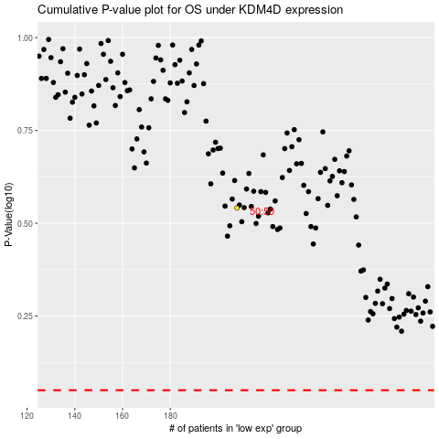

 |  |  |  |  |  | cases_OS | p_OS | rank | exp
 |  |  |  |  |  |  | cases_RFS | p_RFS | rank | exp

