KDM5A _multivariate
Reported by Tex Li-Hsing Chi. tex@gate.sinica.edu.tw 2019-08-18

Table 2. The clinicopathological features of HNSCC cohort and KDM5A expression. (Chi square test)
Cutoff at -0.098 (49.8%)
 |  | KDM5A expression |  | KDM5A expression |  | (Optimised)
 | Features | Low | (%) | High | (%) | Case no | P-value | Remark | Matthews
Gender | Female | 151 | 36.4 | 155 | 37.3 | 415 | 0.8007 | 0 | 0
2 | Male | 56 | 13.5 | 53 | 12.8
Age at diagnosis | <=65y | 141 | 34 | 133 | 32 | 415 | 0.4272 | 0 | 0
4 | >65y | 66 | 15.9 | 75 | 18.1
Clinical T Status | T1+T2 | 79 | 19 | 70 | 16.9 | 415 | 0.3924 | 0 | 0
6 | T3+T4 | 128 | 30.8 | 138 | 33.3
Clinical N Status | N0 | 111 | 26.7 | 105 | 25.3 | 415 | 0.5875 | 0 | 0
8 | N1-3 | 96 | 23.1 | 103 | 24.8
Clinical M Status | M0 | 204 | 49.2 | 208 | 50.1 | 415 | 0.1232 | 0 | 0
10 | M1 | 3 | 0.7 | 0 | 0
Clinical Stage | Stage I+II | 57 | 13.7 | 45 | 10.8 | 415 | 0.1998 | 0 | 0
12 | Stage III+IV | 150 | 36.1 | 163 | 39.3
Surgical Margin status | Negative | 156 | 37.6 | 162 | 39 | 415 | 0.5636 | 0 | 0
14 | Positive | 51 | 12.3 | 46 | 11.1
Tobacco Exposure | Low | 81 | 19.5 | 80 | 19.3 | 415 | 0.9199 | 0 | 0
16 | High | 126 | 30.4 | 128 | 30.8

Table 3. Univariate/Multivariate Cox's proportional hazards regression analyses on OS time of KDM5A gene expression in HNSCC

 |  | Univariate |  |  |  | Multivariate
 | Features | HR | CI95%(L) | CI95%(H) | P-value | HR | CI95%(L) | CI95%(H) | P-value
1 | Female | 1 |  |  |  | 1
Gender | Male | 1.157 | 0.843 | 1.587 | 0.367 | 1.209 | 0.866 | 1.689 | 0.266
11 | <=65y | 1 |  |  |  | 1
Age at diagnosis | >65y | 1.329 | 0.99 | 1.784 | 0.058 | 1.381 | 1.015 | 1.879 | 0.04
12 | T1+T2 | 1 |  |  |  | 1
Clinical T Status | T3+T4 | 1.409 | 1.028 | 1.931 | 0.033 | 2.227 | 1.177 | 4.213 | 0.014
13 | N0 | 1 |  |  |  | 1
Clinical N Status | N1-3 | 1.185 | 0.89 | 1.577 | 0.246 | 1.258 | 0.881 | 1.796 | 0.207
14 | M0 | 1 |  |  |  | 1
Clinical M Status | M1 | 4.097 | 1.009 | 16.644 | 0.049 | 10.332 | 2.231 | 47.851 | 0.003
15 | Stage I+II | 1 |  |  |  | 1
Clinical Stage | Stage III+IV | 1.245 | 0.882 | 1.759 | 0.213 | 0.487 | 0.226 | 1.049 | 0.066
16 | Negative | 1 |  |  |  | 1
Surgical Margin status | Positive | 1.591 | 1.155 | 2.191 | 0.004 | 1.686 | 1.219 | 2.331 | 0.002
17 | Low | 1 |  |  |  | 1
Tobacco Exposure | High | 1.364 | 1.008 | 1.844 | 0.044 | 1.459 | 1.058 | 2.01 | 0.021
18 | Low | 1 |  |  |  | 1
RNAseq(z-score) | High | 1.133 | 0.848 | 1.514 | 0.397 | 1.173 | 0.874 | 1.575 | 0.287

Table 4. Univariate/Multivariate Cox's proportional hazards regression analyses on RFS time of KDM5A gene expression in HNSCC

 |  | Univariate |  |  |  | Multivariate
 | Features | HR | CI95%(L) | CI95%(H) | P-value | HR | CI95%(L) | CI95%(H) | P-value
1 | Female | 1 |  |  |  | 1
Gender | Male | 1.157 | 0.843 | 1.587 | 0.367 | 1.209 | 0.866 | 1.689 | 0.266
11 | <=65y | 1 |  |  |  | 1
Age at diagnosis | >65y | 1.329 | 0.99 | 1.784 | 0.058 | 1.381 | 1.015 | 1.879 | 0.04
12 | T1+T2 | 1 |  |  |  | 1
Clinical T Status | T3+T4 | 1.409 | 1.028 | 1.931 | 0.033 | 2.227 | 1.177 | 4.213 | 0.014
13 | N0 | 1 |  |  |  | 1
Clinical N Status | N1-3 | 1.185 | 0.89 | 1.577 | 0.246 | 1.258 | 0.881 | 1.796 | 0.207
14 | M0 | 1 |  |  |  | 1
Clinical M Status | M1 | 4.097 | 1.009 | 16.644 | 0.049 | 10.332 | 2.231 | 47.851 | 0.003
15 | Stage I+II | 1 |  |  |  | 1
Clinical Stage | Stage III+IV | 1.245 | 0.882 | 1.759 | 0.213 | 0.487 | 0.226 | 1.049 | 0.066
16 | Negative | 1 |  |  |  | 1
Surgical Margin status | Positive | 1.591 | 1.155 | 2.191 | 0.004 | 1.686 | 1.219 | 2.331 | 0.002
17 | Low | 1 |  |  |  | 1
Tobacco Exposure | High | 1.364 | 1.008 | 1.844 | 0.044 | 1.459 | 1.058 | 2.01 | 0.021
18 | Low | 1 |  |  |  | 1
RNAseq(z-score) | High | 1.133 | 0.848 | 1.514 | 0.397 | 1.173 | 0.874 | 1.575 | 0.287

Kaplan-Meier survival estimate: Cutoff at -0.098 (49.8%)



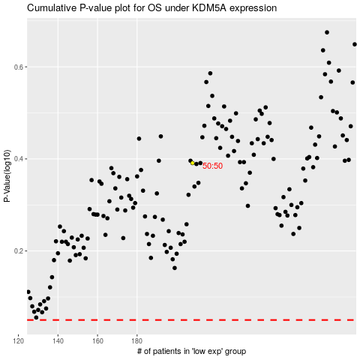

 |  |  |  |  |  | cases_OS | p_OS | rank | exp
 |  |  |  |  |  |  | cases_RFS | p_RFS | rank | exp

