KDM5B _multivariate
Reported by Tex Li-Hsing Chi. tex@gate.sinica.edu.tw 2019-08-18

Table 2. The clinicopathological features of HNSCC cohort and KDM5B expression. (Chi square test)
Cutoff at -0.024 (50.0%)
 |  | KDM5B expression |  | KDM5B expression |  | (Optimised)
 | Features | Low | (%) | High | (%) | Case no | P-value | Remark | Matthews
Gender | Female | 158 | 38.1 | 148 | 35.7 | 415 | 0.2774 | 0 | 0
2 | Male | 49 | 11.8 | 60 | 14.5
Age at diagnosis | <=65y | 143 | 34.5 | 131 | 31.6 | 415 | 0.2269 | 0 | 0
4 | >65y | 64 | 15.4 | 77 | 18.6
Clinical T Status | T1+T2 | 81 | 19.5 | 68 | 16.4 | 415 | 0.206 | 0 | 0
6 | T3+T4 | 126 | 30.4 | 140 | 33.7
Clinical N Status | N0 | 98 | 23.6 | 118 | 28.4 | 415 | 0.0694 | 0 | 0
8 | N1-3 | 109 | 26.3 | 90 | 21.7
Clinical M Status | M0 | 204 | 49.2 | 208 | 50.1 | 415 | 0.1232 | 0 | 0
10 | M1 | 3 | 0.7 | 0 | 0
Clinical Stage | Stage I+II | 49 | 11.8 | 53 | 12.8 | 415 | 0.7535 | 0 | 0
12 | Stage III+IV | 158 | 38.1 | 155 | 37.3
Surgical Margin status | Negative | 153 | 36.9 | 165 | 39.8 | 415 | 0.2036 | 0 | 0
14 | Positive | 54 | 13 | 43 | 10.4
Tobacco Exposure | Low | 86 | 20.7 | 75 | 18.1 | 415 | 0.2687 | 0 | 0
16 | High | 121 | 29.2 | 133 | 32

Table 3. Univariate/Multivariate Cox's proportional hazards regression analyses on OS time of KDM5B gene expression in HNSCC

 |  | Univariate |  |  |  | Multivariate
 | Features | HR | CI95%(L) | CI95%(H) | P-value | HR | CI95%(L) | CI95%(H) | P-value
1 | Female | 1 |  |  |  | 1
Gender | Male | 1.157 | 0.843 | 1.587 | 0.367 | 1.195 | 0.855 | 1.669 | 0.297
11 | <=65y | 1 |  |  |  | 1
Age at diagnosis | >65y | 1.329 | 0.99 | 1.784 | 0.058 | 1.396 | 1.027 | 1.898 | 0.033
12 | T1+T2 | 1 |  |  |  | 1
Clinical T Status | T3+T4 | 1.409 | 1.028 | 1.931 | 0.033 | 2.183 | 1.154 | 4.13 | 0.016
13 | N0 | 1 |  |  |  | 1
Clinical N Status | N1-3 | 1.185 | 0.89 | 1.577 | 0.246 | 1.265 | 0.884 | 1.812 | 0.198
14 | M0 | 1 |  |  |  | 1
Clinical M Status | M1 | 4.097 | 1.009 | 16.644 | 0.049 | 9.87 | 2.143 | 45.471 | 0.003
15 | Stage I+II | 1 |  |  |  | 1
Clinical Stage | Stage III+IV | 1.245 | 0.882 | 1.759 | 0.213 | 0.504 | 0.234 | 1.081 | 0.079
16 | Negative | 1 |  |  |  | 1
Surgical Margin status | Positive | 1.591 | 1.155 | 2.191 | 0.004 | 1.685 | 1.219 | 2.331 | 0.002
17 | Low | 1 |  |  |  | 1
Tobacco Exposure | High | 1.364 | 1.008 | 1.844 | 0.044 | 1.446 | 1.049 | 1.993 | 0.024
18 | Low | 1 |  |  |  | 1
RNAseq(z-score) | High | 1.098 | 0.823 | 1.464 | 0.525 | 1.128 | 0.84 | 1.513 | 0.423

Table 4. Univariate/Multivariate Cox's proportional hazards regression analyses on RFS time of KDM5B gene expression in HNSCC

 |  | Univariate |  |  |  | Multivariate
 | Features | HR | CI95%(L) | CI95%(H) | P-value | HR | CI95%(L) | CI95%(H) | P-value
1 | Female | 1 |  |  |  | 1
Gender | Male | 1.157 | 0.843 | 1.587 | 0.367 | 1.195 | 0.855 | 1.669 | 0.297
11 | <=65y | 1 |  |  |  | 1
Age at diagnosis | >65y | 1.329 | 0.99 | 1.784 | 0.058 | 1.396 | 1.027 | 1.898 | 0.033
12 | T1+T2 | 1 |  |  |  | 1
Clinical T Status | T3+T4 | 1.409 | 1.028 | 1.931 | 0.033 | 2.183 | 1.154 | 4.13 | 0.016
13 | N0 | 1 |  |  |  | 1
Clinical N Status | N1-3 | 1.185 | 0.89 | 1.577 | 0.246 | 1.265 | 0.884 | 1.812 | 0.198
14 | M0 | 1 |  |  |  | 1
Clinical M Status | M1 | 4.097 | 1.009 | 16.644 | 0.049 | 9.87 | 2.143 | 45.471 | 0.003
15 | Stage I+II | 1 |  |  |  | 1
Clinical Stage | Stage III+IV | 1.245 | 0.882 | 1.759 | 0.213 | 0.504 | 0.234 | 1.081 | 0.079
16 | Negative | 1 |  |  |  | 1
Surgical Margin status | Positive | 1.591 | 1.155 | 2.191 | 0.004 | 1.685 | 1.219 | 2.331 | 0.002
17 | Low | 1 |  |  |  | 1
Tobacco Exposure | High | 1.364 | 1.008 | 1.844 | 0.044 | 1.446 | 1.049 | 1.993 | 0.024
18 | Low | 1 |  |  |  | 1
RNAseq(z-score) | High | 1.098 | 0.823 | 1.464 | 0.525 | 1.128 | 0.84 | 1.513 | 0.423

Kaplan-Meier survival estimate: Cutoff at -0.024 (50.0%)



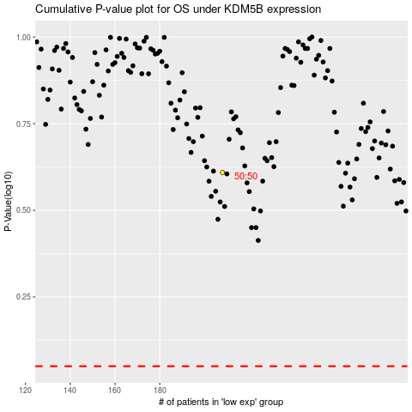

 |  |  |  |  |  | cases_OS | p_OS | rank | exp
 |  |  |  |  |  |  | cases_RFS | p_RFS | rank | exp

