KDM5C _multivariate
Reported by Tex Li-Hsing Chi. tex@gate.sinica.edu.tw 2019-08-18

Table 2. The clinicopathological features of HNSCC cohort and KDM5C expression. (Chi square test)
Cutoff at -0.165 (50.0%)
 |  | KDM5C expression |  | KDM5C expression |  | (Optimised)
 | Features | Low | (%) | High | (%) | Case no | P-value | Remark | Matthews
Gender | Female | 184 | 44.3 | 122 | 29.4 | 415 | 0 | 1 | 0
2 | Male | 23 | 5.5 | 86 | 20.7
Age at diagnosis | <=65y | 146 | 35.2 | 128 | 30.8 | 415 | 0.0672 | 0 | 0
4 | >65y | 61 | 14.7 | 80 | 19.3
Clinical T Status | T1+T2 | 76 | 18.3 | 73 | 17.6 | 415 | 0.8092 | 0 | 0
6 | T3+T4 | 131 | 31.6 | 135 | 32.5
Clinical N Status | N0 | 98 | 23.6 | 118 | 28.4 | 415 | 0.0694 | 0 | 0
8 | N1-3 | 109 | 26.3 | 90 | 21.7
Clinical M Status | M0 | 205 | 49.4 | 207 | 49.9 | 415 | 0.6232 | 0 | 0
10 | M1 | 2 | 0.5 | 1 | 0.2
Clinical Stage | Stage I+II | 48 | 11.6 | 54 | 13 | 415 | 0.5878 | 0 | 0
12 | Stage III+IV | 159 | 38.3 | 154 | 37.1
Surgical Margin status | Negative | 152 | 36.6 | 166 | 40 | 415 | 0.1329 | 0 | 0
14 | Positive | 55 | 13.3 | 42 | 10.1
Tobacco Exposure | Low | 76 | 18.3 | 85 | 20.5 | 415 | 0.4207 | 0 | 0
16 | High | 131 | 31.6 | 123 | 29.6

Table 3. Univariate/Multivariate Cox's proportional hazards regression analyses on OS time of KDM5C gene expression in HNSCC

 |  | Univariate |  |  |  | Multivariate
 | Features | HR | CI95%(L) | CI95%(H) | P-value | HR | CI95%(L) | CI95%(H) | P-value
1 | Female | 1 |  |  |  | 1
Gender | Male | 1.157 | 0.843 | 1.587 | 0.367 | 1.17 | 0.825 | 1.657 | 0.379
11 | <=65y | 1 |  |  |  | 1
Age at diagnosis | >65y | 1.329 | 0.99 | 1.784 | 0.058 | 1.384 | 1.017 | 1.883 | 0.038
12 | T1+T2 | 1 |  |  |  | 1
Clinical T Status | T3+T4 | 1.409 | 1.028 | 1.931 | 0.033 | 2.199 | 1.163 | 4.159 | 0.015
13 | N0 | 1 |  |  |  | 1
Clinical N Status | N1-3 | 1.185 | 0.89 | 1.577 | 0.246 | 1.248 | 0.874 | 1.782 | 0.222
14 | M0 | 1 |  |  |  | 1
Clinical M Status | M1 | 4.097 | 1.009 | 16.644 | 0.049 | 9.378 | 2.046 | 42.991 | 0.004
15 | Stage I+II | 1 |  |  |  | 1
Clinical Stage | Stage III+IV | 1.245 | 0.882 | 1.759 | 0.213 | 0.506 | 0.236 | 1.087 | 0.081
16 | Negative | 1 |  |  |  | 1
Surgical Margin status | Positive | 1.591 | 1.155 | 2.191 | 0.004 | 1.688 | 1.219 | 2.337 | 0.002
17 | Low | 1 |  |  |  | 1
Tobacco Exposure | High | 1.364 | 1.008 | 1.844 | 0.044 | 1.444 | 1.047 | 1.991 | 0.025
18 | Low | 1 |  |  |  | 1
RNAseq(z-score) | High | 1.093 | 0.819 | 1.458 | 0.547 | 1.086 | 0.8 | 1.474 | 0.598

Table 4. Univariate/Multivariate Cox's proportional hazards regression analyses on RFS time of KDM5C gene expression in HNSCC

 |  | Univariate |  |  |  | Multivariate
 | Features | HR | CI95%(L) | CI95%(H) | P-value | HR | CI95%(L) | CI95%(H) | P-value
1 | Female | 1 |  |  |  | 1
Gender | Male | 1.157 | 0.843 | 1.587 | 0.367 | 1.17 | 0.825 | 1.657 | 0.379
11 | <=65y | 1 |  |  |  | 1
Age at diagnosis | >65y | 1.329 | 0.99 | 1.784 | 0.058 | 1.384 | 1.017 | 1.883 | 0.038
12 | T1+T2 | 1 |  |  |  | 1
Clinical T Status | T3+T4 | 1.409 | 1.028 | 1.931 | 0.033 | 2.199 | 1.163 | 4.159 | 0.015
13 | N0 | 1 |  |  |  | 1
Clinical N Status | N1-3 | 1.185 | 0.89 | 1.577 | 0.246 | 1.248 | 0.874 | 1.782 | 0.222
14 | M0 | 1 |  |  |  | 1
Clinical M Status | M1 | 4.097 | 1.009 | 16.644 | 0.049 | 9.378 | 2.046 | 42.991 | 0.004
15 | Stage I+II | 1 |  |  |  | 1
Clinical Stage | Stage III+IV | 1.245 | 0.882 | 1.759 | 0.213 | 0.506 | 0.236 | 1.087 | 0.081
16 | Negative | 1 |  |  |  | 1
Surgical Margin status | Positive | 1.591 | 1.155 | 2.191 | 0.004 | 1.688 | 1.219 | 2.337 | 0.002
17 | Low | 1 |  |  |  | 1
Tobacco Exposure | High | 1.364 | 1.008 | 1.844 | 0.044 | 1.444 | 1.047 | 1.991 | 0.025
18 | Low | 1 |  |  |  | 1
RNAseq(z-score) | High | 1.093 | 0.819 | 1.458 | 0.547 | 1.086 | 0.8 | 1.474 | 0.598

Kaplan-Meier survival estimate: Cutoff at -0.165 (50.0%)



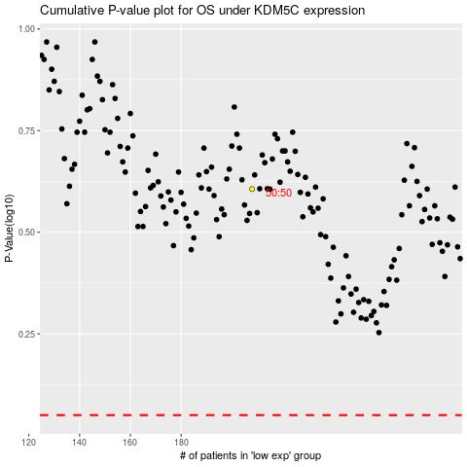

 |  |  |  |  |  | cases_OS | p_OS | rank | exp
 |  |  |  |  |  |  | cases_RFS | p_RFS | rank | exp

