KDM6A _multivariate
Reported by Tex Li-Hsing Chi. tex@gate.sinica.edu.tw 2019-08-18

Table 2. The clinicopathological features of HNSCC cohort and KDM6A expression. (Chi square test)
Cutoff at -0.277 (50.0%)
 |  | KDM6A expression |  | KDM6A expression |  | (Optimised)
 | Features | Low | (%) | High | (%) | Case no | P-value | Remark | Matthews
Gender | Female | 183 | 44.1 | 123 | 29.6 | 415 | 0 | 1 | 0
2 | Male | 24 | 5.8 | 85 | 20.5
Age at diagnosis | <=65y | 140 | 33.7 | 134 | 32.3 | 415 | 0.5574 | 0 | 0
4 | >65y | 67 | 16.1 | 74 | 17.8
Clinical T Status | T1+T2 | 64 | 15.4 | 85 | 20.5 | 415 | 0.0445 | 1 | 0
6 | T3+T4 | 143 | 34.5 | 123 | 29.6
Clinical N Status | N0 | 97 | 23.4 | 119 | 28.7 | 415 | 0.0442 | 1 | 0
8 | N1-3 | 110 | 26.5 | 89 | 21.4
Clinical M Status | M0 | 204 | 49.2 | 208 | 50.1 | 415 | 0.1232 | 0 | 0
10 | M1 | 3 | 0.7 | 0 | 0
Clinical Stage | Stage I+II | 44 | 10.6 | 58 | 14 | 415 | 0.1459 | 0 | 0
12 | Stage III+IV | 163 | 39.3 | 150 | 36.1
Surgical Margin status | Negative | 159 | 38.3 | 159 | 38.3 | 415 | 1 | 0 | 0
14 | Positive | 48 | 11.6 | 49 | 11.8
Tobacco Exposure | Low | 74 | 17.8 | 87 | 21 | 415 | 0.227 | 0 | 0
16 | High | 133 | 32 | 121 | 29.2

Table 3. Univariate/Multivariate Cox's proportional hazards regression analyses on OS time of KDM6A gene expression in HNSCC

 |  | Univariate |  |  |  | Multivariate
 | Features | HR | CI95%(L) | CI95%(H) | P-value | HR | CI95%(L) | CI95%(H) | P-value
1 | Female | 1 |  |  |  | 1
Gender | Male | 1.157 | 0.843 | 1.587 | 0.367 | 1.223 | 0.86 | 1.739 | 0.263
11 | <=65y | 1 |  |  |  | 1
Age at diagnosis | >65y | 1.329 | 0.99 | 1.784 | 0.058 | 1.392 | 1.024 | 1.892 | 0.035
12 | T1+T2 | 1 |  |  |  | 1
Clinical T Status | T3+T4 | 1.409 | 1.028 | 1.931 | 0.033 | 2.172 | 1.142 | 4.13 | 0.018
13 | N0 | 1 |  |  |  | 1
Clinical N Status | N1-3 | 1.185 | 0.89 | 1.577 | 0.246 | 1.232 | 0.861 | 1.763 | 0.254
14 | M0 | 1 |  |  |  | 1
Clinical M Status | M1 | 4.097 | 1.009 | 16.644 | 0.049 | 9.141 | 1.974 | 42.332 | 0.005
15 | Stage I+II | 1 |  |  |  | 1
Clinical Stage | Stage III+IV | 1.245 | 0.882 | 1.759 | 0.213 | 0.511 | 0.237 | 1.101 | 0.086
16 | Negative | 1 |  |  |  | 1
Surgical Margin status | Positive | 1.591 | 1.155 | 2.191 | 0.004 | 1.664 | 1.203 | 2.302 | 0.002
17 | Low | 1 |  |  |  | 1
Tobacco Exposure | High | 1.364 | 1.008 | 1.844 | 0.044 | 1.454 | 1.055 | 2.004 | 0.022
18 | Low | 1 |  |  |  | 1
RNAseq(z-score) | High | 0.899 | 0.675 | 1.198 | 0.467 | 0.952 | 0.697 | 1.299 | 0.755

Table 4. Univariate/Multivariate Cox's proportional hazards regression analyses on RFS time of KDM6A gene expression in HNSCC

 |  | Univariate |  |  |  | Multivariate
 | Features | HR | CI95%(L) | CI95%(H) | P-value | HR | CI95%(L) | CI95%(H) | P-value
1 | Female | 1 |  |  |  | 1
Gender | Male | 1.157 | 0.843 | 1.587 | 0.367 | 1.223 | 0.86 | 1.739 | 0.263
11 | <=65y | 1 |  |  |  | 1
Age at diagnosis | >65y | 1.329 | 0.99 | 1.784 | 0.058 | 1.392 | 1.024 | 1.892 | 0.035
12 | T1+T2 | 1 |  |  |  | 1
Clinical T Status | T3+T4 | 1.409 | 1.028 | 1.931 | 0.033 | 2.172 | 1.142 | 4.13 | 0.018
13 | N0 | 1 |  |  |  | 1
Clinical N Status | N1-3 | 1.185 | 0.89 | 1.577 | 0.246 | 1.232 | 0.861 | 1.763 | 0.254
14 | M0 | 1 |  |  |  | 1
Clinical M Status | M1 | 4.097 | 1.009 | 16.644 | 0.049 | 9.141 | 1.974 | 42.332 | 0.005
15 | Stage I+II | 1 |  |  |  | 1
Clinical Stage | Stage III+IV | 1.245 | 0.882 | 1.759 | 0.213 | 0.511 | 0.237 | 1.101 | 0.086
16 | Negative | 1 |  |  |  | 1
Surgical Margin status | Positive | 1.591 | 1.155 | 2.191 | 0.004 | 1.664 | 1.203 | 2.302 | 0.002
17 | Low | 1 |  |  |  | 1
Tobacco Exposure | High | 1.364 | 1.008 | 1.844 | 0.044 | 1.454 | 1.055 | 2.004 | 0.022
18 | Low | 1 |  |  |  | 1
RNAseq(z-score) | High | 0.899 | 0.675 | 1.198 | 0.467 | 0.952 | 0.697 | 1.299 | 0.755

Kaplan-Meier survival estimate: Cutoff at -0.277 (50.0%)



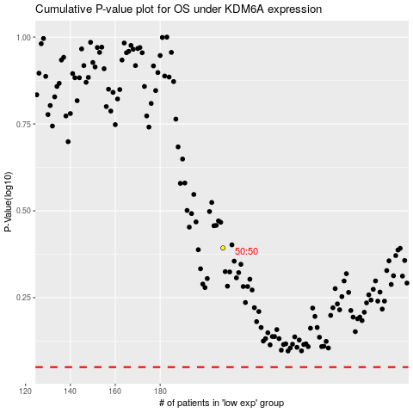

 |  |  |  |  |  | cases_OS | p_OS | rank | exp
 |  |  |  |  |  |  | cases_RFS | p_RFS | rank | exp

