KDM6B _multivariate
Reported by Tex Li-Hsing Chi. tex@gate.sinica.edu.tw 2019-08-18

Table 2. The clinicopathological features of HNSCC cohort and KDM6B expression. (Chi square test)
Cutoff at -0.023 (50.0%)
 |  | KDM6B expression |  | KDM6B expression |  | (Optimised)
 | Features | Low | (%) | High | (%) | Case no | P-value | Remark | Matthews
Gender | Female | 148 | 35.7 | 158 | 38.1 | 415 | 0.3567 | 0 | 0
2 | Male | 59 | 14.2 | 50 | 12
Age at diagnosis | <=65y | 141 | 34 | 133 | 32 | 415 | 0.4272 | 0 | 0
4 | >65y | 66 | 15.9 | 75 | 18.1
Clinical T Status | T1+T2 | 89 | 21.4 | 60 | 14.5 | 415 | 0.0037 | 1 | 0
6 | T3+T4 | 118 | 28.4 | 148 | 35.7
Clinical N Status | N0 | 104 | 25.1 | 112 | 27 | 415 | 0.5243 | 0 | 0
8 | N1-3 | 103 | 24.8 | 96 | 23.1
Clinical M Status | M0 | 205 | 49.4 | 207 | 49.9 | 415 | 0.6232 | 0 | 0
10 | M1 | 2 | 0.5 | 1 | 0.2
Clinical Stage | Stage I+II | 60 | 14.5 | 42 | 10.1 | 415 | 0.0493 | 1 | 0
12 | Stage III+IV | 147 | 35.4 | 166 | 40
Surgical Margin status | Negative | 154 | 37.1 | 164 | 39.5 | 415 | 0.2984 | 0 | 0
14 | Positive | 53 | 12.8 | 44 | 10.6
Tobacco Exposure | Low | 88 | 21.2 | 73 | 17.6 | 415 | 0.1314 | 0 | 0
16 | High | 119 | 28.7 | 135 | 32.5

Table 3. Univariate/Multivariate Cox's proportional hazards regression analyses on OS time of KDM6B gene expression in HNSCC

 |  | Univariate |  |  |  | Multivariate
 | Features | HR | CI95%(L) | CI95%(H) | P-value | HR | CI95%(L) | CI95%(H) | P-value
1 | Female | 1 |  |  |  | 1
Gender | Male | 1.157 | 0.843 | 1.587 | 0.367 | 1.221 | 0.871 | 1.711 | 0.247
11 | <=65y | 1 |  |  |  | 1
Age at diagnosis | >65y | 1.329 | 0.99 | 1.784 | 0.058 | 1.388 | 1.021 | 1.887 | 0.036
12 | T1+T2 | 1 |  |  |  | 1
Clinical T Status | T3+T4 | 1.409 | 1.028 | 1.931 | 0.033 | 2.181 | 1.152 | 4.127 | 0.017
13 | N0 | 1 |  |  |  | 1
Clinical N Status | N1-3 | 1.185 | 0.89 | 1.577 | 0.246 | 1.26 | 0.881 | 1.802 | 0.206
14 | M0 | 1 |  |  |  | 1
Clinical M Status | M1 | 4.097 | 1.009 | 16.644 | 0.049 | 9.635 | 2.099 | 44.235 | 0.004
15 | Stage I+II | 1 |  |  |  | 1
Clinical Stage | Stage III+IV | 1.245 | 0.882 | 1.759 | 0.213 | 0.499 | 0.233 | 1.073 | 0.075
16 | Negative | 1 |  |  |  | 1
Surgical Margin status | Positive | 1.591 | 1.155 | 2.191 | 0.004 | 1.695 | 1.223 | 2.348 | 0.002
17 | Low | 1 |  |  |  | 1
Tobacco Exposure | High | 1.364 | 1.008 | 1.844 | 0.044 | 1.438 | 1.042 | 1.984 | 0.027
18 | Low | 1 |  |  |  | 1
RNAseq(z-score) | High | 1.075 | 0.807 | 1.432 | 0.623 | 1.108 | 0.821 | 1.497 | 0.502

Table 4. Univariate/Multivariate Cox's proportional hazards regression analyses on RFS time of KDM6B gene expression in HNSCC

 |  | Univariate |  |  |  | Multivariate
 | Features | HR | CI95%(L) | CI95%(H) | P-value | HR | CI95%(L) | CI95%(H) | P-value
1 | Female | 1 |  |  |  | 1
Gender | Male | 1.157 | 0.843 | 1.587 | 0.367 | 1.221 | 0.871 | 1.711 | 0.247
11 | <=65y | 1 |  |  |  | 1
Age at diagnosis | >65y | 1.329 | 0.99 | 1.784 | 0.058 | 1.388 | 1.021 | 1.887 | 0.036
12 | T1+T2 | 1 |  |  |  | 1
Clinical T Status | T3+T4 | 1.409 | 1.028 | 1.931 | 0.033 | 2.181 | 1.152 | 4.127 | 0.017
13 | N0 | 1 |  |  |  | 1
Clinical N Status | N1-3 | 1.185 | 0.89 | 1.577 | 0.246 | 1.26 | 0.881 | 1.802 | 0.206
14 | M0 | 1 |  |  |  | 1
Clinical M Status | M1 | 4.097 | 1.009 | 16.644 | 0.049 | 9.635 | 2.099 | 44.235 | 0.004
15 | Stage I+II | 1 |  |  |  | 1
Clinical Stage | Stage III+IV | 1.245 | 0.882 | 1.759 | 0.213 | 0.499 | 0.233 | 1.073 | 0.075
16 | Negative | 1 |  |  |  | 1
Surgical Margin status | Positive | 1.591 | 1.155 | 2.191 | 0.004 | 1.695 | 1.223 | 2.348 | 0.002
17 | Low | 1 |  |  |  | 1
Tobacco Exposure | High | 1.364 | 1.008 | 1.844 | 0.044 | 1.438 | 1.042 | 1.984 | 0.027
18 | Low | 1 |  |  |  | 1
RNAseq(z-score) | High | 1.075 | 0.807 | 1.432 | 0.623 | 1.108 | 0.821 | 1.497 | 0.502

Kaplan-Meier survival estimate: Cutoff at -0.023 (50.0%)



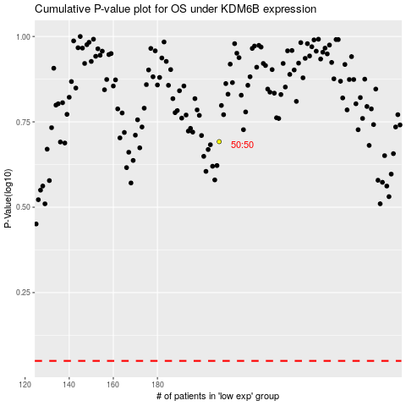

 |  |  |  |  |  | cases_OS | p_OS | rank | exp
 |  |  |  |  |  |  | cases_RFS | p_RFS | rank | exp

