KDSR _multivariate
Reported by Tex Li-Hsing Chi. tex@gate.sinica.edu.tw 2019-08-18

Table 2. The clinicopathological features of HNSCC cohort and KDSR expression. (Chi square test)
Cutoff at 0.157 (58.7%)
 |  | KDSR expression |  | KDSR expression |  | (Optimised)
 | Features | Low | (%) | High | (%) | Case no | P-value | Remark | Matthews
Gender | Female | 183 | 44.1 | 123 | 29.6 | 415 | 0.5577 | 0 | 0
2 | Male | 61 | 14.7 | 48 | 11.6
Age at diagnosis | <=65y | 174 | 41.9 | 100 | 24.1 | 415 | 0.009 | 1 | 0
4 | >65y | 70 | 16.9 | 71 | 17.1
Clinical T Status | T1+T2 | 94 | 22.7 | 55 | 13.3 | 415 | 0.2204 | 0 | 0
6 | T3+T4 | 150 | 36.1 | 116 | 28
Clinical N Status | N0 | 130 | 31.3 | 86 | 20.7 | 415 | 0.6174 | 0 | 0
8 | N1-3 | 114 | 27.5 | 85 | 20.5
Clinical M Status | M0 | 243 | 58.6 | 169 | 40.7 | 415 | 0.5713 | 0 | 0
10 | M1 | 1 | 0.2 | 2 | 0.5
Clinical Stage | Stage I+II | 62 | 14.9 | 40 | 9.6 | 415 | 0.7232 | 0 | 0
12 | Stage III+IV | 182 | 43.9 | 131 | 31.6
Surgical Margin status | Negative | 188 | 45.3 | 130 | 31.3 | 415 | 0.8147 | 0 | 0
14 | Positive | 56 | 13.5 | 41 | 9.9
Tobacco Exposure | Low | 86 | 20.7 | 75 | 18.1 | 415 | 0.0825 | 0 | 0
16 | High | 158 | 38.1 | 96 | 23.1

Table 3. Univariate/Multivariate Cox's proportional hazards regression analyses on OS time of KDSR gene expression in HNSCC

 |  | Univariate |  |  |  | Multivariate
 | Features | HR | CI95%(L) | CI95%(H) | P-value | HR | CI95%(L) | CI95%(H) | P-value
1 | Female | 1 |  |  |  | 1
Gender | Male | 1.157 | 0.843 | 1.587 | 0.367 | 1.221 | 0.872 | 1.709 | 0.245
11 | <=65y | 1 |  |  |  | 1
Age at diagnosis | >65y | 1.329 | 0.99 | 1.784 | 0.058 | 1.351 | 0.991 | 1.841 | 0.057
12 | T1+T2 | 1 |  |  |  | 1
Clinical T Status | T3+T4 | 1.409 | 1.028 | 1.931 | 0.033 | 2.067 | 1.089 | 3.923 | 0.026
13 | N0 | 1 |  |  |  | 1
Clinical N Status | N1-3 | 1.185 | 0.89 | 1.577 | 0.246 | 1.217 | 0.853 | 1.737 | 0.28
14 | M0 | 1 |  |  |  | 1
Clinical M Status | M1 | 4.097 | 1.009 | 16.644 | 0.049 | 8.545 | 1.857 | 39.318 | 0.006
15 | Stage I+II | 1 |  |  |  | 1
Clinical Stage | Stage III+IV | 1.245 | 0.882 | 1.759 | 0.213 | 0.54 | 0.251 | 1.164 | 0.116
16 | Negative | 1 |  |  |  | 1
Surgical Margin status | Positive | 1.591 | 1.155 | 2.191 | 0.004 | 1.685 | 1.219 | 2.327 | 0.002
17 | Low | 1 |  |  |  | 1
Tobacco Exposure | High | 1.364 | 1.008 | 1.844 | 0.044 | 1.501 | 1.085 | 2.078 | 0.014
18 | Low | 1 |  |  |  | 1
RNAseq(z-score) | High | 1.336 | 1.002 | 1.782 | 0.048 | 1.299 | 0.967 | 1.744 | 0.082

Table 4. Univariate/Multivariate Cox's proportional hazards regression analyses on RFS time of KDSR gene expression in HNSCC

 |  | Univariate |  |  |  | Multivariate
 | Features | HR | CI95%(L) | CI95%(H) | P-value | HR | CI95%(L) | CI95%(H) | P-value
1 | Female | 1 |  |  |  | 1
Gender | Male | 1.157 | 0.843 | 1.587 | 0.367 | 1.221 | 0.872 | 1.709 | 0.245
11 | <=65y | 1 |  |  |  | 1
Age at diagnosis | >65y | 1.329 | 0.99 | 1.784 | 0.058 | 1.351 | 0.991 | 1.841 | 0.057
12 | T1+T2 | 1 |  |  |  | 1
Clinical T Status | T3+T4 | 1.409 | 1.028 | 1.931 | 0.033 | 2.067 | 1.089 | 3.923 | 0.026
13 | N0 | 1 |  |  |  | 1
Clinical N Status | N1-3 | 1.185 | 0.89 | 1.577 | 0.246 | 1.217 | 0.853 | 1.737 | 0.28
14 | M0 | 1 |  |  |  | 1
Clinical M Status | M1 | 4.097 | 1.009 | 16.644 | 0.049 | 8.545 | 1.857 | 39.318 | 0.006
15 | Stage I+II | 1 |  |  |  | 1
Clinical Stage | Stage III+IV | 1.245 | 0.882 | 1.759 | 0.213 | 0.54 | 0.251 | 1.164 | 0.116
16 | Negative | 1 |  |  |  | 1
Surgical Margin status | Positive | 1.591 | 1.155 | 2.191 | 0.004 | 1.685 | 1.219 | 2.327 | 0.002
17 | Low | 1 |  |  |  | 1
Tobacco Exposure | High | 1.364 | 1.008 | 1.844 | 0.044 | 1.501 | 1.085 | 2.078 | 0.014
18 | Low | 1 |  |  |  | 1
RNAseq(z-score) | High | 1.336 | 1.002 | 1.782 | 0.048 | 1.299 | 0.967 | 1.744 | 0.082

Kaplan-Meier survival estimate: Cutoff at 0.157 (58.7%)



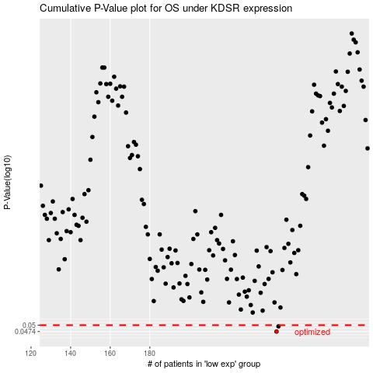

 |  |  |  |  |  | cases_OS | p_OS | rank | exp
 |  |  |  |  |  | 244 | 0.0474 | 218 | 0.15697243748
 |  |  |  |  |  | 245 | 0.0495 | 412 | 0.16021664862
 |  |  |  |  |  |  | cases_RFS | p_RFS | rank | exp
 |  |  |  |  |  |  | 243 | 0.0474 | 106 | 0.15190202588
 |  |  |  |  |  |  | 244 | 0.0495 | 218 | 0.15697243748

